Urban Background Study Summary
REGION 4 URBAN BACKGROUND STUDY
An Inter-Agency Research Project
The U.S. Environmental Protection Agency (USEPA) and Southeastern states are conducting a collaborative research project. The purpose of the project is to document background concentrations of selected environmental parameters in surface soils of urban areas of the Southeastern United States. Surface soil, the top two inches of the soil profile, is assumed to be the primary human exposure source via ingestion. The selected parameters are chemicals that are typically found in all urban environments.
Because the goal is to collect a database of the background concentrations of these chemicals, the study is purposefully designed to avoid sampling areas of known or suspected contaminant releases. The intended use of the data collected from this project is to inform and provide context to environmental investigations conducted by USEPA and its State and local partners. The data will be especially useful for providing background information for Brownfields redevelopment projects, Superfund projects, and other environmental restoration projects that aim to restore contaminated property to beneficial reuse.
Cities were selected for inclusion in this research project based upon the input and recommendations of representatives from the participating States. Currently data has been collected for eight cities, but there may be additional sampling efforts performed that may add to this database. In each of the cities, potential sampling locations were identified through use of a sampling grid and a random selection process. The potential sample locations were then vetted to the extent possible to ensure that the sampled locations were representative of background urban conditions. If any locations were thought to be unsuitable for the purposes of the project, they were replaced with the next randomly selected grid cell. A summary presentation and the Sampling and Analysis Plan (SAP) can be obtained by clicking on the "Urban Background Study Webinar" hyperlink below. Explanations of the decision process for selecting sampling locations and the methods employed for sample collection are provided in the SAP. All samples are assumed to represent local background conditions and are assumed to not have resulted from releases from contaminated sites.
A map of the Southeast States and sampled cities is provided under the "Locations" worksheet and can be accessed by hyperlink below. From the "Locations" worksheet, one can then access a data summary for "All Cities" or individual city data summaries and sampling grid maps.


Please consult with EPA Region 4 to determine if use of this information is appropriate for your purposes. The data are intended to serve as an aid in the investigation and evaluation of sites/properties in Region 4. It is not meant as a regulatory document and any statements herein are not legally binding.
Urban Background Study Webinar | Locations

Additional Information:
Tim Frederick
USEPA Region 4
Superfund Division
frederick.tim@epa.gov
404-562-8598

Locations
This map identifies cities in the Southeast Region states for which urban soil background sampling has been completed. Hyperlinks to data worksheets for individual cities are included to the left and right of the map. Click on a "City" hyperlink to go directly to the posted soil concentration data and a map showing the sampling grid and randomly sampled locations. For a comprehensive list of posted soil concentration data for all cities, click on the "Data (All Cities)" hyperlink. For additional information on analytical methods, defenitions for soil concentration data qualifiers, and explanations of acronyms, click on the "Additional Information" hyperlink below.

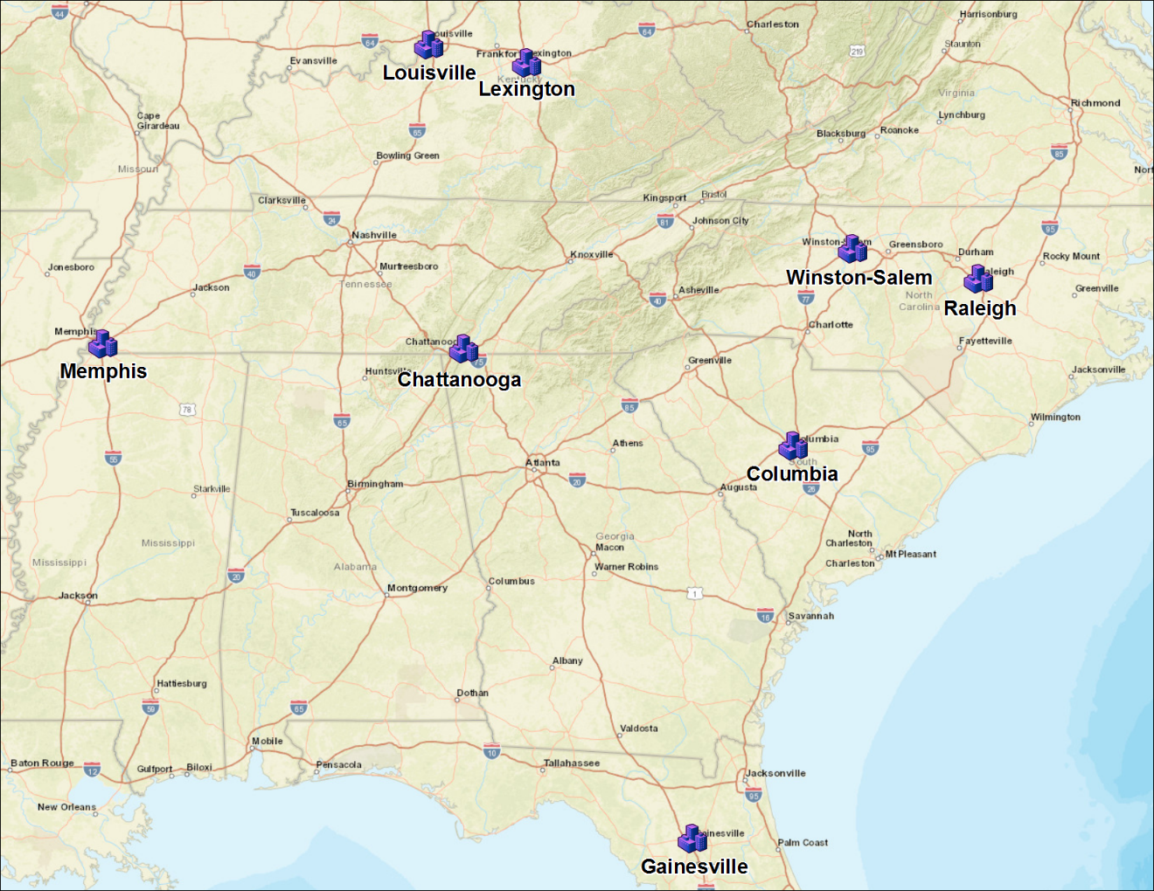
 | Louisville | Raleigh

 | Lexington | Winston-Salem

 | Memphis | Columbia

 | Chattanooga | Gainesville

Data (All Cities)

Additional Information

Study Summary

Chattanooga, TN
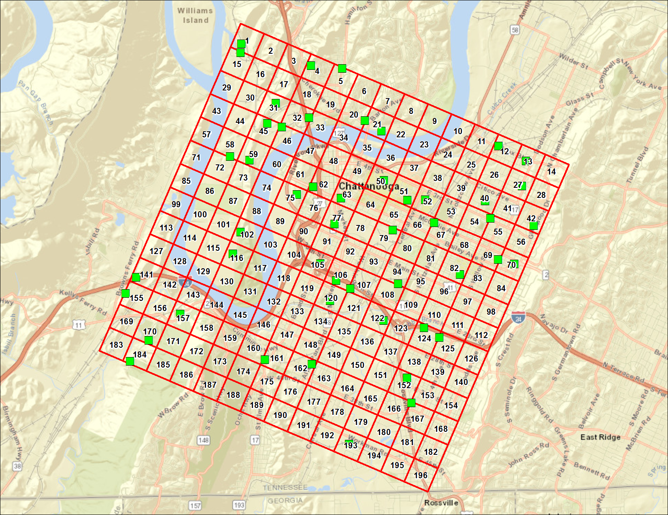
CHATTANOOGA, TENNESSEE
Station | DateSampled | Method | CASNumber | Analyte | Result | Primary Qualifiers | Units | MRL | Return to Urban Background Study Summary | Return to Locations
CHT001 | 9/26/16 | CLP SOM02.3 B | 91-57-6 | 2-Methylnaphthalene | 190 | U | ug/kg dry | 190
CHT001 | 9/26/16 | CLP SOM02.3 B | 83-32-9 | Acenaphthene | 190 | U | ug/kg dry | 190
CHT001 | 9/26/16 | CLP SOM02.3 B | 208-96-8 | Acenaphthylene | 190 | U | ug/kg dry | 190
CHT001 | 9/26/16 | CLP SOM02.3 B | 120-12-7 | Anthracene | 190 | U | ug/kg dry | 190
CHT001 | 9/26/16 | CLP SOM02.3 B | 56-55-3 | Benzo(a)anthracene | 190 | U | ug/kg dry | 190
CHT001 | 9/26/16 | CLP SOM02.3 B | 50-32-8 | Benzo(a)pyrene | 190 | U | ug/kg dry | 190
CHT001 | 9/26/16 | CLP SOM02.3 B | 205-99-2 | Benzo(b)fluoranthene | 190 | U | ug/kg dry | 190
CHT001 | 9/26/16 | CLP SOM02.3 B | 191-24-2 | Benzo(g,h,i)perylene | 190 | U | ug/kg dry | 190
CHT001 | 9/26/16 | CLP SOM02.3 B | 207-08-9 | Benzo(k)fluoranthene | 190 | U | ug/kg dry | 190
CHT001 | 9/26/16 | CLP SOM02.3 B | 218-01-9 | Chrysene | 190 | U | ug/kg dry | 190
CHT001 | 9/26/16 | CLP SOM02.3 B | 53-70-3 | Dibenzo(a,h)anthracene | 190 | U | ug/kg dry | 190
CHT001 | 9/26/16 | CLP SOM02.3 B | 206-44-0 | Fluoranthene | 190 | U | ug/kg dry | 190
CHT001 | 9/26/16 | CLP SOM02.3 B | 86-73-7 | Fluorene | 190 | U | ug/kg dry | 190
CHT001 | 9/26/16 | CLP SOM02.3 B | 193-39-5 | Indeno (1,2,3-cd) pyrene | 190 | U | ug/kg dry | 190
CHT001 | 9/26/16 | CLP SOM02.3 B | 91-20-3 | Naphthalene | 190 | U | ug/kg dry | 190
CHT001 | 9/26/16 | CLP SOM02.3 B | 85-01-8 | Phenanthrene | 190 | U | ug/kg dry | 190
CHT001 | 9/26/16 | CLP SOM02.3 B | 129-00-0 | Pyrene | 190 | U | ug/kg dry | 190
CHT004 | 9/27/16 | CLP SOM02.3 B | 91-57-6 | 2-Methylnaphthalene | 190 | U | ug/kg dry | 190
CHT004 | 9/27/16 | CLP SOM02.3 B | 83-32-9 | Acenaphthene | 190 | U | ug/kg dry | 190
CHT004 | 9/27/16 | CLP SOM02.3 B | 208-96-8 | Acenaphthylene | 190 | U | ug/kg dry | 190
CHT004 | 9/27/16 | CLP SOM02.3 B | 120-12-7 | Anthracene | 190 | U | ug/kg dry | 190
CHT004 | 9/27/16 | CLP SOM02.3 B | 56-55-3 | Benzo(a)anthracene | 190 | U | ug/kg dry | 190
CHT004 | 9/27/16 | CLP SOM02.3 B | 50-32-8 | Benzo(a)pyrene | 190 | U | ug/kg dry | 190
CHT004 | 9/27/16 | CLP SOM02.3 B | 205-99-2 | Benzo(b)fluoranthene | 190 | U | ug/kg dry | 190
CHT004 | 9/27/16 | CLP SOM02.3 B | 191-24-2 | Benzo(g,h,i)perylene | 190 | U | ug/kg dry | 190
CHT004 | 9/27/16 | CLP SOM02.3 B | 207-08-9 | Benzo(k)fluoranthene | 190 | U | ug/kg dry | 190
CHT004 | 9/27/16 | CLP SOM02.3 B | 218-01-9 | Chrysene | 190 | U | ug/kg dry | 190
CHT004 | 9/27/16 | CLP SOM02.3 B | 53-70-3 | Dibenzo(a,h)anthracene | 190 | U | ug/kg dry | 190
CHT004 | 9/27/16 | CLP SOM02.3 B | 206-44-0 | Fluoranthene | 190 | U | ug/kg dry | 190
CHT004 | 9/27/16 | CLP SOM02.3 B | 86-73-7 | Fluorene | 190 | U | ug/kg dry | 190
CHT004 | 9/27/16 | CLP SOM02.3 B | 193-39-5 | Indeno (1,2,3-cd) pyrene | 190 | U | ug/kg dry | 190
CHT004 | 9/27/16 | CLP SOM02.3 B | 91-20-3 | Naphthalene | 190 | U | ug/kg dry | 190
CHT004 | 9/27/16 | CLP SOM02.3 B | 85-01-8 | Phenanthrene | 190 | U | ug/kg dry | 190
CHT004 | 9/27/16 | CLP SOM02.3 B | 129-00-0 | Pyrene | 190 | U | ug/kg dry | 190
CHT005 | 9/27/16 | CLP SOM02.3 B | 91-57-6 | 2-Methylnaphthalene | 53 | J,O | ug/kg dry | 180
CHT005 | 9/27/16 | CLP SOM02.3 B | 83-32-9 | Acenaphthene | 86 | J,O | ug/kg dry | 180
CHT005 | 9/27/16 | CLP SOM02.3 B | 208-96-8 | Acenaphthylene | 660 |  | ug/kg dry | 180
CHT005 | 9/27/16 | CLP SOM02.3 B | 120-12-7 | Anthracene | 380 |  | ug/kg dry | 180
CHT005 | 9/27/16 | CLP SOM02.3 B | 56-55-3 | Benzo(a)anthracene | 1800 |  | ug/kg dry | 180
CHT005 | 9/27/16 | CLP SOM02.3 B | 50-32-8 | Benzo(a)pyrene | 2600 |  | ug/kg dry | 180
CHT005 | 9/27/16 | CLP SOM02.3 B | 205-99-2 | Benzo(b)fluoranthene | 4400 |  | ug/kg dry | 730
CHT005 | 9/27/16 | CLP SOM02.3 B | 191-24-2 | Benzo(g,h,i)perylene | 1300 |  | ug/kg dry | 180
CHT005 | 9/27/16 | CLP SOM02.3 B | 207-08-9 | Benzo(k)fluoranthene | 1500 |  | ug/kg dry | 730
CHT005 | 9/27/16 | CLP SOM02.3 B | 218-01-9 | Chrysene | 1900 |  | ug/kg dry | 180
CHT005 | 9/27/16 | CLP SOM02.3 B | 53-70-3 | Dibenzo(a,h)anthracene | 180 | U | ug/kg dry | 180
CHT005 | 9/27/16 | CLP SOM02.3 B | 206-44-0 | Fluoranthene | 2800 |  | ug/kg dry | 180
CHT005 | 9/27/16 | CLP SOM02.3 B | 86-73-7 | Fluorene | 110 | J,O | ug/kg dry | 180
CHT005 | 9/27/16 | CLP SOM02.3 B | 193-39-5 | Indeno (1,2,3-cd) pyrene | 1100 |  | ug/kg dry | 180
CHT005 | 9/27/16 | CLP SOM02.3 B | 91-20-3 | Naphthalene | 78 | J,O | ug/kg dry | 180
CHT005 | 9/27/16 | CLP SOM02.3 B | 85-01-8 | Phenanthrene | 900 |  | ug/kg dry | 180
CHT005 | 9/27/16 | CLP SOM02.3 B | 129-00-0 | Pyrene | 3400 |  | ug/kg dry | 730
CHT012 | 9/26/16 | CLP SOM02.3 B | 91-57-6 | 2-Methylnaphthalene | 190 | U | ug/kg dry | 190
CHT012 | 9/26/16 | CLP SOM02.3 B | 83-32-9 | Acenaphthene | 190 | U | ug/kg dry | 190
CHT012 | 9/26/16 | CLP SOM02.3 B | 208-96-8 | Acenaphthylene | 190 | U | ug/kg dry | 190
CHT012 | 9/26/16 | CLP SOM02.3 B | 120-12-7 | Anthracene | 190 | U | ug/kg dry | 190
CHT012 | 9/26/16 | CLP SOM02.3 B | 56-55-3 | Benzo(a)anthracene | 230 |  | ug/kg dry | 190
CHT012 | 9/26/16 | CLP SOM02.3 B | 50-32-8 | Benzo(a)pyrene | 260 |  | ug/kg dry | 190
CHT012 | 9/26/16 | CLP SOM02.3 B | 205-99-2 | Benzo(b)fluoranthene | 480 |  | ug/kg dry | 190
CHT012 | 9/26/16 | CLP SOM02.3 B | 191-24-2 | Benzo(g,h,i)perylene | 190 |  | ug/kg dry | 190
CHT012 | 9/26/16 | CLP SOM02.3 B | 207-08-9 | Benzo(k)fluoranthene | 150 | J,O | ug/kg dry | 190
CHT012 | 9/26/16 | CLP SOM02.3 B | 218-01-9 | Chrysene | 340 |  | ug/kg dry | 190
CHT012 | 9/26/16 | CLP SOM02.3 B | 53-70-3 | Dibenzo(a,h)anthracene | 190 | U | ug/kg dry | 190
CHT012 | 9/26/16 | CLP SOM02.3 B | 206-44-0 | Fluoranthene | 530 |  | ug/kg dry | 190
CHT012 | 9/26/16 | CLP SOM02.3 B | 86-73-7 | Fluorene | 190 | U | ug/kg dry | 190
CHT012 | 9/26/16 | CLP SOM02.3 B | 193-39-5 | Indeno (1,2,3-cd) pyrene | 180 | J,O | ug/kg dry | 190
CHT012 | 9/26/16 | CLP SOM02.3 B | 91-20-3 | Naphthalene | 190 | U | ug/kg dry | 190
CHT012 | 9/26/16 | CLP SOM02.3 B | 85-01-8 | Phenanthrene | 280 |  | ug/kg dry | 190
CHT012 | 9/26/16 | CLP SOM02.3 B | 129-00-0 | Pyrene | 490 |  | ug/kg dry | 190
CHT012-DUP | 9/26/16 | CLP SOM02.3 B | 91-57-6 | 2-Methylnaphthalene | 190 | U | ug/kg dry | 190
CHT012-DUP | 9/26/16 | CLP SOM02.3 B | 83-32-9 | Acenaphthene | 190 | U | ug/kg dry | 190
CHT012-DUP | 9/26/16 | CLP SOM02.3 B | 208-96-8 | Acenaphthylene | 190 | U | ug/kg dry | 190
CHT012-DUP | 9/26/16 | CLP SOM02.3 B | 120-12-7 | Anthracene | 190 | U | ug/kg dry | 190
CHT012-DUP | 9/26/16 | CLP SOM02.3 B | 56-55-3 | Benzo(a)anthracene | 170 | J,O | ug/kg dry | 190
CHT012-DUP | 9/26/16 | CLP SOM02.3 B | 50-32-8 | Benzo(a)pyrene | 220 |  | ug/kg dry | 190
CHT012-DUP | 9/26/16 | CLP SOM02.3 B | 205-99-2 | Benzo(b)fluoranthene | 480 |  | ug/kg dry | 190
CHT012-DUP | 9/26/16 | CLP SOM02.3 B | 191-24-2 | Benzo(g,h,i)perylene | 150 | J,O | ug/kg dry | 190
CHT012-DUP | 9/26/16 | CLP SOM02.3 B | 207-08-9 | Benzo(k)fluoranthene | 150 | J,O | ug/kg dry | 190
CHT012-DUP | 9/26/16 | CLP SOM02.3 B | 218-01-9 | Chrysene | 290 |  | ug/kg dry | 190
CHT012-DUP | 9/26/16 | CLP SOM02.3 B | 53-70-3 | Dibenzo(a,h)anthracene | 190 | U | ug/kg dry | 190
CHT012-DUP | 9/26/16 | CLP SOM02.3 B | 206-44-0 | Fluoranthene | 450 |  | ug/kg dry | 190
CHT012-DUP | 9/26/16 | CLP SOM02.3 B | 86-73-7 | Fluorene | 190 | U | ug/kg dry | 190
CHT012-DUP | 9/26/16 | CLP SOM02.3 B | 193-39-5 | Indeno (1,2,3-cd) pyrene | 110 | J,O | ug/kg dry | 190
CHT012-DUP | 9/26/16 | CLP SOM02.3 B | 91-20-3 | Naphthalene | 190 | U | ug/kg dry | 190
CHT012-DUP | 9/26/16 | CLP SOM02.3 B | 85-01-8 | Phenanthrene | 150 | J,O | ug/kg dry | 190
CHT012-DUP | 9/26/16 | CLP SOM02.3 B | 129-00-0 | Pyrene | 410 |  | ug/kg dry | 190
CHT013 | 9/26/16 | CLP SOM02.3 B | 91-57-6 | 2-Methylnaphthalene | 190 | U | ug/kg dry | 190
CHT013 | 9/26/16 | CLP SOM02.3 B | 83-32-9 | Acenaphthene | 190 | U,J,O | ug/kg dry | 190
CHT013 | 9/26/16 | CLP SOM02.3 B | 208-96-8 | Acenaphthylene | 190 | U | ug/kg dry | 190
CHT013 | 9/26/16 | CLP SOM02.3 B | 120-12-7 | Anthracene | 190 | U | ug/kg dry | 190
CHT013 | 9/26/16 | CLP SOM02.3 B | 56-55-3 | Benzo(a)anthracene | 190 | U | ug/kg dry | 190
CHT013 | 9/26/16 | CLP SOM02.3 B | 50-32-8 | Benzo(a)pyrene | 190 | U | ug/kg dry | 190
CHT013 | 9/26/16 | CLP SOM02.3 B | 205-99-2 | Benzo(b)fluoranthene | 82 | J,O | ug/kg dry | 190
CHT013 | 9/26/16 | CLP SOM02.3 B | 191-24-2 | Benzo(g,h,i)perylene | 190 | U | ug/kg dry | 190
CHT013 | 9/26/16 | CLP SOM02.3 B | 207-08-9 | Benzo(k)fluoranthene | 190 | U | ug/kg dry | 190
CHT013 | 9/26/16 | CLP SOM02.3 B | 218-01-9 | Chrysene | 60 | J,O | ug/kg dry | 190
CHT013 | 9/26/16 | CLP SOM02.3 B | 53-70-3 | Dibenzo(a,h)anthracene | 190 | U | ug/kg dry | 190
CHT013 | 9/26/16 | CLP SOM02.3 B | 206-44-0 | Fluoranthene | 87 | J,O | ug/kg dry | 190
CHT013 | 9/26/16 | CLP SOM02.3 B | 86-73-7 | Fluorene | 190 | U | ug/kg dry | 190
CHT013 | 9/26/16 | CLP SOM02.3 B | 193-39-5 | Indeno (1,2,3-cd) pyrene | 190 | U | ug/kg dry | 190
CHT013 | 9/26/16 | CLP SOM02.3 B | 91-20-3 | Naphthalene | 190 | U | ug/kg dry | 190
CHT013 | 9/26/16 | CLP SOM02.3 B | 85-01-8 | Phenanthrene | 190 | U | ug/kg dry | 190
CHT013 | 9/26/16 | CLP SOM02.3 B | 129-00-0 | Pyrene | 93 | J,O | ug/kg dry | 190
CHT015 | 9/26/16 | CLP SOM02.3 B | 91-57-6 | 2-Methylnaphthalene | 130 | J,O | ug/kg dry | 190
CHT015 | 9/26/16 | CLP SOM02.3 B | 83-32-9 | Acenaphthene | 190 | U | ug/kg dry | 190
CHT015 | 9/26/16 | CLP SOM02.3 B | 208-96-8 | Acenaphthylene | 190 | U | ug/kg dry | 190
CHT015 | 9/26/16 | CLP SOM02.3 B | 120-12-7 | Anthracene | 190 | U | ug/kg dry | 190
CHT015 | 9/26/16 | CLP SOM02.3 B | 56-55-3 | Benzo(a)anthracene | 180 | J,O | ug/kg dry | 190
CHT015 | 9/26/16 | CLP SOM02.3 B | 50-32-8 | Benzo(a)pyrene | 210 |  | ug/kg dry | 190
CHT015 | 9/26/16 | CLP SOM02.3 B | 205-99-2 | Benzo(b)fluoranthene | 160 | J,O | ug/kg dry | 190
CHT015 | 9/26/16 | CLP SOM02.3 B | 191-24-2 | Benzo(g,h,i)perylene | 120 | J,O | ug/kg dry | 190
CHT015 | 9/26/16 | CLP SOM02.3 B | 207-08-9 | Benzo(k)fluoranthene | 190 | U | ug/kg dry | 190
CHT015 | 9/26/16 | CLP SOM02.3 B | 218-01-9 | Chrysene | 300 |  | ug/kg dry | 190
CHT015 | 9/26/16 | CLP SOM02.3 B | 53-70-3 | Dibenzo(a,h)anthracene | 52 | J,O | ug/kg dry | 190
CHT015 | 9/26/16 | CLP SOM02.3 B | 206-44-0 | Fluoranthene | 58 | J,O | ug/kg dry | 190
CHT015 | 9/26/16 | CLP SOM02.3 B | 86-73-7 | Fluorene | 190 | U | ug/kg dry | 190
CHT015 | 9/26/16 | CLP SOM02.3 B | 193-39-5 | Indeno (1,2,3-cd) pyrene | 190 | U | ug/kg dry | 190
CHT015 | 9/26/16 | CLP SOM02.3 B | 91-20-3 | Naphthalene | 190 | U | ug/kg dry | 190
CHT015 | 9/26/16 | CLP SOM02.3 B | 85-01-8 | Phenanthrene | 120 | J,O | ug/kg dry | 190
CHT015 | 9/26/16 | CLP SOM02.3 B | 129-00-0 | Pyrene | 170 | J,O | ug/kg dry | 190
CHT020 | 9/27/16 | CLP SOM02.3 B | 91-57-6 | 2-Methylnaphthalene | 180 | U,J,O | ug/kg dry | 180
CHT020 | 9/27/16 | CLP SOM02.3 B | 83-32-9 | Acenaphthene | 180 | U,J,O | ug/kg dry | 180
CHT020 | 9/27/16 | CLP SOM02.3 B | 208-96-8 | Acenaphthylene | 180 | U,J,O | ug/kg dry | 180
CHT020 | 9/27/16 | CLP SOM02.3 B | 120-12-7 | Anthracene | 180 | U,J,O | ug/kg dry | 180
CHT020 | 9/27/16 | CLP SOM02.3 B | 56-55-3 | Benzo(a)anthracene | 180 | U,J,O | ug/kg dry | 180
CHT020 | 9/27/16 | CLP SOM02.3 B | 50-32-8 | Benzo(a)pyrene | 180 | U,J,O | ug/kg dry | 180
CHT020 | 9/27/16 | CLP SOM02.3 B | 205-99-2 | Benzo(b)fluoranthene | 58 | J,O | ug/kg dry | 180
CHT020 | 9/27/16 | CLP SOM02.3 B | 191-24-2 | Benzo(g,h,i)perylene | 180 | U,J,O | ug/kg dry | 180
CHT020 | 9/27/16 | CLP SOM02.3 B | 207-08-9 | Benzo(k)fluoranthene | 180 | U,J,O | ug/kg dry | 180
CHT020 | 9/27/16 | CLP SOM02.3 B | 218-01-9 | Chrysene | 180 | U,J,O | ug/kg dry | 180
CHT020 | 9/27/16 | CLP SOM02.3 B | 53-70-3 | Dibenzo(a,h)anthracene | 180 | U,J,O | ug/kg dry | 180
CHT020 | 9/27/16 | CLP SOM02.3 B | 206-44-0 | Fluoranthene | 83 | J,O | ug/kg dry | 180
CHT020 | 9/27/16 | CLP SOM02.3 B | 86-73-7 | Fluorene | 180 | U,J,O | ug/kg dry | 180
CHT020 | 9/27/16 | CLP SOM02.3 B | 193-39-5 | Indeno (1,2,3-cd) pyrene | 180 | U,J,O | ug/kg dry | 180
CHT020 | 9/27/16 | CLP SOM02.3 B | 91-20-3 | Naphthalene | 180 | U,J,O | ug/kg dry | 180
CHT020 | 9/27/16 | CLP SOM02.3 B | 85-01-8 | Phenanthrene | 180 | U,J,O | ug/kg dry | 180
CHT020 | 9/27/16 | CLP SOM02.3 B | 129-00-0 | Pyrene | 79 | J,O | ug/kg dry | 180
CHT021 | 9/27/16 | CLP SOM02.3 B | 91-57-6 | 2-Methylnaphthalene | 190 | U | ug/kg dry | 190
CHT021 | 9/27/16 | CLP SOM02.3 B | 83-32-9 | Acenaphthene | 190 | U | ug/kg dry | 190
CHT021 | 9/27/16 | CLP SOM02.3 B | 208-96-8 | Acenaphthylene | 190 | U | ug/kg dry | 190
CHT021 | 9/27/16 | CLP SOM02.3 B | 120-12-7 | Anthracene | 190 | U | ug/kg dry | 190
CHT021 | 9/27/16 | CLP SOM02.3 B | 56-55-3 | Benzo(a)anthracene | 190 | U | ug/kg dry | 190
CHT021 | 9/27/16 | CLP SOM02.3 B | 50-32-8 | Benzo(a)pyrene | 52 | J,O | ug/kg dry | 190
CHT021 | 9/27/16 | CLP SOM02.3 B | 205-99-2 | Benzo(b)fluoranthene | 99 | J,O | ug/kg dry | 190
CHT021 | 9/27/16 | CLP SOM02.3 B | 191-24-2 | Benzo(g,h,i)perylene | 190 | U | ug/kg dry | 190
CHT021 | 9/27/16 | CLP SOM02.3 B | 207-08-9 | Benzo(k)fluoranthene | 190 | U | ug/kg dry | 190
CHT021 | 9/27/16 | CLP SOM02.3 B | 218-01-9 | Chrysene | 67 | J,O | ug/kg dry | 190
CHT021 | 9/27/16 | CLP SOM02.3 B | 53-70-3 | Dibenzo(a,h)anthracene | 190 | U | ug/kg dry | 190
CHT021 | 9/27/16 | CLP SOM02.3 B | 206-44-0 | Fluoranthene | 110 | J,O | ug/kg dry | 190
CHT021 | 9/27/16 | CLP SOM02.3 B | 86-73-7 | Fluorene | 190 | U | ug/kg dry | 190
CHT021 | 9/27/16 | CLP SOM02.3 B | 193-39-5 | Indeno (1,2,3-cd) pyrene | 190 | U | ug/kg dry | 190
CHT021 | 9/27/16 | CLP SOM02.3 B | 91-20-3 | Naphthalene | 190 | U | ug/kg dry | 190
CHT021 | 9/27/16 | CLP SOM02.3 B | 85-01-8 | Phenanthrene | 190 | U | ug/kg dry | 190
CHT021 | 9/27/16 | CLP SOM02.3 B | 129-00-0 | Pyrene | 87 | J,O | ug/kg dry | 190
CHT027 | 9/26/16 | CLP SOM02.3 B | 91-57-6 | 2-Methylnaphthalene | 200 | U | ug/kg dry | 200
CHT027 | 9/26/16 | CLP SOM02.3 B | 83-32-9 | Acenaphthene | 200 | U | ug/kg dry | 200
CHT027 | 9/26/16 | CLP SOM02.3 B | 208-96-8 | Acenaphthylene | 200 | U | ug/kg dry | 200
CHT027 | 9/26/16 | CLP SOM02.3 B | 120-12-7 | Anthracene | 200 | U | ug/kg dry | 200
CHT027 | 9/26/16 | CLP SOM02.3 B | 56-55-3 | Benzo(a)anthracene | 170 | J,O | ug/kg dry | 200
CHT027 | 9/26/16 | CLP SOM02.3 B | 50-32-8 | Benzo(a)pyrene | 180 | J,O | ug/kg dry | 200
CHT027 | 9/26/16 | CLP SOM02.3 B | 205-99-2 | Benzo(b)fluoranthene | 290 |  | ug/kg dry | 200
CHT027 | 9/26/16 | CLP SOM02.3 B | 191-24-2 | Benzo(g,h,i)perylene | 98 | J,O | ug/kg dry | 200
CHT027 | 9/26/16 | CLP SOM02.3 B | 207-08-9 | Benzo(k)fluoranthene | 99 | J,O | ug/kg dry | 200
CHT027 | 9/26/16 | CLP SOM02.3 B | 218-01-9 | Chrysene | 200 |  | ug/kg dry | 200
CHT027 | 9/26/16 | CLP SOM02.3 B | 53-70-3 | Dibenzo(a,h)anthracene | 200 | U | ug/kg dry | 200
CHT027 | 9/26/16 | CLP SOM02.3 B | 206-44-0 | Fluoranthene | 340 |  | ug/kg dry | 200
CHT027 | 9/26/16 | CLP SOM02.3 B | 86-73-7 | Fluorene | 200 | U | ug/kg dry | 200
CHT027 | 9/26/16 | CLP SOM02.3 B | 193-39-5 | Indeno (1,2,3-cd) pyrene | 96 | J,O | ug/kg dry | 200
CHT027 | 9/26/16 | CLP SOM02.3 B | 91-20-3 | Naphthalene | 200 | U | ug/kg dry | 200
CHT027 | 9/26/16 | CLP SOM02.3 B | 85-01-8 | Phenanthrene | 110 | J,O | ug/kg dry | 200
CHT027 | 9/26/16 | CLP SOM02.3 B | 129-00-0 | Pyrene | 290 |  | ug/kg dry | 200
CHT031 | 9/27/16 | CLP SOM02.3 B | 91-57-6 | 2-Methylnaphthalene | 150 | J,O | ug/kg dry | 180
CHT031 | 9/27/16 | CLP SOM02.3 B | 83-32-9 | Acenaphthene | 240 |  | ug/kg dry | 180
CHT031 | 9/27/16 | CLP SOM02.3 B | 208-96-8 | Acenaphthylene | 480 |  | ug/kg dry | 180
CHT031 | 9/27/16 | CLP SOM02.3 B | 120-12-7 | Anthracene | 800 |  | ug/kg dry | 180
CHT031 | 9/27/16 | CLP SOM02.3 B | 56-55-3 | Benzo(a)anthracene | 2800 |  | ug/kg dry | 180
CHT031 | 9/27/16 | CLP SOM02.3 B | 50-32-8 | Benzo(a)pyrene | 2500 |  | ug/kg dry | 180
CHT031 | 9/27/16 | CLP SOM02.3 B | 205-99-2 | Benzo(b)fluoranthene | 2200 |  | ug/kg dry | 910
CHT031 | 9/27/16 | CLP SOM02.3 B | 191-24-2 | Benzo(g,h,i)perylene | 1100 |  | ug/kg dry | 180
CHT031 | 9/27/16 | CLP SOM02.3 B | 207-08-9 | Benzo(k)fluoranthene | 2000 |  | ug/kg dry | 910
CHT031 | 9/27/16 | CLP SOM02.3 B | 218-01-9 | Chrysene | 2800 |  | ug/kg dry | 180
CHT031 | 9/27/16 | CLP SOM02.3 B | 53-70-3 | Dibenzo(a,h)anthracene | 180 | U | ug/kg dry | 180
CHT031 | 9/27/16 | CLP SOM02.3 B | 206-44-0 | Fluoranthene | 5600 |  | ug/kg dry | 180
CHT031 | 9/27/16 | CLP SOM02.3 B | 86-73-7 | Fluorene | 550 |  | ug/kg dry | 180
CHT031 | 9/27/16 | CLP SOM02.3 B | 193-39-5 | Indeno (1,2,3-cd) pyrene | 1100 |  | ug/kg dry | 180
CHT031 | 9/27/16 | CLP SOM02.3 B | 91-20-3 | Naphthalene | 92 | J,O | ug/kg dry | 180
CHT031 | 9/27/16 | CLP SOM02.3 B | 85-01-8 | Phenanthrene | 5300 |  | ug/kg dry | 910
CHT031 | 9/27/16 | CLP SOM02.3 B | 129-00-0 | Pyrene | 6200 |  | ug/kg dry | 910
CHT032 | 9/27/16 | CLP SOM02.3 B | 91-57-6 | 2-Methylnaphthalene | 200 | U | ug/kg dry | 200
CHT032 | 9/27/16 | CLP SOM02.3 B | 83-32-9 | Acenaphthene | 200 | U | ug/kg dry | 200
CHT032 | 9/27/16 | CLP SOM02.3 B | 208-96-8 | Acenaphthylene | 200 | U | ug/kg dry | 200
CHT032 | 9/27/16 | CLP SOM02.3 B | 120-12-7 | Anthracene | 200 | U | ug/kg dry | 200
CHT032 | 9/27/16 | CLP SOM02.3 B | 56-55-3 | Benzo(a)anthracene | 200 | U | ug/kg dry | 200
CHT032 | 9/27/16 | CLP SOM02.3 B | 50-32-8 | Benzo(a)pyrene | 200 | U | ug/kg dry | 200
CHT032 | 9/27/16 | CLP SOM02.3 B | 205-99-2 | Benzo(b)fluoranthene | 51 | J,O | ug/kg dry | 200
CHT032 | 9/27/16 | CLP SOM02.3 B | 191-24-2 | Benzo(g,h,i)perylene | 200 | U | ug/kg dry | 200
CHT032 | 9/27/16 | CLP SOM02.3 B | 207-08-9 | Benzo(k)fluoranthene | 200 | U | ug/kg dry | 200
CHT032 | 9/27/16 | CLP SOM02.3 B | 218-01-9 | Chrysene | 200 | U | ug/kg dry | 200
CHT032 | 9/27/16 | CLP SOM02.3 B | 53-70-3 | Dibenzo(a,h)anthracene | 200 | U | ug/kg dry | 200
CHT032 | 9/27/16 | CLP SOM02.3 B | 206-44-0 | Fluoranthene | 50 | J,O | ug/kg dry | 200
CHT032 | 9/27/16 | CLP SOM02.3 B | 86-73-7 | Fluorene | 200 | U | ug/kg dry | 200
CHT032 | 9/27/16 | CLP SOM02.3 B | 193-39-5 | Indeno (1,2,3-cd) pyrene | 200 | U | ug/kg dry | 200
CHT032 | 9/27/16 | CLP SOM02.3 B | 91-20-3 | Naphthalene | 200 | U | ug/kg dry | 200
CHT032 | 9/27/16 | CLP SOM02.3 B | 85-01-8 | Phenanthrene | 200 | U | ug/kg dry | 200
CHT032 | 9/27/16 | CLP SOM02.3 B | 129-00-0 | Pyrene | 200 | U | ug/kg dry | 200
CHT040 | 9/26/16 | CLP SOM02.3 B | 91-57-6 | 2-Methylnaphthalene | 190 | U | ug/kg dry | 190
CHT040 | 9/26/16 | CLP SOM02.3 B | 83-32-9 | Acenaphthene | 190 | U | ug/kg dry | 190
CHT040 | 9/26/16 | CLP SOM02.3 B | 208-96-8 | Acenaphthylene | 190 | U | ug/kg dry | 190
CHT040 | 9/26/16 | CLP SOM02.3 B | 120-12-7 | Anthracene | 190 | U | ug/kg dry | 190
CHT040 | 9/26/16 | CLP SOM02.3 B | 56-55-3 | Benzo(a)anthracene | 200 |  | ug/kg dry | 190
CHT040 | 9/26/16 | CLP SOM02.3 B | 50-32-8 | Benzo(a)pyrene | 210 |  | ug/kg dry | 190
CHT040 | 9/26/16 | CLP SOM02.3 B | 205-99-2 | Benzo(b)fluoranthene | 350 |  | ug/kg dry | 190
CHT040 | 9/26/16 | CLP SOM02.3 B | 191-24-2 | Benzo(g,h,i)perylene | 120 | J,O | ug/kg dry | 190
CHT040 | 9/26/16 | CLP SOM02.3 B | 207-08-9 | Benzo(k)fluoranthene | 140 | J,O | ug/kg dry | 190
CHT040 | 9/26/16 | CLP SOM02.3 B | 218-01-9 | Chrysene | 250 |  | ug/kg dry | 190
CHT040 | 9/26/16 | CLP SOM02.3 B | 53-70-3 | Dibenzo(a,h)anthracene | 190 | U | ug/kg dry | 190
CHT040 | 9/26/16 | CLP SOM02.3 B | 206-44-0 | Fluoranthene | 430 |  | ug/kg dry | 190
CHT040 | 9/26/16 | CLP SOM02.3 B | 86-73-7 | Fluorene | 190 | U | ug/kg dry | 190
CHT040 | 9/26/16 | CLP SOM02.3 B | 193-39-5 | Indeno (1,2,3-cd) pyrene | 110 | J,O | ug/kg dry | 190
CHT040 | 9/26/16 | CLP SOM02.3 B | 91-20-3 | Naphthalene | 190 | U | ug/kg dry | 190
CHT040 | 9/26/16 | CLP SOM02.3 B | 85-01-8 | Phenanthrene | 140 | J,O | ug/kg dry | 190
CHT040 | 9/26/16 | CLP SOM02.3 B | 129-00-0 | Pyrene | 360 |  | ug/kg dry | 190
CHT042 | 9/28/16 | CLP SOM02.3 B | 91-57-6 | 2-Methylnaphthalene | 190 | U | ug/kg dry | 190
CHT042 | 9/28/16 | CLP SOM02.3 B | 83-32-9 | Acenaphthene | 190 | U | ug/kg dry | 190
CHT042 | 9/28/16 | CLP SOM02.3 B | 208-96-8 | Acenaphthylene | 190 | U | ug/kg dry | 190
CHT042 | 9/28/16 | CLP SOM02.3 B | 120-12-7 | Anthracene | 190 | U | ug/kg dry | 190
CHT042 | 9/28/16 | CLP SOM02.3 B | 56-55-3 | Benzo(a)anthracene | 240 |  | ug/kg dry | 190
CHT042 | 9/28/16 | CLP SOM02.3 B | 50-32-8 | Benzo(a)pyrene | 220 |  | ug/kg dry | 190
CHT042 | 9/28/16 | CLP SOM02.3 B | 205-99-2 | Benzo(b)fluoranthene | 360 |  | ug/kg dry | 190
CHT042 | 9/28/16 | CLP SOM02.3 B | 191-24-2 | Benzo(g,h,i)perylene | 130 | J,O | ug/kg dry | 190
CHT042 | 9/28/16 | CLP SOM02.3 B | 207-08-9 | Benzo(k)fluoranthene | 130 | J,O | ug/kg dry | 190
CHT042 | 9/28/16 | CLP SOM02.3 B | 218-01-9 | Chrysene | 270 |  | ug/kg dry | 190
CHT042 | 9/28/16 | CLP SOM02.3 B | 53-70-3 | Dibenzo(a,h)anthracene | 190 | U | ug/kg dry | 190
CHT042 | 9/28/16 | CLP SOM02.3 B | 206-44-0 | Fluoranthene | 530 |  | ug/kg dry | 190
CHT042 | 9/28/16 | CLP SOM02.3 B | 86-73-7 | Fluorene | 190 | U | ug/kg dry | 190
CHT042 | 9/28/16 | CLP SOM02.3 B | 193-39-5 | Indeno (1,2,3-cd) pyrene | 120 | J,O | ug/kg dry | 190
CHT042 | 9/28/16 | CLP SOM02.3 B | 91-20-3 | Naphthalene | 190 | U | ug/kg dry | 190
CHT042 | 9/28/16 | CLP SOM02.3 B | 85-01-8 | Phenanthrene | 210 |  | ug/kg dry | 190
CHT042 | 9/28/16 | CLP SOM02.3 B | 129-00-0 | Pyrene | 380 |  | ug/kg dry | 190
CHT045 | 9/27/16 | CLP SOM02.3 B | 91-57-6 | 2-Methylnaphthalene | 190 | U | ug/kg dry | 190
CHT045 | 9/27/16 | CLP SOM02.3 B | 83-32-9 | Acenaphthene | 190 | U | ug/kg dry | 190
CHT045 | 9/27/16 | CLP SOM02.3 B | 208-96-8 | Acenaphthylene | 190 | U | ug/kg dry | 190
CHT045 | 9/27/16 | CLP SOM02.3 B | 120-12-7 | Anthracene | 190 | U | ug/kg dry | 190
CHT045 | 9/27/16 | CLP SOM02.3 B | 56-55-3 | Benzo(a)anthracene | 190 | U | ug/kg dry | 190
CHT045 | 9/27/16 | CLP SOM02.3 B | 50-32-8 | Benzo(a)pyrene | 190 | U | ug/kg dry | 190
CHT045 | 9/27/16 | CLP SOM02.3 B | 205-99-2 | Benzo(b)fluoranthene | 190 | U | ug/kg dry | 190
CHT045 | 9/27/16 | CLP SOM02.3 B | 191-24-2 | Benzo(g,h,i)perylene | 190 | U | ug/kg dry | 190
CHT045 | 9/27/16 | CLP SOM02.3 B | 207-08-9 | Benzo(k)fluoranthene | 190 | U | ug/kg dry | 190
CHT045 | 9/27/16 | CLP SOM02.3 B | 218-01-9 | Chrysene | 190 | U | ug/kg dry | 190
CHT045 | 9/27/16 | CLP SOM02.3 B | 53-70-3 | Dibenzo(a,h)anthracene | 190 | U | ug/kg dry | 190
CHT045 | 9/27/16 | CLP SOM02.3 B | 206-44-0 | Fluoranthene | 190 | U | ug/kg dry | 190
CHT045 | 9/27/16 | CLP SOM02.3 B | 86-73-7 | Fluorene | 190 | U,J,O | ug/kg dry | 190
CHT045 | 9/27/16 | CLP SOM02.3 B | 193-39-5 | Indeno (1,2,3-cd) pyrene | 190 | U | ug/kg dry | 190
CHT045 | 9/27/16 | CLP SOM02.3 B | 91-20-3 | Naphthalene | 190 | U | ug/kg dry | 190
CHT045 | 9/27/16 | CLP SOM02.3 B | 85-01-8 | Phenanthrene | 190 | U | ug/kg dry | 190
CHT045 | 9/27/16 | CLP SOM02.3 B | 129-00-0 | Pyrene | 190 | U | ug/kg dry | 190
CHT046 | 9/27/16 | CLP SOM02.3 B | 91-57-6 | 2-Methylnaphthalene | 190 | U | ug/kg dry | 190
CHT046 | 9/27/16 | CLP SOM02.3 B | 83-32-9 | Acenaphthene | 190 | U | ug/kg dry | 190
CHT046 | 9/27/16 | CLP SOM02.3 B | 208-96-8 | Acenaphthylene | 190 | U | ug/kg dry | 190
CHT046 | 9/27/16 | CLP SOM02.3 B | 120-12-7 | Anthracene | 190 | U | ug/kg dry | 190
CHT046 | 9/27/16 | CLP SOM02.3 B | 56-55-3 | Benzo(a)anthracene | 100 | J,O | ug/kg dry | 190
CHT046 | 9/27/16 | CLP SOM02.3 B | 50-32-8 | Benzo(a)pyrene | 110 | J,O | ug/kg dry | 190
CHT046 | 9/27/16 | CLP SOM02.3 B | 205-99-2 | Benzo(b)fluoranthene | 200 |  | ug/kg dry | 190
CHT046 | 9/27/16 | CLP SOM02.3 B | 191-24-2 | Benzo(g,h,i)perylene | 68 | J,O | ug/kg dry | 190
CHT046 | 9/27/16 | CLP SOM02.3 B | 207-08-9 | Benzo(k)fluoranthene | 68 | J,O | ug/kg dry | 190
CHT046 | 9/27/16 | CLP SOM02.3 B | 218-01-9 | Chrysene | 160 | J,O | ug/kg dry | 190
CHT046 | 9/27/16 | CLP SOM02.3 B | 53-70-3 | Dibenzo(a,h)anthracene | 190 | U | ug/kg dry | 190
CHT046 | 9/27/16 | CLP SOM02.3 B | 206-44-0 | Fluoranthene | 250 |  | ug/kg dry | 190
CHT046 | 9/27/16 | CLP SOM02.3 B | 86-73-7 | Fluorene | 190 | U | ug/kg dry | 190
CHT046 | 9/27/16 | CLP SOM02.3 B | 193-39-5 | Indeno (1,2,3-cd) pyrene | 60 | J,O | ug/kg dry | 190
CHT046 | 9/27/16 | CLP SOM02.3 B | 91-20-3 | Naphthalene | 190 | U | ug/kg dry | 190
CHT046 | 9/27/16 | CLP SOM02.3 B | 85-01-8 | Phenanthrene | 85 | J,O | ug/kg dry | 190
CHT046 | 9/27/16 | CLP SOM02.3 B | 129-00-0 | Pyrene | 210 |  | ug/kg dry | 190
CHT050 | 9/26/16 | CLP SOM02.3 B | 91-57-6 | 2-Methylnaphthalene | 190 | U | ug/kg dry | 190
CHT050 | 9/26/16 | CLP SOM02.3 B | 83-32-9 | Acenaphthene | 120 | J,O | ug/kg dry | 190
CHT050 | 9/26/16 | CLP SOM02.3 B | 208-96-8 | Acenaphthylene | 320 |  | ug/kg dry | 190
CHT050 | 9/26/16 | CLP SOM02.3 B | 120-12-7 | Anthracene | 400 |  | ug/kg dry | 190
CHT050 | 9/26/16 | CLP SOM02.3 B | 56-55-3 | Benzo(a)anthracene | 2900 |  | ug/kg dry | 190
CHT050 | 9/26/16 | CLP SOM02.3 B | 50-32-8 | Benzo(a)pyrene | 2200 |  | ug/kg dry | 190
CHT050 | 9/26/16 | CLP SOM02.3 B | 205-99-2 | Benzo(b)fluoranthene | 4800 |  | ug/kg dry | 960
CHT050 | 9/26/16 | CLP SOM02.3 B | 191-24-2 | Benzo(g,h,i)perylene | 1300 |  | ug/kg dry | 190
CHT050 | 9/26/16 | CLP SOM02.3 B | 207-08-9 | Benzo(k)fluoranthene | 2000 |  | ug/kg dry | 960
CHT050 | 9/26/16 | CLP SOM02.3 B | 218-01-9 | Chrysene | 3900 |  | ug/kg dry | 960
CHT050 | 9/26/16 | CLP SOM02.3 B | 53-70-3 | Dibenzo(a,h)anthracene | 190 | U | ug/kg dry | 190
CHT050 | 9/26/16 | CLP SOM02.3 B | 206-44-0 | Fluoranthene | 6000 |  | ug/kg dry | 190
CHT050 | 9/26/16 | CLP SOM02.3 B | 86-73-7 | Fluorene | 140 | J,O | ug/kg dry | 190
CHT050 | 9/26/16 | CLP SOM02.3 B | 193-39-5 | Indeno (1,2,3-cd) pyrene | 1300 |  | ug/kg dry | 190
CHT050 | 9/26/16 | CLP SOM02.3 B | 91-20-3 | Naphthalene | 190 | U | ug/kg dry | 190
CHT050 | 9/26/16 | CLP SOM02.3 B | 85-01-8 | Phenanthrene | 2500 |  | ug/kg dry | 190
CHT050 | 9/26/16 | CLP SOM02.3 B | 129-00-0 | Pyrene | 6300 |  | ug/kg dry | 960
CHT051 | 9/26/16 | CLP SOM02.3 B | 91-57-6 | 2-Methylnaphthalene | 200 | U | ug/kg dry | 200
CHT051 | 9/26/16 | CLP SOM02.3 B | 83-32-9 | Acenaphthene | 200 | U | ug/kg dry | 200
CHT051 | 9/26/16 | CLP SOM02.3 B | 208-96-8 | Acenaphthylene | 200 | U | ug/kg dry | 200
CHT051 | 9/26/16 | CLP SOM02.3 B | 120-12-7 | Anthracene | 200 | U | ug/kg dry | 200
CHT051 | 9/26/16 | CLP SOM02.3 B | 56-55-3 | Benzo(a)anthracene | 200 | U | ug/kg dry | 200
CHT051 | 9/26/16 | CLP SOM02.3 B | 50-32-8 | Benzo(a)pyrene | 200 | U | ug/kg dry | 200
CHT051 | 9/26/16 | CLP SOM02.3 B | 205-99-2 | Benzo(b)fluoranthene | 53 | J,O | ug/kg dry | 200
CHT051 | 9/26/16 | CLP SOM02.3 B | 191-24-2 | Benzo(g,h,i)perylene | 200 | U | ug/kg dry | 200
CHT051 | 9/26/16 | CLP SOM02.3 B | 207-08-9 | Benzo(k)fluoranthene | 200 | U | ug/kg dry | 200
CHT051 | 9/26/16 | CLP SOM02.3 B | 218-01-9 | Chrysene | 200 | U | ug/kg dry | 200
CHT051 | 9/26/16 | CLP SOM02.3 B | 53-70-3 | Dibenzo(a,h)anthracene | 200 | U | ug/kg dry | 200
CHT051 | 9/26/16 | CLP SOM02.3 B | 206-44-0 | Fluoranthene | 61 | J,O | ug/kg dry | 200
CHT051 | 9/26/16 | CLP SOM02.3 B | 86-73-7 | Fluorene | 200 | U | ug/kg dry | 200
CHT051 | 9/26/16 | CLP SOM02.3 B | 193-39-5 | Indeno (1,2,3-cd) pyrene | 200 | U | ug/kg dry | 200
CHT051 | 9/26/16 | CLP SOM02.3 B | 91-20-3 | Naphthalene | 200 | U | ug/kg dry | 200
CHT051 | 9/26/16 | CLP SOM02.3 B | 85-01-8 | Phenanthrene | 200 | U | ug/kg dry | 200
CHT051 | 9/26/16 | CLP SOM02.3 B | 129-00-0 | Pyrene | 52 | J,O | ug/kg dry | 200
CHT052 | 9/26/16 | CLP SOM02.3 B | 91-57-6 | 2-Methylnaphthalene | 190 | U | ug/kg dry | 190
CHT052 | 9/26/16 | CLP SOM02.3 B | 83-32-9 | Acenaphthene | 190 | U | ug/kg dry | 190
CHT052 | 9/26/16 | CLP SOM02.3 B | 208-96-8 | Acenaphthylene | 190 | U | ug/kg dry | 190
CHT052 | 9/26/16 | CLP SOM02.3 B | 120-12-7 | Anthracene | 190 | U | ug/kg dry | 190
CHT052 | 9/26/16 | CLP SOM02.3 B | 56-55-3 | Benzo(a)anthracene | 100 | J,O | ug/kg dry | 190
CHT052 | 9/26/16 | CLP SOM02.3 B | 50-32-8 | Benzo(a)pyrene | 110 | J,O | ug/kg dry | 190
CHT052 | 9/26/16 | CLP SOM02.3 B | 205-99-2 | Benzo(b)fluoranthene | 200 |  | ug/kg dry | 190
CHT052 | 9/26/16 | CLP SOM02.3 B | 191-24-2 | Benzo(g,h,i)perylene | 59 | J,O | ug/kg dry | 190
CHT052 | 9/26/16 | CLP SOM02.3 B | 207-08-9 | Benzo(k)fluoranthene | 74 | J,O | ug/kg dry | 190
CHT052 | 9/26/16 | CLP SOM02.3 B | 218-01-9 | Chrysene | 130 | J,O | ug/kg dry | 190
CHT052 | 9/26/16 | CLP SOM02.3 B | 53-70-3 | Dibenzo(a,h)anthracene | 190 | U | ug/kg dry | 190
CHT052 | 9/26/16 | CLP SOM02.3 B | 206-44-0 | Fluoranthene | 230 |  | ug/kg dry | 190
CHT052 | 9/26/16 | CLP SOM02.3 B | 86-73-7 | Fluorene | 190 | U | ug/kg dry | 190
CHT052 | 9/26/16 | CLP SOM02.3 B | 193-39-5 | Indeno (1,2,3-cd) pyrene | 62 | J,O | ug/kg dry | 190
CHT052 | 9/26/16 | CLP SOM02.3 B | 91-20-3 | Naphthalene | 190 | U | ug/kg dry | 190
CHT052 | 9/26/16 | CLP SOM02.3 B | 85-01-8 | Phenanthrene | 80 | J,O | ug/kg dry | 190
CHT052 | 9/26/16 | CLP SOM02.3 B | 129-00-0 | Pyrene | 170 | J,O | ug/kg dry | 190
CHT055 | 9/28/16 | CLP SOM02.3 B | 91-57-6 | 2-Methylnaphthalene | 200 | U | ug/kg dry | 200
CHT055 | 9/28/16 | CLP SOM02.3 B | 83-32-9 | Acenaphthene | 200 | U | ug/kg dry | 200
CHT055 | 9/28/16 | CLP SOM02.3 B | 208-96-8 | Acenaphthylene | 200 | U | ug/kg dry | 200
CHT055 | 9/28/16 | CLP SOM02.3 B | 120-12-7 | Anthracene | 200 | U | ug/kg dry | 200
CHT055 | 9/28/16 | CLP SOM02.3 B | 56-55-3 | Benzo(a)anthracene | 200 | U | ug/kg dry | 200
CHT055 | 9/28/16 | CLP SOM02.3 B | 50-32-8 | Benzo(a)pyrene | 200 | U | ug/kg dry | 200
CHT055 | 9/28/16 | CLP SOM02.3 B | 205-99-2 | Benzo(b)fluoranthene | 200 | U | ug/kg dry | 200
CHT055 | 9/28/16 | CLP SOM02.3 B | 191-24-2 | Benzo(g,h,i)perylene | 200 | U | ug/kg dry | 200
CHT055 | 9/28/16 | CLP SOM02.3 B | 207-08-9 | Benzo(k)fluoranthene | 200 | U | ug/kg dry | 200
CHT055 | 9/28/16 | CLP SOM02.3 B | 218-01-9 | Chrysene | 200 | U | ug/kg dry | 200
CHT055 | 9/28/16 | CLP SOM02.3 B | 53-70-3 | Dibenzo(a,h)anthracene | 200 | U | ug/kg dry | 200
CHT055 | 9/28/16 | CLP SOM02.3 B | 206-44-0 | Fluoranthene | 200 | U | ug/kg dry | 200
CHT055 | 9/28/16 | CLP SOM02.3 B | 86-73-7 | Fluorene | 200 | U | ug/kg dry | 200
CHT055 | 9/28/16 | CLP SOM02.3 B | 193-39-5 | Indeno (1,2,3-cd) pyrene | 200 | U | ug/kg dry | 200
CHT055 | 9/28/16 | CLP SOM02.3 B | 91-20-3 | Naphthalene | 200 | U | ug/kg dry | 200
CHT055 | 9/28/16 | CLP SOM02.3 B | 85-01-8 | Phenanthrene | 200 | U | ug/kg dry | 200
CHT055 | 9/28/16 | CLP SOM02.3 B | 129-00-0 | Pyrene | 200 | U | ug/kg dry | 200
CHT058 | 9/26/16 | CLP SOM02.3 B | 91-57-6 | 2-Methylnaphthalene | 190 | U | ug/kg dry | 190
CHT058 | 9/26/16 | CLP SOM02.3 B | 83-32-9 | Acenaphthene | 190 | U | ug/kg dry | 190
CHT058 | 9/26/16 | CLP SOM02.3 B | 208-96-8 | Acenaphthylene | 190 | U | ug/kg dry | 190
CHT058 | 9/26/16 | CLP SOM02.3 B | 120-12-7 | Anthracene | 190 | U | ug/kg dry | 190
CHT058 | 9/26/16 | CLP SOM02.3 B | 56-55-3 | Benzo(a)anthracene | 190 | U | ug/kg dry | 190
CHT058 | 9/26/16 | CLP SOM02.3 B | 50-32-8 | Benzo(a)pyrene | 190 | U | ug/kg dry | 190
CHT058 | 9/26/16 | CLP SOM02.3 B | 205-99-2 | Benzo(b)fluoranthene | 190 | U | ug/kg dry | 190
CHT058 | 9/26/16 | CLP SOM02.3 B | 191-24-2 | Benzo(g,h,i)perylene | 190 | U | ug/kg dry | 190
CHT058 | 9/26/16 | CLP SOM02.3 B | 207-08-9 | Benzo(k)fluoranthene | 190 | U | ug/kg dry | 190
CHT058 | 9/26/16 | CLP SOM02.3 B | 218-01-9 | Chrysene | 190 | U | ug/kg dry | 190
CHT058 | 9/26/16 | CLP SOM02.3 B | 53-70-3 | Dibenzo(a,h)anthracene | 190 | U | ug/kg dry | 190
CHT058 | 9/26/16 | CLP SOM02.3 B | 206-44-0 | Fluoranthene | 190 | U | ug/kg dry | 190
CHT058 | 9/26/16 | CLP SOM02.3 B | 86-73-7 | Fluorene | 190 | U | ug/kg dry | 190
CHT058 | 9/26/16 | CLP SOM02.3 B | 193-39-5 | Indeno (1,2,3-cd) pyrene | 190 | U | ug/kg dry | 190
CHT058 | 9/26/16 | CLP SOM02.3 B | 91-20-3 | Naphthalene | 190 | U | ug/kg dry | 190
CHT058 | 9/26/16 | CLP SOM02.3 B | 85-01-8 | Phenanthrene | 190 | U | ug/kg dry | 190
CHT058 | 9/26/16 | CLP SOM02.3 B | 129-00-0 | Pyrene | 190 | U | ug/kg dry | 190
CHT059 | 9/26/16 | CLP SOM02.3 B | 91-57-6 | 2-Methylnaphthalene | 190 | U | ug/kg dry | 190
CHT059 | 9/26/16 | CLP SOM02.3 B | 83-32-9 | Acenaphthene | 190 | U | ug/kg dry | 190
CHT059 | 9/26/16 | CLP SOM02.3 B | 208-96-8 | Acenaphthylene | 190 | U | ug/kg dry | 190
CHT059 | 9/26/16 | CLP SOM02.3 B | 120-12-7 | Anthracene | 190 | U | ug/kg dry | 190
CHT059 | 9/26/16 | CLP SOM02.3 B | 56-55-3 | Benzo(a)anthracene | 190 | U | ug/kg dry | 190
CHT059 | 9/26/16 | CLP SOM02.3 B | 50-32-8 | Benzo(a)pyrene | 190 | U | ug/kg dry | 190
CHT059 | 9/26/16 | CLP SOM02.3 B | 205-99-2 | Benzo(b)fluoranthene | 48 | J,O | ug/kg dry | 190
CHT059 | 9/26/16 | CLP SOM02.3 B | 191-24-2 | Benzo(g,h,i)perylene | 190 | U | ug/kg dry | 190
CHT059 | 9/26/16 | CLP SOM02.3 B | 207-08-9 | Benzo(k)fluoranthene | 190 | U | ug/kg dry | 190
CHT059 | 9/26/16 | CLP SOM02.3 B | 218-01-9 | Chrysene | 190 | U | ug/kg dry | 190
CHT059 | 9/26/16 | CLP SOM02.3 B | 53-70-3 | Dibenzo(a,h)anthracene | 190 | U | ug/kg dry | 190
CHT059 | 9/26/16 | CLP SOM02.3 B | 206-44-0 | Fluoranthene | 190 | U | ug/kg dry | 190
CHT059 | 9/26/16 | CLP SOM02.3 B | 86-73-7 | Fluorene | 190 | U | ug/kg dry | 190
CHT059 | 9/26/16 | CLP SOM02.3 B | 193-39-5 | Indeno (1,2,3-cd) pyrene | 190 | U | ug/kg dry | 190
CHT059 | 9/26/16 | CLP SOM02.3 B | 91-20-3 | Naphthalene | 190 | U | ug/kg dry | 190
CHT059 | 9/26/16 | CLP SOM02.3 B | 85-01-8 | Phenanthrene | 190 | U | ug/kg dry | 190
CHT059 | 9/26/16 | CLP SOM02.3 B | 129-00-0 | Pyrene | 190 | U | ug/kg dry | 190
CHT062 | 9/27/16 | CLP SOM02.3 B | 91-57-6 | 2-Methylnaphthalene | 190 | U | ug/kg dry | 190
CHT062 | 9/27/16 | CLP SOM02.3 B | 83-32-9 | Acenaphthene | 190 | U | ug/kg dry | 190
CHT062 | 9/27/16 | CLP SOM02.3 B | 208-96-8 | Acenaphthylene | 190 | U | ug/kg dry | 190
CHT062 | 9/27/16 | CLP SOM02.3 B | 120-12-7 | Anthracene | 190 | U | ug/kg dry | 190
CHT062 | 9/27/16 | CLP SOM02.3 B | 56-55-3 | Benzo(a)anthracene | 310 |  | ug/kg dry | 190
CHT062 | 9/27/16 | CLP SOM02.3 B | 50-32-8 | Benzo(a)pyrene | 390 |  | ug/kg dry | 190
CHT062 | 9/27/16 | CLP SOM02.3 B | 205-99-2 | Benzo(b)fluoranthene | 710 |  | ug/kg dry | 190
CHT062 | 9/27/16 | CLP SOM02.3 B | 191-24-2 | Benzo(g,h,i)perylene | 280 |  | ug/kg dry | 190
CHT062 | 9/27/16 | CLP SOM02.3 B | 207-08-9 | Benzo(k)fluoranthene | 240 |  | ug/kg dry | 190
CHT062 | 9/27/16 | CLP SOM02.3 B | 218-01-9 | Chrysene | 460 |  | ug/kg dry | 190
CHT062 | 9/27/16 | CLP SOM02.3 B | 53-70-3 | Dibenzo(a,h)anthracene | 64 | J,O | ug/kg dry | 190
CHT062 | 9/27/16 | CLP SOM02.3 B | 206-44-0 | Fluoranthene | 730 |  | ug/kg dry | 190
CHT062 | 9/27/16 | CLP SOM02.3 B | 86-73-7 | Fluorene | 190 | U | ug/kg dry | 190
CHT062 | 9/27/16 | CLP SOM02.3 B | 193-39-5 | Indeno (1,2,3-cd) pyrene | 250 |  | ug/kg dry | 190
CHT062 | 9/27/16 | CLP SOM02.3 B | 91-20-3 | Naphthalene | 190 | U | ug/kg dry | 190
CHT062 | 9/27/16 | CLP SOM02.3 B | 85-01-8 | Phenanthrene | 300 |  | ug/kg dry | 190
CHT062 | 9/27/16 | CLP SOM02.3 B | 129-00-0 | Pyrene | 680 |  | ug/kg dry | 190
CHT063 | 9/26/16 | CLP SOM02.3 B | 91-57-6 | 2-Methylnaphthalene | 200 | U | ug/kg dry | 200
CHT063 | 9/26/16 | CLP SOM02.3 B | 83-32-9 | Acenaphthene | 200 | U | ug/kg dry | 200
CHT063 | 9/26/16 | CLP SOM02.3 B | 208-96-8 | Acenaphthylene | 200 | U | ug/kg dry | 200
CHT063 | 9/26/16 | CLP SOM02.3 B | 120-12-7 | Anthracene | 67 | J,O | ug/kg dry | 200
CHT063 | 9/26/16 | CLP SOM02.3 B | 56-55-3 | Benzo(a)anthracene | 310 |  | ug/kg dry | 200
CHT063 | 9/26/16 | CLP SOM02.3 B | 50-32-8 | Benzo(a)pyrene | 320 |  | ug/kg dry | 200
CHT063 | 9/26/16 | CLP SOM02.3 B | 205-99-2 | Benzo(b)fluoranthene | 510 |  | ug/kg dry | 200
CHT063 | 9/26/16 | CLP SOM02.3 B | 191-24-2 | Benzo(g,h,i)perylene | 200 |  | ug/kg dry | 200
CHT063 | 9/26/16 | CLP SOM02.3 B | 207-08-9 | Benzo(k)fluoranthene | 190 | J,O | ug/kg dry | 200
CHT063 | 9/26/16 | CLP SOM02.3 B | 218-01-9 | Chrysene | 360 |  | ug/kg dry | 200
CHT063 | 9/26/16 | CLP SOM02.3 B | 53-70-3 | Dibenzo(a,h)anthracene | 200 | U | ug/kg dry | 200
CHT063 | 9/26/16 | CLP SOM02.3 B | 206-44-0 | Fluoranthene | 610 |  | ug/kg dry | 200
CHT063 | 9/26/16 | CLP SOM02.3 B | 86-73-7 | Fluorene | 200 | U | ug/kg dry | 200
CHT063 | 9/26/16 | CLP SOM02.3 B | 193-39-5 | Indeno (1,2,3-cd) pyrene | 180 | J,O | ug/kg dry | 200
CHT063 | 9/26/16 | CLP SOM02.3 B | 91-20-3 | Naphthalene | 200 | U | ug/kg dry | 200
CHT063 | 9/26/16 | CLP SOM02.3 B | 85-01-8 | Phenanthrene | 340 |  | ug/kg dry | 200
CHT063 | 9/26/16 | CLP SOM02.3 B | 129-00-0 | Pyrene | 620 |  | ug/kg dry | 200
CHT063-DUP | 9/26/16 | CLP SOM02.3 B | 91-57-6 | 2-Methylnaphthalene | 180 | U | ug/kg dry | 180
CHT063-DUP | 9/26/16 | CLP SOM02.3 B | 83-32-9 | Acenaphthene | 180 | U | ug/kg dry | 180
CHT063-DUP | 9/26/16 | CLP SOM02.3 B | 208-96-8 | Acenaphthylene | 180 | U | ug/kg dry | 180
CHT063-DUP | 9/26/16 | CLP SOM02.3 B | 120-12-7 | Anthracene | 76 | J,O | ug/kg dry | 180
CHT063-DUP | 9/26/16 | CLP SOM02.3 B | 56-55-3 | Benzo(a)anthracene | 390 |  | ug/kg dry | 180
CHT063-DUP | 9/26/16 | CLP SOM02.3 B | 50-32-8 | Benzo(a)pyrene | 390 |  | ug/kg dry | 180
CHT063-DUP | 9/26/16 | CLP SOM02.3 B | 205-99-2 | Benzo(b)fluoranthene | 620 |  | ug/kg dry | 180
CHT063-DUP | 9/26/16 | CLP SOM02.3 B | 191-24-2 | Benzo(g,h,i)perylene | 210 |  | ug/kg dry | 180
CHT063-DUP | 9/26/16 | CLP SOM02.3 B | 207-08-9 | Benzo(k)fluoranthene | 230 |  | ug/kg dry | 180
CHT063-DUP | 9/26/16 | CLP SOM02.3 B | 218-01-9 | Chrysene | 450 |  | ug/kg dry | 180
CHT063-DUP | 9/26/16 | CLP SOM02.3 B | 53-70-3 | Dibenzo(a,h)anthracene | 47 | J,O | ug/kg dry | 180
CHT063-DUP | 9/26/16 | CLP SOM02.3 B | 206-44-0 | Fluoranthene | 800 |  | ug/kg dry | 180
CHT063-DUP | 9/26/16 | CLP SOM02.3 B | 86-73-7 | Fluorene | 180 | U | ug/kg dry | 180
CHT063-DUP | 9/26/16 | CLP SOM02.3 B | 193-39-5 | Indeno (1,2,3-cd) pyrene | 170 | J,O | ug/kg dry | 180
CHT063-DUP | 9/26/16 | CLP SOM02.3 B | 91-20-3 | Naphthalene | 180 | U | ug/kg dry | 180
CHT063-DUP | 9/26/16 | CLP SOM02.3 B | 85-01-8 | Phenanthrene | 390 |  | ug/kg dry | 180
CHT063-DUP | 9/26/16 | CLP SOM02.3 B | 129-00-0 | Pyrene | 690 |  | ug/kg dry | 180
CHT067 | 9/26/16 | CLP SOM02.3 B | 91-57-6 | 2-Methylnaphthalene | 200 | U | ug/kg dry | 200
CHT067 | 9/26/16 | CLP SOM02.3 B | 83-32-9 | Acenaphthene | 200 | U | ug/kg dry | 200
CHT067 | 9/26/16 | CLP SOM02.3 B | 208-96-8 | Acenaphthylene | 200 | U | ug/kg dry | 200
CHT067 | 9/26/16 | CLP SOM02.3 B | 120-12-7 | Anthracene | 200 | U | ug/kg dry | 200
CHT067 | 9/26/16 | CLP SOM02.3 B | 56-55-3 | Benzo(a)anthracene | 100 | J,O | ug/kg dry | 200
CHT067 | 9/26/16 | CLP SOM02.3 B | 50-32-8 | Benzo(a)pyrene | 110 | J,O | ug/kg dry | 200
CHT067 | 9/26/16 | CLP SOM02.3 B | 205-99-2 | Benzo(b)fluoranthene | 190 | J,O | ug/kg dry | 200
CHT067 | 9/26/16 | CLP SOM02.3 B | 191-24-2 | Benzo(g,h,i)perylene | 74 | J,O | ug/kg dry | 200
CHT067 | 9/26/16 | CLP SOM02.3 B | 207-08-9 | Benzo(k)fluoranthene | 77 | J,O | ug/kg dry | 200
CHT067 | 9/26/16 | CLP SOM02.3 B | 218-01-9 | Chrysene | 120 | J,O | ug/kg dry | 200
CHT067 | 9/26/16 | CLP SOM02.3 B | 53-70-3 | Dibenzo(a,h)anthracene | 200 | U | ug/kg dry | 200
CHT067 | 9/26/16 | CLP SOM02.3 B | 206-44-0 | Fluoranthene | 170 | J,O | ug/kg dry | 200
CHT067 | 9/26/16 | CLP SOM02.3 B | 86-73-7 | Fluorene | 200 | U | ug/kg dry | 200
CHT067 | 9/26/16 | CLP SOM02.3 B | 193-39-5 | Indeno (1,2,3-cd) pyrene | 63 | J,O | ug/kg dry | 200
CHT067 | 9/26/16 | CLP SOM02.3 B | 91-20-3 | Naphthalene | 200 | U | ug/kg dry | 200
CHT067 | 9/26/16 | CLP SOM02.3 B | 85-01-8 | Phenanthrene | 200 | U | ug/kg dry | 200
CHT067 | 9/26/16 | CLP SOM02.3 B | 129-00-0 | Pyrene | 170 | J,O | ug/kg dry | 200
CHT069 | 9/26/16 | CLP SOM02.3 B | 91-57-6 | 2-Methylnaphthalene | 210 | U | ug/kg dry | 210
CHT069 | 9/26/16 | CLP SOM02.3 B | 83-32-9 | Acenaphthene | 210 | U | ug/kg dry | 210
CHT069 | 9/26/16 | CLP SOM02.3 B | 208-96-8 | Acenaphthylene | 65 | J,O | ug/kg dry | 210
CHT069 | 9/26/16 | CLP SOM02.3 B | 120-12-7 | Anthracene | 210 | U | ug/kg dry | 210
CHT069 | 9/26/16 | CLP SOM02.3 B | 56-55-3 | Benzo(a)anthracene | 350 |  | ug/kg dry | 210
CHT069 | 9/26/16 | CLP SOM02.3 B | 50-32-8 | Benzo(a)pyrene | 340 |  | ug/kg dry | 210
CHT069 | 9/26/16 | CLP SOM02.3 B | 205-99-2 | Benzo(b)fluoranthene | 530 |  | ug/kg dry | 210
CHT069 | 9/26/16 | CLP SOM02.3 B | 191-24-2 | Benzo(g,h,i)perylene | 180 | J,O | ug/kg dry | 210
CHT069 | 9/26/16 | CLP SOM02.3 B | 207-08-9 | Benzo(k)fluoranthene | 190 | J,O | ug/kg dry | 210
CHT069 | 9/26/16 | CLP SOM02.3 B | 218-01-9 | Chrysene | 380 |  | ug/kg dry | 210
CHT069 | 9/26/16 | CLP SOM02.3 B | 53-70-3 | Dibenzo(a,h)anthracene | 210 | U | ug/kg dry | 210
CHT069 | 9/26/16 | CLP SOM02.3 B | 206-44-0 | Fluoranthene | 600 |  | ug/kg dry | 210
CHT069 | 9/26/16 | CLP SOM02.3 B | 86-73-7 | Fluorene | 210 | U | ug/kg dry | 210
CHT069 | 9/26/16 | CLP SOM02.3 B | 193-39-5 | Indeno (1,2,3-cd) pyrene | 180 | J,O | ug/kg dry | 210
CHT069 | 9/26/16 | CLP SOM02.3 B | 91-20-3 | Naphthalene | 210 | U | ug/kg dry | 210
CHT069 | 9/26/16 | CLP SOM02.3 B | 85-01-8 | Phenanthrene | 230 |  | ug/kg dry | 210
CHT069 | 9/26/16 | CLP SOM02.3 B | 129-00-0 | Pyrene | 610 |  | ug/kg dry | 210
CHT070 | 9/26/16 | CLP SOM02.3 B | 91-57-6 | 2-Methylnaphthalene | 180 | U | ug/kg dry | 180
CHT070 | 9/26/16 | CLP SOM02.3 B | 83-32-9 | Acenaphthene | 180 | U | ug/kg dry | 180
CHT070 | 9/26/16 | CLP SOM02.3 B | 208-96-8 | Acenaphthylene | 180 | U | ug/kg dry | 180
CHT070 | 9/26/16 | CLP SOM02.3 B | 120-12-7 | Anthracene | 180 | U | ug/kg dry | 180
CHT070 | 9/26/16 | CLP SOM02.3 B | 56-55-3 | Benzo(a)anthracene | 370 |  | ug/kg dry | 180
CHT070 | 9/26/16 | CLP SOM02.3 B | 50-32-8 | Benzo(a)pyrene | 400 |  | ug/kg dry | 180
CHT070 | 9/26/16 | CLP SOM02.3 B | 205-99-2 | Benzo(b)fluoranthene | 660 |  | ug/kg dry | 180
CHT070 | 9/26/16 | CLP SOM02.3 B | 191-24-2 | Benzo(g,h,i)perylene | 220 |  | ug/kg dry | 180
CHT070 | 9/26/16 | CLP SOM02.3 B | 207-08-9 | Benzo(k)fluoranthene | 240 |  | ug/kg dry | 180
CHT070 | 9/26/16 | CLP SOM02.3 B | 218-01-9 | Chrysene | 470 |  | ug/kg dry | 180
CHT070 | 9/26/16 | CLP SOM02.3 B | 53-70-3 | Dibenzo(a,h)anthracene | 59 | J,O | ug/kg dry | 180
CHT070 | 9/26/16 | CLP SOM02.3 B | 206-44-0 | Fluoranthene | 820 |  | ug/kg dry | 180
CHT070 | 9/26/16 | CLP SOM02.3 B | 86-73-7 | Fluorene | 180 | U | ug/kg dry | 180
CHT070 | 9/26/16 | CLP SOM02.3 B | 193-39-5 | Indeno (1,2,3-cd) pyrene | 200 |  | ug/kg dry | 180
CHT070 | 9/26/16 | CLP SOM02.3 B | 91-20-3 | Naphthalene | 180 | U | ug/kg dry | 180
CHT070 | 9/26/16 | CLP SOM02.3 B | 85-01-8 | Phenanthrene | 330 |  | ug/kg dry | 180
CHT070 | 9/26/16 | CLP SOM02.3 B | 129-00-0 | Pyrene | 760 |  | ug/kg dry | 180
CHT075 | 9/27/16 | CLP SOM02.3 B | 91-57-6 | 2-Methylnaphthalene | 190 | U | ug/kg dry | 190
CHT075 | 9/27/16 | CLP SOM02.3 B | 83-32-9 | Acenaphthene | 190 | U | ug/kg dry | 190
CHT075 | 9/27/16 | CLP SOM02.3 B | 208-96-8 | Acenaphthylene | 190 | U | ug/kg dry | 190
CHT075 | 9/27/16 | CLP SOM02.3 B | 120-12-7 | Anthracene | 190 | U | ug/kg dry | 190
CHT075 | 9/27/16 | CLP SOM02.3 B | 56-55-3 | Benzo(a)anthracene | 110 | J,O | ug/kg dry | 190
CHT075 | 9/27/16 | CLP SOM02.3 B | 50-32-8 | Benzo(a)pyrene | 120 | J,O | ug/kg dry | 190
CHT075 | 9/27/16 | CLP SOM02.3 B | 205-99-2 | Benzo(b)fluoranthene | 220 |  | ug/kg dry | 190
CHT075 | 9/27/16 | CLP SOM02.3 B | 191-24-2 | Benzo(g,h,i)perylene | 77 | J,O | ug/kg dry | 190
CHT075 | 9/27/16 | CLP SOM02.3 B | 207-08-9 | Benzo(k)fluoranthene | 67 | J,O | ug/kg dry | 190
CHT075 | 9/27/16 | CLP SOM02.3 B | 218-01-9 | Chrysene | 160 | J,O | ug/kg dry | 190
CHT075 | 9/27/16 | CLP SOM02.3 B | 53-70-3 | Dibenzo(a,h)anthracene | 190 | U | ug/kg dry | 190
CHT075 | 9/27/16 | CLP SOM02.3 B | 206-44-0 | Fluoranthene | 240 |  | ug/kg dry | 190
CHT075 | 9/27/16 | CLP SOM02.3 B | 86-73-7 | Fluorene | 190 | U | ug/kg dry | 190
CHT075 | 9/27/16 | CLP SOM02.3 B | 193-39-5 | Indeno (1,2,3-cd) pyrene | 74 | J,O | ug/kg dry | 190
CHT075 | 9/27/16 | CLP SOM02.3 B | 91-20-3 | Naphthalene | 190 | U | ug/kg dry | 190
CHT075 | 9/27/16 | CLP SOM02.3 B | 85-01-8 | Phenanthrene | 81 | J,O | ug/kg dry | 190
CHT075 | 9/27/16 | CLP SOM02.3 B | 129-00-0 | Pyrene | 230 |  | ug/kg dry | 190
CHT077 | 9/26/16 | CLP SOM02.3 B | 91-57-6 | 2-Methylnaphthalene | 210 |  | ug/kg dry | 180
CHT077 | 9/26/16 | CLP SOM02.3 B | 83-32-9 | Acenaphthene | 180 | U | ug/kg dry | 180
CHT077 | 9/26/16 | CLP SOM02.3 B | 208-96-8 | Acenaphthylene | 180 | U | ug/kg dry | 180
CHT077 | 9/26/16 | CLP SOM02.3 B | 120-12-7 | Anthracene | 120 | J,O | ug/kg dry | 180
CHT077 | 9/26/16 | CLP SOM02.3 B | 56-55-3 | Benzo(a)anthracene | 1600 |  | ug/kg dry | 180
CHT077 | 9/26/16 | CLP SOM02.3 B | 50-32-8 | Benzo(a)pyrene | 2000 |  | ug/kg dry | 180
CHT077 | 9/26/16 | CLP SOM02.3 B | 205-99-2 | Benzo(b)fluoranthene | 3500 |  | ug/kg dry | 880
CHT077 | 9/26/16 | CLP SOM02.3 B | 191-24-2 | Benzo(g,h,i)perylene | 1100 |  | ug/kg dry | 180
CHT077 | 9/26/16 | CLP SOM02.3 B | 207-08-9 | Benzo(k)fluoranthene | 1300 |  | ug/kg dry | 880
CHT077 | 9/26/16 | CLP SOM02.3 B | 218-01-9 | Chrysene | 2800 |  | ug/kg dry | 880
CHT077 | 9/26/16 | CLP SOM02.3 B | 53-70-3 | Dibenzo(a,h)anthracene | 180 | U | ug/kg dry | 180
CHT077 | 9/26/16 | CLP SOM02.3 B | 206-44-0 | Fluoranthene | 4700 |  | ug/kg dry | 180
CHT077 | 9/26/16 | CLP SOM02.3 B | 86-73-7 | Fluorene | 180 | U | ug/kg dry | 180
CHT077 | 9/26/16 | CLP SOM02.3 B | 193-39-5 | Indeno (1,2,3-cd) pyrene | 1200 |  | ug/kg dry | 180
CHT077 | 9/26/16 | CLP SOM02.3 B | 91-20-3 | Naphthalene | 120 | J,O | ug/kg dry | 180
CHT077 | 9/26/16 | CLP SOM02.3 B | 85-01-8 | Phenanthrene | 1700 |  | ug/kg dry | 180
CHT077 | 9/26/16 | CLP SOM02.3 B | 129-00-0 | Pyrene | 4300 |  | ug/kg dry | 880
CHT079 | 9/27/16 | CLP SOM02.3 B | 91-57-6 | 2-Methylnaphthalene | 190 | U | ug/kg dry | 190
CHT079 | 9/27/16 | CLP SOM02.3 B | 83-32-9 | Acenaphthene | 190 | U | ug/kg dry | 190
CHT079 | 9/27/16 | CLP SOM02.3 B | 208-96-8 | Acenaphthylene | 190 | U | ug/kg dry | 190
CHT079 | 9/27/16 | CLP SOM02.3 B | 120-12-7 | Anthracene | 190 | U | ug/kg dry | 190
CHT079 | 9/27/16 | CLP SOM02.3 B | 56-55-3 | Benzo(a)anthracene | 100 | J,O | ug/kg dry | 190
CHT079 | 9/27/16 | CLP SOM02.3 B | 50-32-8 | Benzo(a)pyrene | 140 | J,O | ug/kg dry | 190
CHT079 | 9/27/16 | CLP SOM02.3 B | 205-99-2 | Benzo(b)fluoranthene | 280 |  | ug/kg dry | 190
CHT079 | 9/27/16 | CLP SOM02.3 B | 191-24-2 | Benzo(g,h,i)perylene | 93 | J,O | ug/kg dry | 190
CHT079 | 9/27/16 | CLP SOM02.3 B | 207-08-9 | Benzo(k)fluoranthene | 84 | J,O | ug/kg dry | 190
CHT079 | 9/27/16 | CLP SOM02.3 B | 218-01-9 | Chrysene | 170 | J,O | ug/kg dry | 190
CHT079 | 9/27/16 | CLP SOM02.3 B | 53-70-3 | Dibenzo(a,h)anthracene | 190 | U | ug/kg dry | 190
CHT079 | 9/27/16 | CLP SOM02.3 B | 206-44-0 | Fluoranthene | 220 |  | ug/kg dry | 190
CHT079 | 9/27/16 | CLP SOM02.3 B | 86-73-7 | Fluorene | 190 | U | ug/kg dry | 190
CHT079 | 9/27/16 | CLP SOM02.3 B | 193-39-5 | Indeno (1,2,3-cd) pyrene | 93 | J,O | ug/kg dry | 190
CHT079 | 9/27/16 | CLP SOM02.3 B | 91-20-3 | Naphthalene | 190 | U | ug/kg dry | 190
CHT079 | 9/27/16 | CLP SOM02.3 B | 85-01-8 | Phenanthrene | 190 | U | ug/kg dry | 190
CHT079 | 9/27/16 | CLP SOM02.3 B | 129-00-0 | Pyrene | 210 |  | ug/kg dry | 190
CHT082 | 9/26/16 | CLP SOM02.3 B | 91-57-6 | 2-Methylnaphthalene | 190 | U | ug/kg dry | 190
CHT082 | 9/26/16 | CLP SOM02.3 B | 83-32-9 | Acenaphthene | 190 | U | ug/kg dry | 190
CHT082 | 9/26/16 | CLP SOM02.3 B | 208-96-8 | Acenaphthylene | 150 | J,O | ug/kg dry | 190
CHT082 | 9/26/16 | CLP SOM02.3 B | 120-12-7 | Anthracene | 140 | J,O | ug/kg dry | 190
CHT082 | 9/26/16 | CLP SOM02.3 B | 56-55-3 | Benzo(a)anthracene | 1200 |  | ug/kg dry | 190
CHT082 | 9/26/16 | CLP SOM02.3 B | 50-32-8 | Benzo(a)pyrene | 1400 |  | ug/kg dry | 190
CHT082 | 9/26/16 | CLP SOM02.3 B | 205-99-2 | Benzo(b)fluoranthene | 2400 |  | ug/kg dry | 190
CHT082 | 9/26/16 | CLP SOM02.3 B | 191-24-2 | Benzo(g,h,i)perylene | 530 |  | ug/kg dry | 190
CHT082 | 9/26/16 | CLP SOM02.3 B | 207-08-9 | Benzo(k)fluoranthene | 660 |  | ug/kg dry | 190
CHT082 | 9/26/16 | CLP SOM02.3 B | 218-01-9 | Chrysene | 1500 |  | ug/kg dry | 190
CHT082 | 9/26/16 | CLP SOM02.3 B | 53-70-3 | Dibenzo(a,h)anthracene | 190 | U | ug/kg dry | 190
CHT082 | 9/26/16 | CLP SOM02.3 B | 206-44-0 | Fluoranthene | 2600 |  | ug/kg dry | 190
CHT082 | 9/26/16 | CLP SOM02.3 B | 86-73-7 | Fluorene | 190 | U | ug/kg dry | 190
CHT082 | 9/26/16 | CLP SOM02.3 B | 193-39-5 | Indeno (1,2,3-cd) pyrene | 580 |  | ug/kg dry | 190
CHT082 | 9/26/16 | CLP SOM02.3 B | 91-20-3 | Naphthalene | 190 | U | ug/kg dry | 190
CHT082 | 9/26/16 | CLP SOM02.3 B | 85-01-8 | Phenanthrene | 920 |  | ug/kg dry | 190
CHT082 | 9/26/16 | CLP SOM02.3 B | 129-00-0 | Pyrene | 2600 |  | ug/kg dry | 190
CHT094 | 9/27/16 | CLP SOM02.3 B | 91-57-6 | 2-Methylnaphthalene | 200 | U | ug/kg dry | 200
CHT094 | 9/27/16 | CLP SOM02.3 B | 83-32-9 | Acenaphthene | 200 | U | ug/kg dry | 200
CHT094 | 9/27/16 | CLP SOM02.3 B | 208-96-8 | Acenaphthylene | 200 | U | ug/kg dry | 200
CHT094 | 9/27/16 | CLP SOM02.3 B | 120-12-7 | Anthracene | 200 | U | ug/kg dry | 200
CHT094 | 9/27/16 | CLP SOM02.3 B | 56-55-3 | Benzo(a)anthracene | 120 | J,O | ug/kg dry | 200
CHT094 | 9/27/16 | CLP SOM02.3 B | 50-32-8 | Benzo(a)pyrene | 140 | J,O | ug/kg dry | 200
CHT094 | 9/27/16 | CLP SOM02.3 B | 205-99-2 | Benzo(b)fluoranthene | 240 |  | ug/kg dry | 200
CHT094 | 9/27/16 | CLP SOM02.3 B | 191-24-2 | Benzo(g,h,i)perylene | 72 | J,O | ug/kg dry | 200
CHT094 | 9/27/16 | CLP SOM02.3 B | 207-08-9 | Benzo(k)fluoranthene | 92 | J,O | ug/kg dry | 200
CHT094 | 9/27/16 | CLP SOM02.3 B | 218-01-9 | Chrysene | 160 | J,O | ug/kg dry | 200
CHT094 | 9/27/16 | CLP SOM02.3 B | 53-70-3 | Dibenzo(a,h)anthracene | 200 | U | ug/kg dry | 200
CHT094 | 9/27/16 | CLP SOM02.3 B | 206-44-0 | Fluoranthene | 240 |  | ug/kg dry | 200
CHT094 | 9/27/16 | CLP SOM02.3 B | 86-73-7 | Fluorene | 200 | U | ug/kg dry | 200
CHT094 | 9/27/16 | CLP SOM02.3 B | 193-39-5 | Indeno (1,2,3-cd) pyrene | 70 | J,O | ug/kg dry | 200
CHT094 | 9/27/16 | CLP SOM02.3 B | 91-20-3 | Naphthalene | 200 | U | ug/kg dry | 200
CHT094 | 9/27/16 | CLP SOM02.3 B | 85-01-8 | Phenanthrene | 99 | J,O | ug/kg dry | 200
CHT094 | 9/27/16 | CLP SOM02.3 B | 129-00-0 | Pyrene | 250 |  | ug/kg dry | 200
CHT102 | 9/26/16 | CLP SOM02.3 B | 91-57-6 | 2-Methylnaphthalene | 210 | U | ug/kg dry | 210
CHT102 | 9/26/16 | CLP SOM02.3 B | 83-32-9 | Acenaphthene | 210 | U | ug/kg dry | 210
CHT102 | 9/26/16 | CLP SOM02.3 B | 208-96-8 | Acenaphthylene | 210 | U | ug/kg dry | 210
CHT102 | 9/26/16 | CLP SOM02.3 B | 120-12-7 | Anthracene | 210 | U | ug/kg dry | 210
CHT102 | 9/26/16 | CLP SOM02.3 B | 56-55-3 | Benzo(a)anthracene | 120 | J,O | ug/kg dry | 210
CHT102 | 9/26/16 | CLP SOM02.3 B | 50-32-8 | Benzo(a)pyrene | 130 | J,O | ug/kg dry | 210
CHT102 | 9/26/16 | CLP SOM02.3 B | 205-99-2 | Benzo(b)fluoranthene | 210 |  | ug/kg dry | 210
CHT102 | 9/26/16 | CLP SOM02.3 B | 191-24-2 | Benzo(g,h,i)perylene | 65 | J,O | ug/kg dry | 210
CHT102 | 9/26/16 | CLP SOM02.3 B | 207-08-9 | Benzo(k)fluoranthene | 86 | J,O | ug/kg dry | 210
CHT102 | 9/26/16 | CLP SOM02.3 B | 218-01-9 | Chrysene | 150 | J,O | ug/kg dry | 210
CHT102 | 9/26/16 | CLP SOM02.3 B | 53-70-3 | Dibenzo(a,h)anthracene | 210 | U | ug/kg dry | 210
CHT102 | 9/26/16 | CLP SOM02.3 B | 206-44-0 | Fluoranthene | 290 |  | ug/kg dry | 210
CHT102 | 9/26/16 | CLP SOM02.3 B | 86-73-7 | Fluorene | 210 | U | ug/kg dry | 210
CHT102 | 9/26/16 | CLP SOM02.3 B | 193-39-5 | Indeno (1,2,3-cd) pyrene | 66 | J,O | ug/kg dry | 210
CHT102 | 9/26/16 | CLP SOM02.3 B | 91-20-3 | Naphthalene | 210 | U | ug/kg dry | 210
CHT102 | 9/26/16 | CLP SOM02.3 B | 85-01-8 | Phenanthrene | 120 | J,O | ug/kg dry | 210
CHT102 | 9/26/16 | CLP SOM02.3 B | 129-00-0 | Pyrene | 220 | J,O | ug/kg dry | 210
CHT105 | 9/27/16 | CLP SOM02.3 B | 91-57-6 | 2-Methylnaphthalene | 190 | U | ug/kg dry | 190
CHT105 | 9/27/16 | CLP SOM02.3 B | 83-32-9 | Acenaphthene | 190 | U | ug/kg dry | 190
CHT105 | 9/27/16 | CLP SOM02.3 B | 208-96-8 | Acenaphthylene | 190 | U | ug/kg dry | 190
CHT105 | 9/27/16 | CLP SOM02.3 B | 120-12-7 | Anthracene | 65 | J,O | ug/kg dry | 190
CHT105 | 9/27/16 | CLP SOM02.3 B | 56-55-3 | Benzo(a)anthracene | 220 |  | ug/kg dry | 190
CHT105 | 9/27/16 | CLP SOM02.3 B | 50-32-8 | Benzo(a)pyrene | 230 |  | ug/kg dry | 190
CHT105 | 9/27/16 | CLP SOM02.3 B | 205-99-2 | Benzo(b)fluoranthene | 380 |  | ug/kg dry | 190
CHT105 | 9/27/16 | CLP SOM02.3 B | 191-24-2 | Benzo(g,h,i)perylene | 110 | J,O | ug/kg dry | 190
CHT105 | 9/27/16 | CLP SOM02.3 B | 207-08-9 | Benzo(k)fluoranthene | 150 | J,O | ug/kg dry | 190
CHT105 | 9/27/16 | CLP SOM02.3 B | 218-01-9 | Chrysene | 250 |  | ug/kg dry | 190
CHT105 | 9/27/16 | CLP SOM02.3 B | 53-70-3 | Dibenzo(a,h)anthracene | 190 | U | ug/kg dry | 190
CHT105 | 9/27/16 | CLP SOM02.3 B | 206-44-0 | Fluoranthene | 430 |  | ug/kg dry | 190
CHT105 | 9/27/16 | CLP SOM02.3 B | 86-73-7 | Fluorene | 190 | U | ug/kg dry | 190
CHT105 | 9/27/16 | CLP SOM02.3 B | 193-39-5 | Indeno (1,2,3-cd) pyrene | 98 | J,O | ug/kg dry | 190
CHT105 | 9/27/16 | CLP SOM02.3 B | 91-20-3 | Naphthalene | 190 | U | ug/kg dry | 190
CHT105 | 9/27/16 | CLP SOM02.3 B | 85-01-8 | Phenanthrene | 280 |  | ug/kg dry | 190
CHT105 | 9/27/16 | CLP SOM02.3 B | 129-00-0 | Pyrene | 440 |  | ug/kg dry | 190
CHT106 | 9/27/16 | CLP SOM02.3 B | 91-57-6 | 2-Methylnaphthalene | 190 | U | ug/kg dry | 190
CHT106 | 9/27/16 | CLP SOM02.3 B | 83-32-9 | Acenaphthene | 190 | U | ug/kg dry | 190
CHT106 | 9/27/16 | CLP SOM02.3 B | 208-96-8 | Acenaphthylene | 69 | J,O | ug/kg dry | 190
CHT106 | 9/27/16 | CLP SOM02.3 B | 120-12-7 | Anthracene | 110 | J,O | ug/kg dry | 190
CHT106 | 9/27/16 | CLP SOM02.3 B | 56-55-3 | Benzo(a)anthracene | 640 |  | ug/kg dry | 190
CHT106 | 9/27/16 | CLP SOM02.3 B | 50-32-8 | Benzo(a)pyrene | 680 |  | ug/kg dry | 190
CHT106 | 9/27/16 | CLP SOM02.3 B | 205-99-2 | Benzo(b)fluoranthene | 1200 |  | ug/kg dry | 190
CHT106 | 9/27/16 | CLP SOM02.3 B | 191-24-2 | Benzo(g,h,i)perylene | 350 |  | ug/kg dry | 190
CHT106 | 9/27/16 | CLP SOM02.3 B | 207-08-9 | Benzo(k)fluoranthene | 450 |  | ug/kg dry | 190
CHT106 | 9/27/16 | CLP SOM02.3 B | 218-01-9 | Chrysene | 800 |  | ug/kg dry | 190
CHT106 | 9/27/16 | CLP SOM02.3 B | 53-70-3 | Dibenzo(a,h)anthracene | 190 | U | ug/kg dry | 190
CHT106 | 9/27/16 | CLP SOM02.3 B | 206-44-0 | Fluoranthene | 1200 |  | ug/kg dry | 190
CHT106 | 9/27/16 | CLP SOM02.3 B | 86-73-7 | Fluorene | 190 | U | ug/kg dry | 190
CHT106 | 9/27/16 | CLP SOM02.3 B | 193-39-5 | Indeno (1,2,3-cd) pyrene | 310 |  | ug/kg dry | 190
CHT106 | 9/27/16 | CLP SOM02.3 B | 91-20-3 | Naphthalene | 190 | U | ug/kg dry | 190
CHT106 | 9/27/16 | CLP SOM02.3 B | 85-01-8 | Phenanthrene | 520 |  | ug/kg dry | 190
CHT106 | 9/27/16 | CLP SOM02.3 B | 129-00-0 | Pyrene | 1200 |  | ug/kg dry | 190
CHT107 | 9/27/16 | CLP SOM02.3 B | 91-57-6 | 2-Methylnaphthalene | 69 | J,O | ug/kg dry | 190
CHT107 | 9/27/16 | CLP SOM02.3 B | 83-32-9 | Acenaphthene | 360 |  | ug/kg dry | 190
CHT107 | 9/27/16 | CLP SOM02.3 B | 208-96-8 | Acenaphthylene | 190 | U | ug/kg dry | 190
CHT107 | 9/27/16 | CLP SOM02.3 B | 120-12-7 | Anthracene | 570 |  | ug/kg dry | 190
CHT107 | 9/27/16 | CLP SOM02.3 B | 56-55-3 | Benzo(a)anthracene | 1800 |  | ug/kg dry | 190
CHT107 | 9/27/16 | CLP SOM02.3 B | 50-32-8 | Benzo(a)pyrene | 1300 |  | ug/kg dry | 190
CHT107 | 9/27/16 | CLP SOM02.3 B | 205-99-2 | Benzo(b)fluoranthene | 2300 |  | ug/kg dry | 190
CHT107 | 9/27/16 | CLP SOM02.3 B | 191-24-2 | Benzo(g,h,i)perylene | 510 |  | ug/kg dry | 190
CHT107 | 9/27/16 | CLP SOM02.3 B | 207-08-9 | Benzo(k)fluoranthene | 830 |  | ug/kg dry | 190
CHT107 | 9/27/16 | CLP SOM02.3 B | 218-01-9 | Chrysene | 1900 |  | ug/kg dry | 190
CHT107 | 9/27/16 | CLP SOM02.3 B | 53-70-3 | Dibenzo(a,h)anthracene | 190 | U | ug/kg dry | 190
CHT107 | 9/27/16 | CLP SOM02.3 B | 206-44-0 | Fluoranthene | 3600 |  | ug/kg dry | 190
CHT107 | 9/27/16 | CLP SOM02.3 B | 86-73-7 | Fluorene | 310 |  | ug/kg dry | 190
CHT107 | 9/27/16 | CLP SOM02.3 B | 193-39-5 | Indeno (1,2,3-cd) pyrene | 560 |  | ug/kg dry | 190
CHT107 | 9/27/16 | CLP SOM02.3 B | 91-20-3 | Naphthalene | 100 | J,O | ug/kg dry | 190
CHT107 | 9/27/16 | CLP SOM02.3 B | 85-01-8 | Phenanthrene | 3000 |  | ug/kg dry | 190
CHT107 | 9/27/16 | CLP SOM02.3 B | 129-00-0 | Pyrene | 2800 |  | ug/kg dry | 390
CHT116-DUP | 9/26/16 | CLP SOM02.3 B | 91-57-6 | 2-Methylnaphthalene | 190 | U | ug/kg dry | 190
CHT116-DUP | 9/26/16 | CLP SOM02.3 B | 83-32-9 | Acenaphthene | 190 | U | ug/kg dry | 190
CHT116-DUP | 9/26/16 | CLP SOM02.3 B | 208-96-8 | Acenaphthylene | 190 | U | ug/kg dry | 190
CHT116-DUP | 9/26/16 | CLP SOM02.3 B | 120-12-7 | Anthracene | 190 | U | ug/kg dry | 190
CHT116-DUP | 9/26/16 | CLP SOM02.3 B | 56-55-3 | Benzo(a)anthracene | 190 | U | ug/kg dry | 190
CHT116-DUP | 9/26/16 | CLP SOM02.3 B | 50-32-8 | Benzo(a)pyrene | 190 | U | ug/kg dry | 190
CHT116-DUP | 9/26/16 | CLP SOM02.3 B | 205-99-2 | Benzo(b)fluoranthene | 190 | U | ug/kg dry | 190
CHT116-DUP | 9/26/16 | CLP SOM02.3 B | 191-24-2 | Benzo(g,h,i)perylene | 190 | U | ug/kg dry | 190
CHT116-DUP | 9/26/16 | CLP SOM02.3 B | 207-08-9 | Benzo(k)fluoranthene | 190 | U | ug/kg dry | 190
CHT116-DUP | 9/26/16 | CLP SOM02.3 B | 218-01-9 | Chrysene | 190 | U | ug/kg dry | 190
CHT116-DUP | 9/26/16 | CLP SOM02.3 B | 53-70-3 | Dibenzo(a,h)anthracene | 190 | U | ug/kg dry | 190
CHT116-DUP | 9/26/16 | CLP SOM02.3 B | 206-44-0 | Fluoranthene | 190 | U | ug/kg dry | 190
CHT116-DUP | 9/26/16 | CLP SOM02.3 B | 86-73-7 | Fluorene | 190 | U | ug/kg dry | 190
CHT116-DUP | 9/26/16 | CLP SOM02.3 B | 193-39-5 | Indeno (1,2,3-cd) pyrene | 190 | U | ug/kg dry | 190
CHT116-DUP | 9/26/16 | CLP SOM02.3 B | 91-20-3 | Naphthalene | 190 | U | ug/kg dry | 190
CHT116-DUP | 9/26/16 | CLP SOM02.3 B | 85-01-8 | Phenanthrene | 190 | U | ug/kg dry | 190
CHT116-DUP | 9/26/16 | CLP SOM02.3 B | 129-00-0 | Pyrene | 190 | U | ug/kg dry | 190
CHT116 | 9/26/16 | CLP SOM02.3 B | 91-57-6 | 2-Methylnaphthalene | 190 | U | ug/kg dry | 190
CHT116 | 9/26/16 | CLP SOM02.3 B | 83-32-9 | Acenaphthene | 190 | U | ug/kg dry | 190
CHT116 | 9/26/16 | CLP SOM02.3 B | 208-96-8 | Acenaphthylene | 190 | U | ug/kg dry | 190
CHT116 | 9/26/16 | CLP SOM02.3 B | 120-12-7 | Anthracene | 190 | U | ug/kg dry | 190
CHT116 | 9/26/16 | CLP SOM02.3 B | 56-55-3 | Benzo(a)anthracene | 190 | U | ug/kg dry | 190
CHT116 | 9/26/16 | CLP SOM02.3 B | 50-32-8 | Benzo(a)pyrene | 190 | U | ug/kg dry | 190
CHT116 | 9/26/16 | CLP SOM02.3 B | 205-99-2 | Benzo(b)fluoranthene | 190 | U | ug/kg dry | 190
...

Columbia, SC
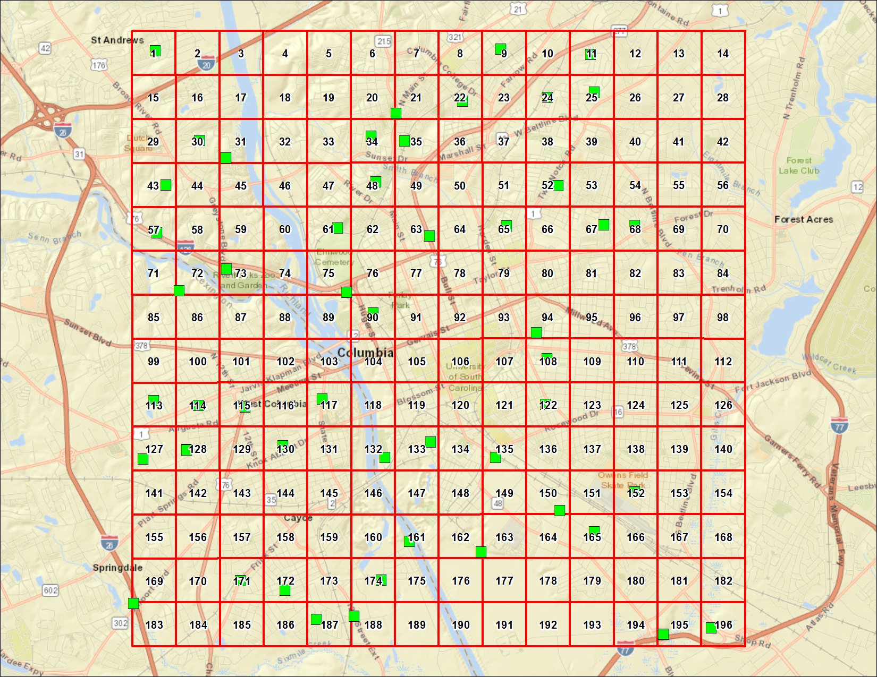
COLUMBIA, SOUTH CAROLINA
Station | DateSampled | Method | CASNumber | Analyte | Result | Primary Qualifiers | Units | MRL | Return to Urban Background Study Summary | Return to Locations
COL1 | 4/25/18 | CLP SOM02.4 B | 91-57-6 | 2-Methylnaphthalene | 200 | U | ug/kg dry | 200
COL1 | 4/25/18 | CLP SOM02.4 B | 83-32-9 | Acenaphthene | 200 | U | ug/kg dry | 200
COL1 | 4/25/18 | CLP SOM02.4 B | 208-96-8 | Acenaphthylene | 200 | U | ug/kg dry | 200
COL1 | 4/25/18 | CLP SOM02.4 B | 120-12-7 | Anthracene | 200 | U | ug/kg dry | 200
COL1 | 4/25/18 | CLP SOM02.4 B | 56-55-3 | Benzo(a)anthracene | 55 | J,O | ug/kg dry | 200
COL1 | 4/25/18 | CLP SOM02.4 B | 50-32-8 | Benzo(a)pyrene | 51 | J,O | ug/kg dry | 200
COL1 | 4/25/18 | CLP SOM02.4 B | 205-99-2 | Benzo(b)fluoranthene | 86 | J,O | ug/kg dry | 200
COL1 | 4/25/18 | CLP SOM02.4 B | 191-24-2 | Benzo(g,h,i)perylene | 200 | U | ug/kg dry | 200
COL1 | 4/25/18 | CLP SOM02.4 B | 207-08-9 | Benzo(k)fluoranthene | 200 | U | ug/kg dry | 200
COL1 | 4/25/18 | CLP SOM02.4 B | 218-01-9 | Chrysene | 62 | J,O | ug/kg dry | 200
COL1 | 4/25/18 | CLP SOM02.4 B | 53-70-3 | Dibenzo(a,h)anthracene | 200 | U | ug/kg dry | 200
COL1 | 4/25/18 | CLP SOM02.4 B | 206-44-0 | Fluoranthene | 130 | J,O | ug/kg dry | 200
COL1 | 4/25/18 | CLP SOM02.4 B | 86-73-7 | Fluorene | 200 | U | ug/kg dry | 200
COL1 | 4/25/18 | CLP SOM02.4 B | 193-39-5 | Indeno (1,2,3-cd) pyrene | 200 | U | ug/kg dry | 200
COL1 | 4/25/18 | CLP SOM02.4 B | 91-20-3 | Naphthalene | 200 | U | ug/kg dry | 200
COL1 | 4/25/18 | CLP SOM02.4 B | 85-01-8 | Phenanthrene | 50 | J,O | ug/kg dry | 200
COL1 | 4/25/18 | CLP SOM02.4 B | 129-00-0 | Pyrene | 96 | J,O | ug/kg dry | 200
COL108 | 4/24/18 | CLP SOM02.4 B | 91-57-6 | 2-Methylnaphthalene | 200 | U | ug/kg dry | 200
COL108 | 4/24/18 | CLP SOM02.4 B | 83-32-9 | Acenaphthene | 200 | U | ug/kg dry | 200
COL108 | 4/24/18 | CLP SOM02.4 B | 208-96-8 | Acenaphthylene | 200 | U | ug/kg dry | 200
COL108 | 4/24/18 | CLP SOM02.4 B | 120-12-7 | Anthracene | 200 | U | ug/kg dry | 200
COL108 | 4/24/18 | CLP SOM02.4 B | 56-55-3 | Benzo(a)anthracene | 200 | U | ug/kg dry | 200
COL108 | 4/24/18 | CLP SOM02.4 B | 50-32-8 | Benzo(a)pyrene | 200 | U | ug/kg dry | 200
COL108 | 4/24/18 | CLP SOM02.4 B | 205-99-2 | Benzo(b)fluoranthene | 200 | U | ug/kg dry | 200
COL108 | 4/24/18 | CLP SOM02.4 B | 191-24-2 | Benzo(g,h,i)perylene | 200 | U | ug/kg dry | 200
COL108 | 4/24/18 | CLP SOM02.4 B | 207-08-9 | Benzo(k)fluoranthene | 200 | U | ug/kg dry | 200
COL108 | 4/24/18 | CLP SOM02.4 B | 218-01-9 | Chrysene | 200 | U | ug/kg dry | 200
COL108 | 4/24/18 | CLP SOM02.4 B | 53-70-3 | Dibenzo(a,h)anthracene | 200 | U | ug/kg dry | 200
COL108 | 4/24/18 | CLP SOM02.4 B | 206-44-0 | Fluoranthene | 200 | U | ug/kg dry | 200
COL108 | 4/24/18 | CLP SOM02.4 B | 86-73-7 | Fluorene | 200 | U | ug/kg dry | 200
COL108 | 4/24/18 | CLP SOM02.4 B | 193-39-5 | Indeno (1,2,3-cd) pyrene | 200 | U | ug/kg dry | 200
COL108 | 4/24/18 | CLP SOM02.4 B | 91-20-3 | Naphthalene | 200 | U | ug/kg dry | 200
COL108 | 4/24/18 | CLP SOM02.4 B | 85-01-8 | Phenanthrene | 200 | U | ug/kg dry | 200
COL108 | 4/24/18 | CLP SOM02.4 B | 129-00-0 | Pyrene | 200 | U | ug/kg dry | 200
COL11 | 4/25/18 | CLP SOM02.4 B | 91-57-6 | 2-Methylnaphthalene | 200 | U | ug/kg dry | 200
COL11 | 4/25/18 | CLP SOM02.4 B | 83-32-9 | Acenaphthene | 200 | U | ug/kg dry | 200
COL11 | 4/25/18 | CLP SOM02.4 B | 208-96-8 | Acenaphthylene | 200 | U | ug/kg dry | 200
COL11 | 4/25/18 | CLP SOM02.4 B | 120-12-7 | Anthracene | 200 | U | ug/kg dry | 200
COL11 | 4/25/18 | CLP SOM02.4 B | 56-55-3 | Benzo(a)anthracene | 200 | U | ug/kg dry | 200
COL11 | 4/25/18 | CLP SOM02.4 B | 50-32-8 | Benzo(a)pyrene | 200 | U | ug/kg dry | 200
COL11 | 4/25/18 | CLP SOM02.4 B | 205-99-2 | Benzo(b)fluoranthene | 200 | U | ug/kg dry | 200
COL11 | 4/25/18 | CLP SOM02.4 B | 191-24-2 | Benzo(g,h,i)perylene | 200 | U | ug/kg dry | 200
COL11 | 4/25/18 | CLP SOM02.4 B | 207-08-9 | Benzo(k)fluoranthene | 200 | U | ug/kg dry | 200
COL11 | 4/25/18 | CLP SOM02.4 B | 218-01-9 | Chrysene | 200 | U | ug/kg dry | 200
COL11 | 4/25/18 | CLP SOM02.4 B | 53-70-3 | Dibenzo(a,h)anthracene | 200 | U | ug/kg dry | 200
COL11 | 4/25/18 | CLP SOM02.4 B | 206-44-0 | Fluoranthene | 200 | U | ug/kg dry | 200
COL11 | 4/25/18 | CLP SOM02.4 B | 86-73-7 | Fluorene | 200 | U | ug/kg dry | 200
COL11 | 4/25/18 | CLP SOM02.4 B | 193-39-5 | Indeno (1,2,3-cd) pyrene | 200 | U | ug/kg dry | 200
COL11 | 4/25/18 | CLP SOM02.4 B | 91-20-3 | Naphthalene | 200 | U | ug/kg dry | 200
COL11 | 4/25/18 | CLP SOM02.4 B | 85-01-8 | Phenanthrene | 200 | U | ug/kg dry | 200
COL11 | 4/25/18 | CLP SOM02.4 B | 129-00-0 | Pyrene | 200 | U | ug/kg dry | 200
COL113 | 4/24/18 | CLP SOM02.4 B | 91-57-6 | 2-Methylnaphthalene | 190 | U | ug/kg dry | 190
COL113 | 4/24/18 | CLP SOM02.4 B | 83-32-9 | Acenaphthene | 190 | U | ug/kg dry | 190
COL113 | 4/24/18 | CLP SOM02.4 B | 208-96-8 | Acenaphthylene | 190 | U | ug/kg dry | 190
COL113 | 4/24/18 | CLP SOM02.4 B | 120-12-7 | Anthracene | 190 | U | ug/kg dry | 190
COL113 | 4/24/18 | CLP SOM02.4 B | 56-55-3 | Benzo(a)anthracene | 190 | U | ug/kg dry | 190
COL113 | 4/24/18 | CLP SOM02.4 B | 50-32-8 | Benzo(a)pyrene | 48 | J,O | ug/kg dry | 190
COL113 | 4/24/18 | CLP SOM02.4 B | 205-99-2 | Benzo(b)fluoranthene | 99 | J,O | ug/kg dry | 190
COL113 | 4/24/18 | CLP SOM02.4 B | 191-24-2 | Benzo(g,h,i)perylene | 56 | J,O | ug/kg dry | 190
COL113 | 4/24/18 | CLP SOM02.4 B | 207-08-9 | Benzo(k)fluoranthene | 190 | U | ug/kg dry | 190
COL113 | 4/24/18 | CLP SOM02.4 B | 218-01-9 | Chrysene | 70 | J,O | ug/kg dry | 190
COL113 | 4/24/18 | CLP SOM02.4 B | 53-70-3 | Dibenzo(a,h)anthracene | 190 | U | ug/kg dry | 190
COL113 | 4/24/18 | CLP SOM02.4 B | 206-44-0 | Fluoranthene | 110 | J,O | ug/kg dry | 190
COL113 | 4/24/18 | CLP SOM02.4 B | 86-73-7 | Fluorene | 190 | U | ug/kg dry | 190
COL113 | 4/24/18 | CLP SOM02.4 B | 193-39-5 | Indeno (1,2,3-cd) pyrene | 43 | J,O | ug/kg dry | 190
COL113 | 4/24/18 | CLP SOM02.4 B | 91-20-3 | Naphthalene | 190 | U | ug/kg dry | 190
COL113 | 4/24/18 | CLP SOM02.4 B | 85-01-8 | Phenanthrene | 190 | U | ug/kg dry | 190
COL113 | 4/24/18 | CLP SOM02.4 B | 129-00-0 | Pyrene | 80 | J,O | ug/kg dry | 190
COL114 | 4/24/18 | CLP SOM02.4 B | 91-57-6 | 2-Methylnaphthalene | 190 | U | ug/kg dry | 190
COL114 | 4/24/18 | CLP SOM02.4 B | 83-32-9 | Acenaphthene | 190 | U | ug/kg dry | 190
COL114 | 4/24/18 | CLP SOM02.4 B | 208-96-8 | Acenaphthylene | 190 | U | ug/kg dry | 190
COL114 | 4/24/18 | CLP SOM02.4 B | 120-12-7 | Anthracene | 190 | U | ug/kg dry | 190
COL114 | 4/24/18 | CLP SOM02.4 B | 56-55-3 | Benzo(a)anthracene | 190 | U | ug/kg dry | 190
COL114 | 4/24/18 | CLP SOM02.4 B | 50-32-8 | Benzo(a)pyrene | 190 | U | ug/kg dry | 190
COL114 | 4/24/18 | CLP SOM02.4 B | 205-99-2 | Benzo(b)fluoranthene | 190 | U | ug/kg dry | 190
COL114 | 4/24/18 | CLP SOM02.4 B | 191-24-2 | Benzo(g,h,i)perylene | 190 | U | ug/kg dry | 190
COL114 | 4/24/18 | CLP SOM02.4 B | 207-08-9 | Benzo(k)fluoranthene | 190 | U | ug/kg dry | 190
COL114 | 4/24/18 | CLP SOM02.4 B | 218-01-9 | Chrysene | 190 | U | ug/kg dry | 190
COL114 | 4/24/18 | CLP SOM02.4 B | 53-70-3 | Dibenzo(a,h)anthracene | 190 | U | ug/kg dry | 190
COL114 | 4/24/18 | CLP SOM02.4 B | 206-44-0 | Fluoranthene | 190 | U | ug/kg dry | 190
COL114 | 4/24/18 | CLP SOM02.4 B | 86-73-7 | Fluorene | 190 | U | ug/kg dry | 190
COL114 | 4/24/18 | CLP SOM02.4 B | 193-39-5 | Indeno (1,2,3-cd) pyrene | 190 | U | ug/kg dry | 190
COL114 | 4/24/18 | CLP SOM02.4 B | 91-20-3 | Naphthalene | 190 | U | ug/kg dry | 190
COL114 | 4/24/18 | CLP SOM02.4 B | 85-01-8 | Phenanthrene | 190 | U | ug/kg dry | 190
COL114 | 4/24/18 | CLP SOM02.4 B | 129-00-0 | Pyrene | 190 | U | ug/kg dry | 190
COL115 | 4/24/18 | CLP SOM02.4 B | 91-57-6 | 2-Methylnaphthalene | 210 | U | ug/kg dry | 210
COL115 | 4/24/18 | CLP SOM02.4 B | 83-32-9 | Acenaphthene | 210 | U | ug/kg dry | 210
...

Gainesville, FL
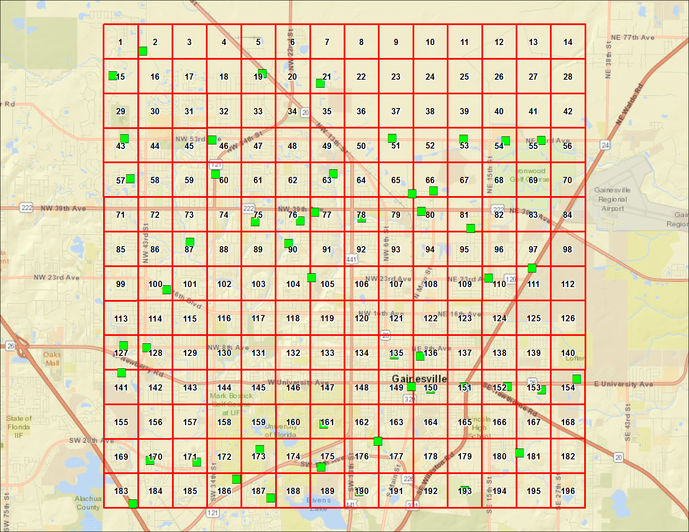
GAINESVILLE, FLORIDA
Analyte | Result | Primary Qualifiers | Units | MRL | Return to Urban Background Study Summary | Return to Locations
2-Methylnaphthalene | 74 | U | ug/kg dry | 74
Acenaphthene | 74 | U | ug/kg dry | 74
Acenaphthylene | 74 | U | ug/kg dry | 74
Anthracene | 74 | U | ug/kg dry | 74
Benzo(a)anthracene | 120 |  | ug/kg dry | 74
Benzo(a)pyrene | 150 |  | ug/kg dry | 74
Benzo(b)fluoranthene | 190 |  | ug/kg dry | 74
Benzo(g,h,i)perylene | 150 |  | ug/kg dry | 74
Benzo(k)fluoranthene | 160 |  | ug/kg dry | 74
Chrysene | 200 |  | ug/kg dry | 74
Dibenz(a,h)anthracene | 65 | J,O | ug/kg dry | 74
Fluoranthene | 280 |  | ug/kg dry | 74
Fluorene | 74 | U | ug/kg dry | 74
Indeno (1,2,3-cd) pyrene | 130 |  | ug/kg dry | 74
Naphthalene | 74 | U | ug/kg dry | 74
Phenanthrene | 71 | J,O | ug/kg dry | 74
Pyrene | 230 |  | ug/kg dry | 74
2-Methylnaphthalene | 74 | U | ug/kg dry | 74
Acenaphthene | 74 | U | ug/kg dry | 74
Acenaphthylene | 74 | U | ug/kg dry | 74
Anthracene | 74 | U | ug/kg dry | 74
Benzo(a)anthracene | 74 | U | ug/kg dry | 74
Benzo(a)pyrene | 74 | U | ug/kg dry | 74
Benzo(b)fluoranthene | 36 | J,O | ug/kg dry | 74
Benzo(g,h,i)perylene | 74 | U | ug/kg dry | 74
Benzo(k)fluoranthene | 74 | U | ug/kg dry | 74
Chrysene | 33 | J,O | ug/kg dry | 74
Dibenz(a,h)anthracene | 74 | U | ug/kg dry | 74
Fluoranthene | 74 | U | ug/kg dry | 74
Fluorene | 74 | U | ug/kg dry | 74
Indeno (1,2,3-cd) pyrene | 74 | U | ug/kg dry | 74
Naphthalene | 74 | U | ug/kg dry | 74
Phenanthrene | 74 | U | ug/kg dry | 74
Pyrene | 74 | U | ug/kg dry | 74
2-Methylnaphthalene | 76 | U | ug/kg dry | 76
Acenaphthene | 76 | U | ug/kg dry | 76
Acenaphthylene | 76 | U | ug/kg dry | 76
Anthracene | 76 | U | ug/kg dry | 76
Benzo(a)anthracene | 47 | J,O | ug/kg dry | 76
Benzo(a)pyrene | 72 | J,O | ug/kg dry | 76
...

Lexington, KY
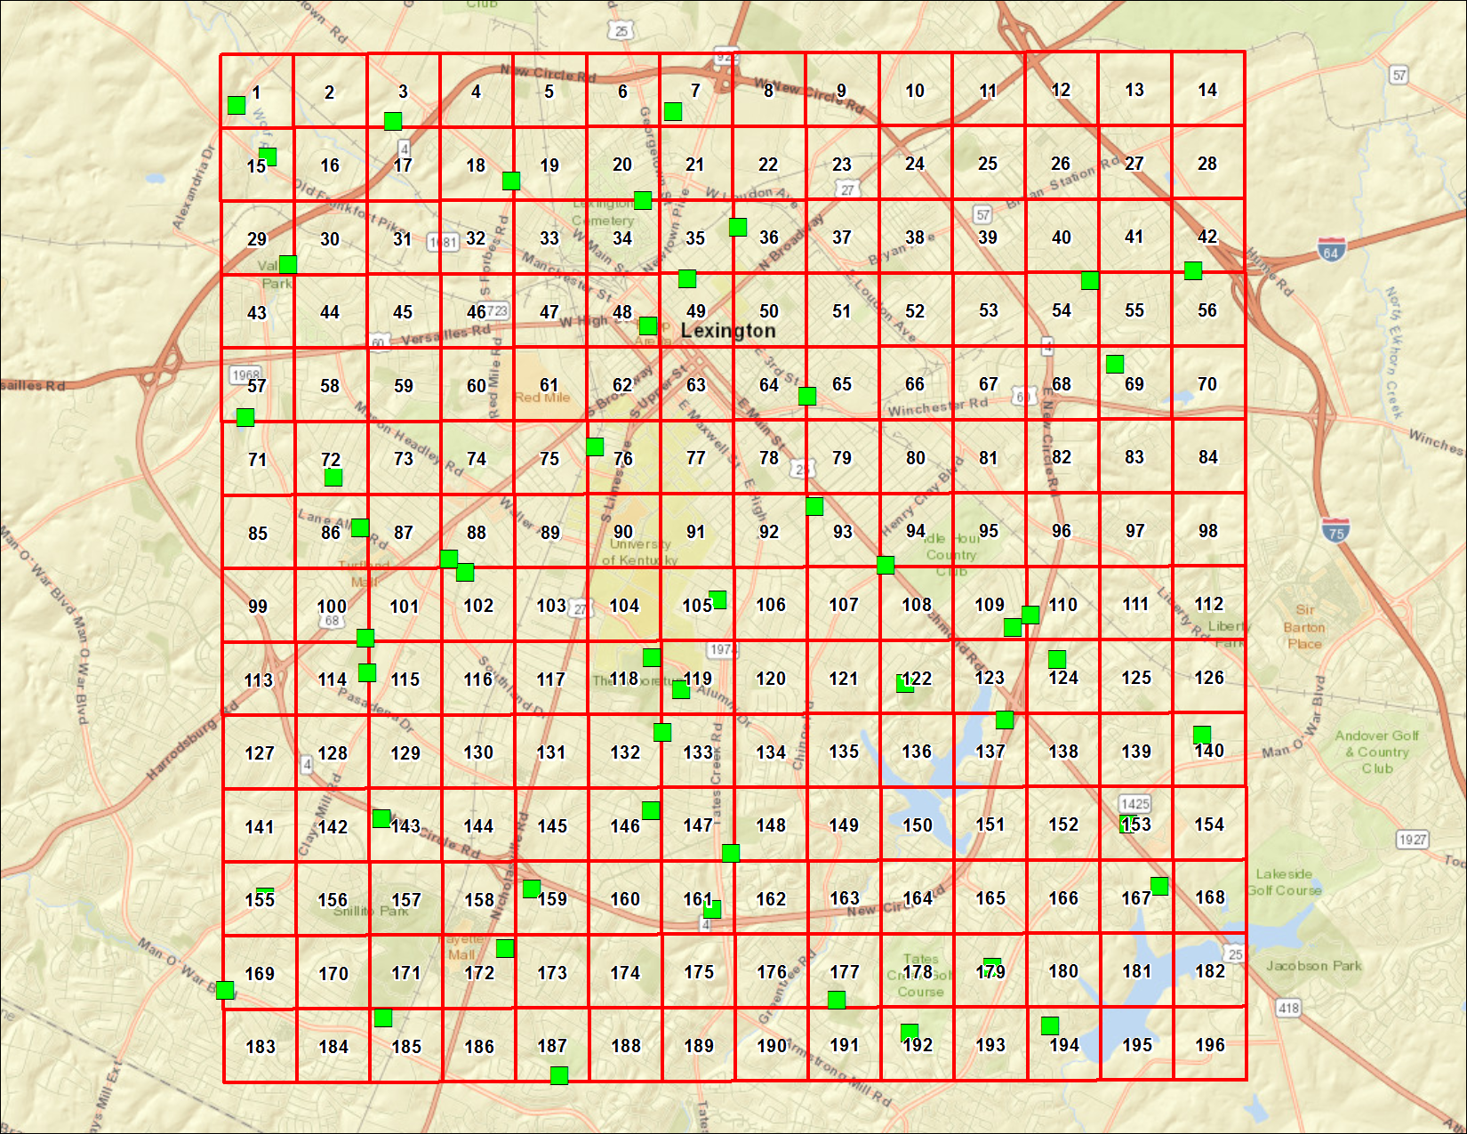
LEXINGTON, KENTUCKY
Analyte | Result | Primary Qualifiers | Units | MRL | Return to Urban Background Study Summary | Return to Locations
2-Methylnaphthalene | 220 | U | ug/kg dry | 220
Acenaphthene | 220 | U | ug/kg dry | 220
Acenaphthylene | 220 | U | ug/kg dry | 220
Anthracene | 220 | U | ug/kg dry | 220
Benzo(a)anthracene | 300 |  | ug/kg dry | 220
Benzo(a)pyrene | 320 |  | ug/kg dry | 220
Benzo(b)fluoranthene | 240 |  | ug/kg dry | 220
Benzo(g,h,i)perylene | 260 |  | ug/kg dry | 220
Benzo(k)fluoranthene | 250 | J,O | ug/kg dry | 220
Chrysene | 310 |  | ug/kg dry | 220
Dibenzo(a,h)anthracene | 220 | U | ug/kg dry | 220
Fluoranthene | 850 |  | ug/kg dry | 220
Fluorene | 220 | U | ug/kg dry | 220
Indeno (1,2,3-cd) pyrene | 220 |  | ug/kg dry | 220
Naphthalene | 220 | U | ug/kg dry | 220
Phenanthrene | 490 |  | ug/kg dry | 220
Pyrene | 660 |  | ug/kg dry | 220
2-Methylnaphthalene | 220 | U | ug/kg dry | 220
Acenaphthene | 220 | U | ug/kg dry | 220
Acenaphthylene | 220 | U | ug/kg dry | 220
Anthracene | 220 | U | ug/kg dry | 220
Benzo(a)anthracene | 220 | U | ug/kg dry | 220
Benzo(a)pyrene | 220 | U | ug/kg dry | 220
Benzo(b)fluoranthene | 220 | U | ug/kg dry | 220
Benzo(g,h,i)perylene | 220 | U | ug/kg dry | 220
Benzo(k)fluoranthene | 220 | U,J,O | ug/kg dry | 220
Chrysene | 220 | U | ug/kg dry | 220
Dibenzo(a,h)anthracene | 220 | U | ug/kg dry | 220
Fluoranthene | 160 | J,O | ug/kg dry | 220
Fluorene | 220 | U | ug/kg dry | 220
Indeno (1,2,3-cd) pyrene | 220 | U | ug/kg dry | 220
Naphthalene | 220 | U | ug/kg dry | 220
Phenanthrene | 220 | U | ug/kg dry | 220
Pyrene | 220 | U | ug/kg dry | 220
2-Methylnaphthalene | 220 | U | ug/kg dry | 220
Acenaphthene | 220 | U | ug/kg dry | 220
Acenaphthylene | 220 | U | ug/kg dry | 220
Anthracene | 220 | U | ug/kg dry | 220
Benzo(a)anthracene | 220 | U | ug/kg dry | 220
Benzo(a)pyrene | 160 | J,O | ug/kg dry | 220
...

Louisville, KY
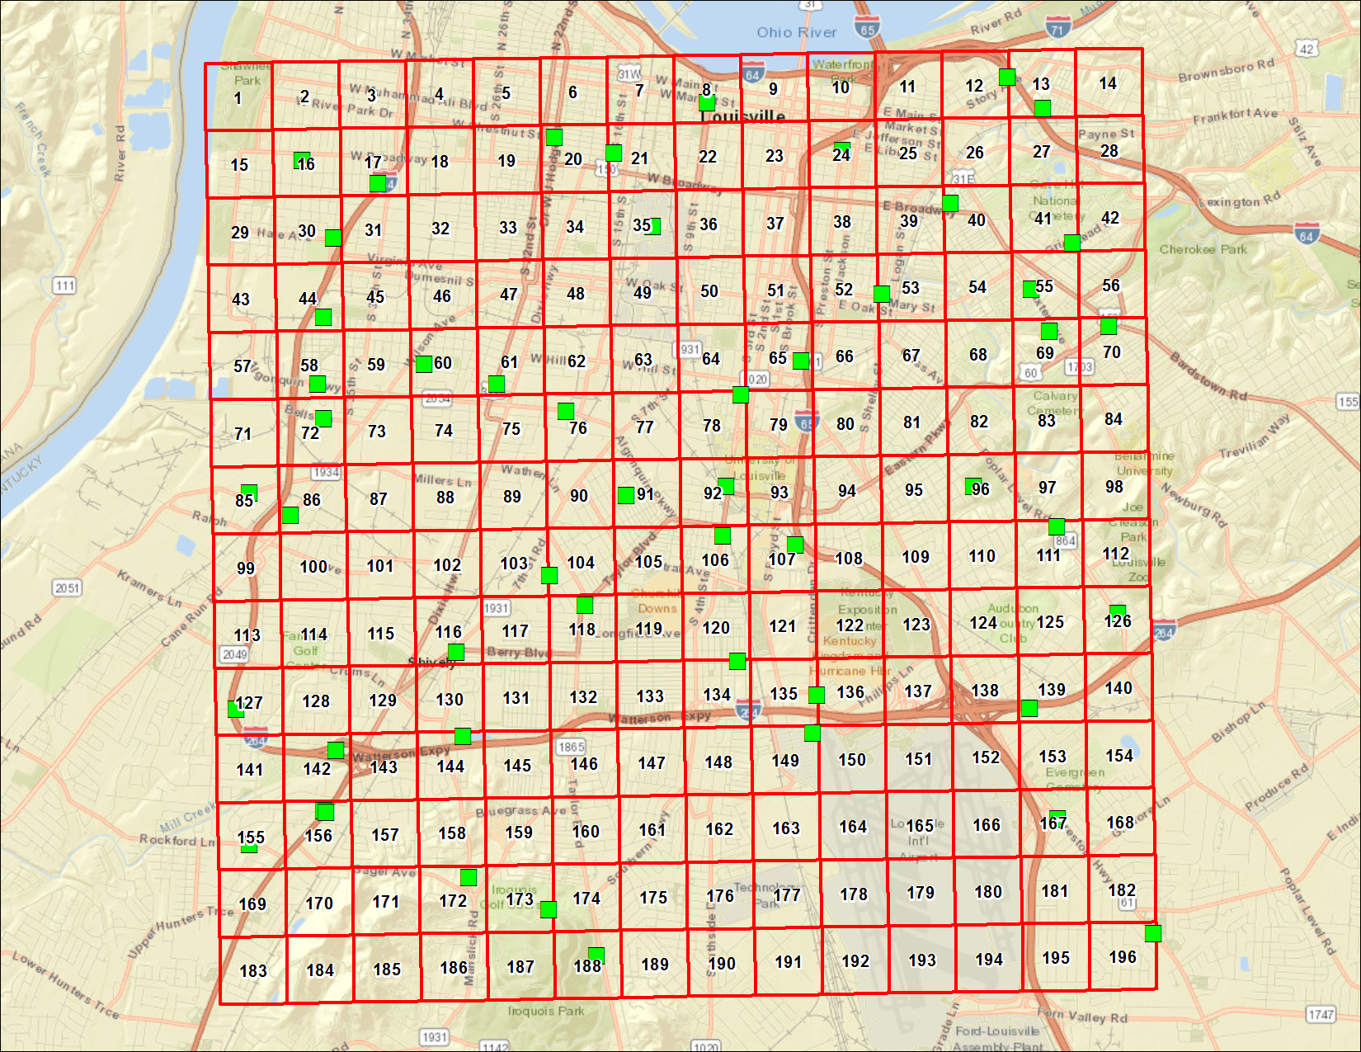
LOUISVILLE, KENTUCKY
Analyte | Result | Primary Qualifiers | Units | MRL | Return to Urban Background Study Summary | Return to Locations
2-Methylnaphthalene | 190 | U | ug/kg dry | 190
Acenaphthene | 190 | U | ug/kg dry | 190
Acenaphthylene | 190 | U | ug/kg dry | 190
Anthracene | 190 | U | ug/kg dry | 190
Benzo(a)anthracene | 190 | U | ug/kg dry | 190
Benzo(a)pyrene | 190 | U,J,O | ug/kg dry | 190
Benzo(b)fluoranthene | 190 | U | ug/kg dry | 190
Benzo(g,h,i)perylene | 190 | U | ug/kg dry | 190
Benzo(k)fluoranthene | 190 | U | ug/kg dry | 190
Chrysene | 120 | J,O | ug/kg dry | 190
Dibenzo(a,h)anthracene | 190 | U | ug/kg dry | 190
Fluoranthene | 120 | J,O | ug/kg dry | 190
Fluorene | 190 | U | ug/kg dry | 190
Indeno (1,2,3-cd) pyrene | 190 | U | ug/kg dry | 190
Naphthalene | 190 | U | ug/kg dry | 190
Phenanthrene | 190 | U | ug/kg dry | 190
Pyrene | 110 | J,O | ug/kg dry | 190
2-Methylnaphthalene | 140 | J,O | ug/kg dry | 220
Acenaphthene | 220 | U | ug/kg dry | 220
Acenaphthylene | 220 | U | ug/kg dry | 220
Anthracene | 140 | J,O | ug/kg dry | 220
Benzo(a)anthracene | 1100 |  | ug/kg dry | 220
Benzo(a)pyrene | 1500 | J,O | ug/kg dry | 220
Benzo(b)fluoranthene | 1800 |  | ug/kg dry | 220
Benzo(g,h,i)perylene | 1300 |  | ug/kg dry | 220
Benzo(k)fluoranthene | 1500 |  | ug/kg dry | 220
Chrysene | 1600 | J,O | ug/kg dry | 220
Dibenzo(a,h)anthracene | 350 |  | ug/kg dry | 220
Fluoranthene | 3200 |  | ug/kg dry | 220
Fluorene | 220 | U | ug/kg dry | 220
Indeno (1,2,3-cd) pyrene | 1200 |  | ug/kg dry | 220
Naphthalene | 220 | U | ug/kg dry | 220
Phenanthrene | 1000 |  | ug/kg dry | 220
Pyrene | 2100 |  | ug/kg dry | 220
2-Methylnaphthalene | 570 |  | ug/kg dry | 220
Acenaphthene | 220 | U | ug/kg dry | 220
Acenaphthylene | 220 | U | ug/kg dry | 220
Anthracene | 220 | U | ug/kg dry | 220
Benzo(a)anthracene | 220 | U | ug/kg dry | 220
Benzo(a)pyrene | 160 | J,O | ug/kg dry | 220
...

Memphis, TN
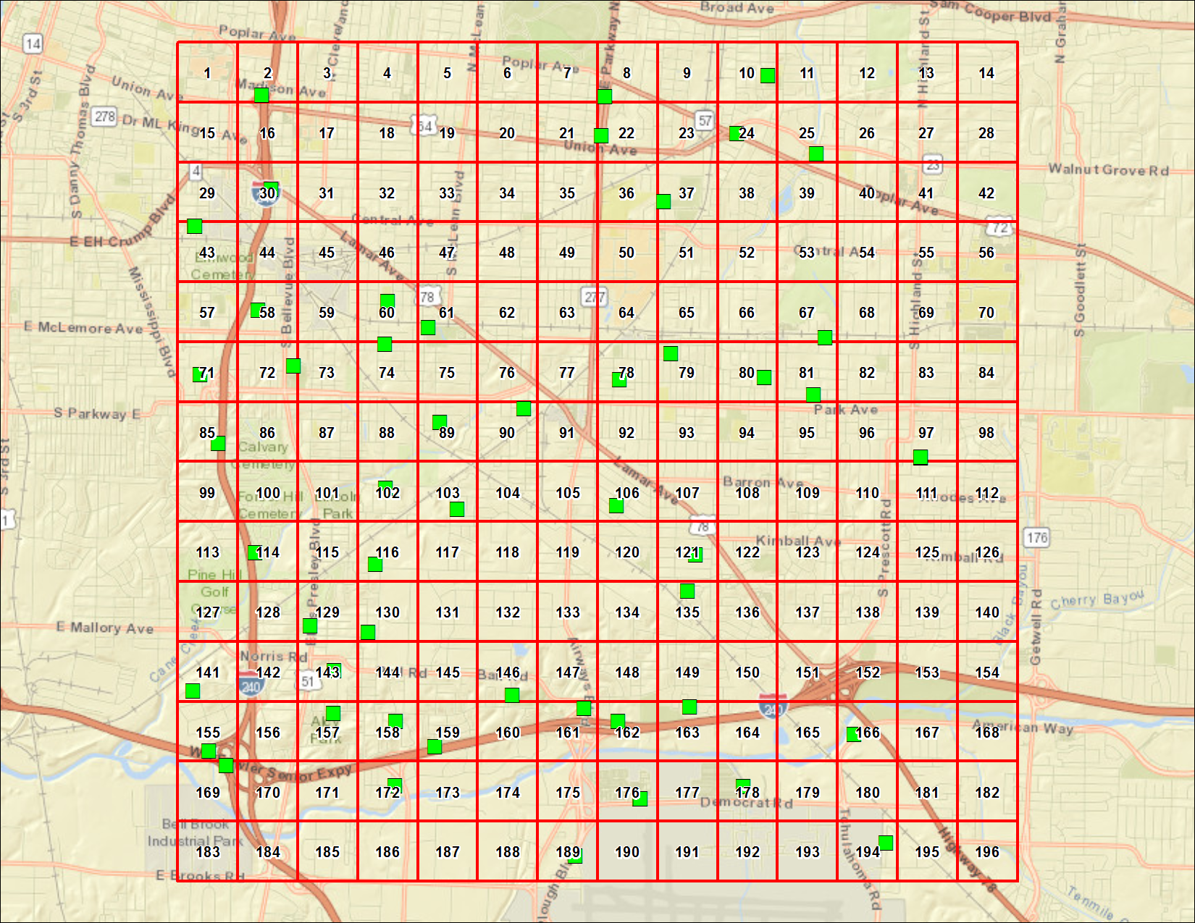
MEMPHIS, TENNESSEE
Analyte | Result | Primary Qualifiers | Units | MRL | Return to Urban Background Study Summary | Return to Locations
2-Methylnaphthalene | 190 | U | ug/kg dry | 190
Acenaphthene | 190 | U | ug/kg dry | 190
Acenaphthylene | 190 | U | ug/kg dry | 190
Anthracene | 190 | U | ug/kg dry | 190
Benzo(a)anthracene | 72 | J,O | ug/kg dry | 190
Benzo(a)pyrene | 93 | J,O | ug/kg dry | 190
Benzo(b)fluoranthene | 160 | J,O | ug/kg dry | 190
Benzo(g,h,i)perylene | 50 | J,O | ug/kg dry | 190
Benzo(k)fluoranthene | 61 | J,O | ug/kg dry | 190
Chrysene | 97 | J,O | ug/kg dry | 190
Dibenzo(a,h)anthracene | 190 | U,J,O | ug/kg dry | 190
Fluoranthene | 160 | J,O | ug/kg dry | 190
Fluorene | 190 | U | ug/kg dry | 190
Indeno (1,2,3-cd) pyrene | 50 | J,O | ug/kg dry | 190
Naphthalene | 190 | U | ug/kg dry | 190
Phenanthrene | 57 | J,O | ug/kg dry | 190
Pyrene | 120 | J,O | ug/kg dry | 190
2-Methylnaphthalene | 230 | U | ug/kg dry | 230
Acenaphthene | 37 | J,O | ug/kg dry | 230
Acenaphthylene | 26 | J,O | ug/kg dry | 230
Anthracene | 130 | J,O | ug/kg dry | 230
Benzo(a)anthracene | 990 | J,O | ug/kg dry | 230
Benzo(a)pyrene | 1200 | J,O | ug/kg dry | 230
Benzo(b)fluoranthene | 2300 | J,O | ug/kg dry | 230
Benzo(g,h,i)perylene | 310 | J,O | ug/kg dry | 230
Benzo(k)fluoranthene | 1300 | J,O | ug/kg dry | 230
Chrysene | 970 | J,O | ug/kg dry | 230
Dibenzo(a,h)anthracene | 230 | U,R,O | ug/kg dry | 230
Fluoranthene | 1800 | J,O | ug/kg dry | 230
Fluorene | 37 | J,O | ug/kg dry | 230
Indeno (1,2,3-cd) pyrene | 340 | J,O | ug/kg dry | 230
Naphthalene | 230 | U | ug/kg dry | 230
Phenanthrene | 580 |  | ug/kg dry | 230
Pyrene | 2200 | J,O | ug/kg dry | 230
2-Methylnaphthalene | 220 | U | ug/kg dry | 220
Acenaphthene | 220 | U | ug/kg dry | 220
Acenaphthylene | 220 | U | ug/kg dry | 220
Anthracene | 220 | U | ug/kg dry | 220
Benzo(a)anthracene | 37 | J,O | ug/kg dry | 220
Benzo(a)pyrene | 43 | J,O | ug/kg dry | 220
...

Raleigh, NC
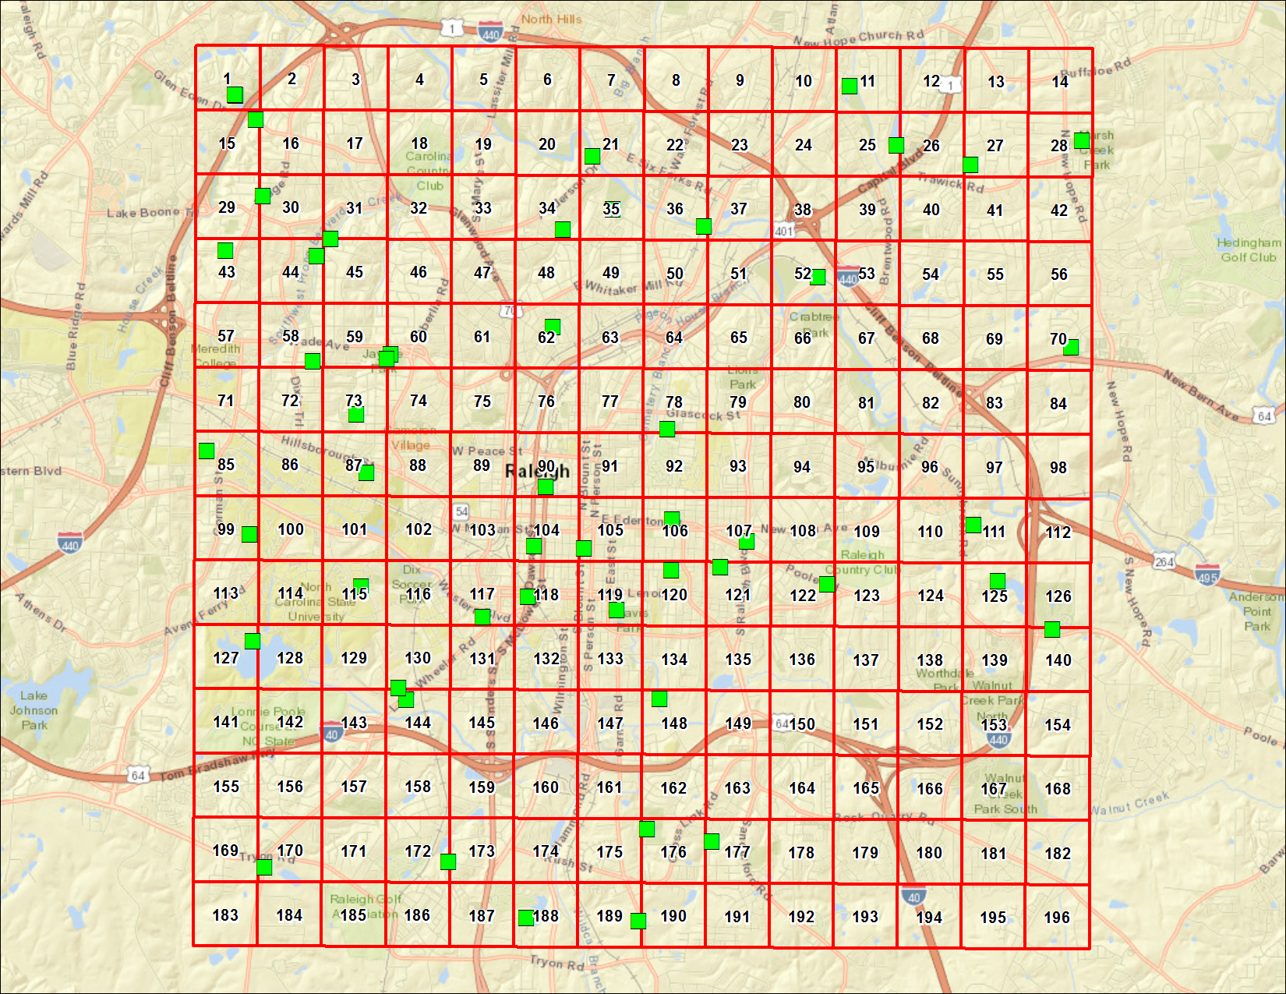
RALEIGH, NORTH CAROLINA
Analyte | Result | Primary Qualifiers | Units | MRL | Return to Urban Background Study Summary | Return to Locations
2-Methylnaphthalene | 220 | U | ug/kg dry | 220
Acenaphthene | 220 | U | ug/kg dry | 220
Acenaphthylene | 220 | U | ug/kg dry | 220
Anthracene | 220 | U | ug/kg dry | 220
Benzo(a)anthracene | 220 | U | ug/kg dry | 220
Benzo(a)pyrene | 220 | U | ug/kg dry | 220
Benzo(b)fluoranthene | 220 | U | ug/kg dry | 220
Benzo(g,h,i)perylene | 220 | U | ug/kg dry | 220
Benzo(k)fluoranthene | 220 | U | ug/kg dry | 220
Chrysene | 220 | U | ug/kg dry | 220
Dibenzo(a,h)anthracene | 220 | U | ug/kg dry | 220
Fluoranthene | 220 | U | ug/kg dry | 220
Fluorene | 220 | U | ug/kg dry | 220
Indeno (1,2,3-cd) pyrene | 220 | U | ug/kg dry | 220
Naphthalene | 220 | U | ug/kg dry | 220
Phenanthrene | 220 | U | ug/kg dry | 220
Pyrene | 220 | U | ug/kg dry | 220
2-Methylnaphthalene | 230 | U | ug/kg dry | 230
Acenaphthene | 230 | U | ug/kg dry | 230
Acenaphthylene | 230 | U | ug/kg dry | 230
Anthracene | 230 | U | ug/kg dry | 230
Benzo(a)anthracene | 230 | U | ug/kg dry | 230
Benzo(a)pyrene | 230 | U | ug/kg dry | 230
Benzo(b)fluoranthene | 230 | U | ug/kg dry | 230
Benzo(g,h,i)perylene | 230 | U | ug/kg dry | 230
Benzo(k)fluoranthene | 230 | U | ug/kg dry | 230
Chrysene | 230 | U | ug/kg dry | 230
Dibenzo(a,h)anthracene | 230 | U | ug/kg dry | 230
Fluoranthene | 230 | U | ug/kg dry | 230
Fluorene | 230 | U | ug/kg dry | 230
Indeno (1,2,3-cd) pyrene | 230 | U | ug/kg dry | 230
Naphthalene | 230 | U | ug/kg dry | 230
Phenanthrene | 230 | U | ug/kg dry | 230
Pyrene | 230 | U | ug/kg dry | 230
2-Methylnaphthalene | 200 | U | ug/kg dry | 200
Acenaphthene | 200 | U | ug/kg dry | 200
Acenaphthylene | 200 | U | ug/kg dry | 200
Anthracene | 200 | U | ug/kg dry | 200
Benzo(a)anthracene | 84 | J,O | ug/kg dry | 200
Benzo(a)pyrene | 120 | J,O | ug/kg dry | 200
...

Winston-Salem, NC
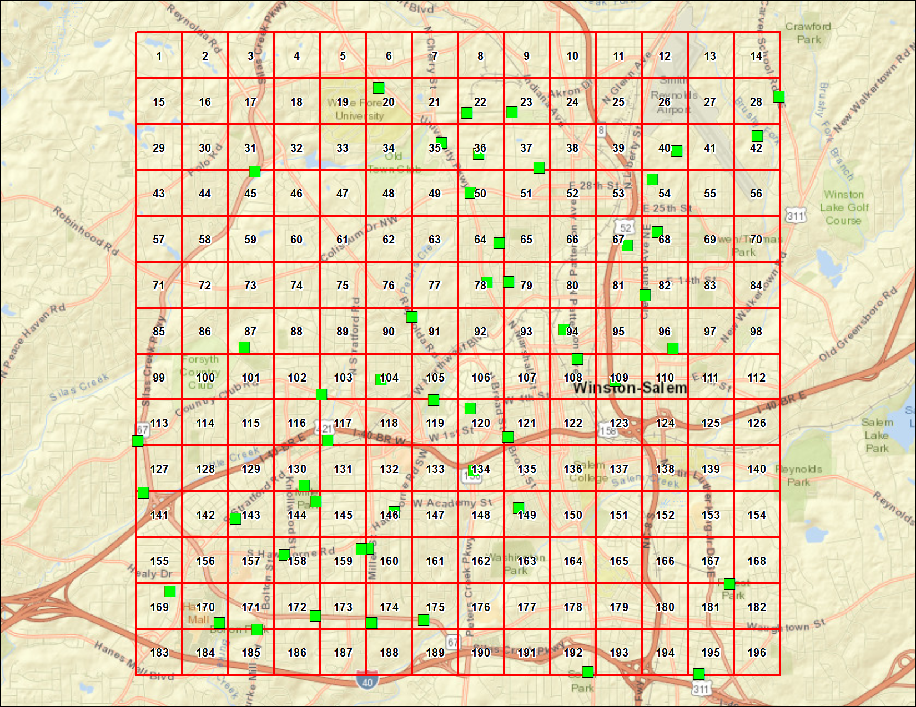
WINSTON-SALEM, NORTH CAROLINA
Analyte | Result | Primary Qualifiers | Units | MRL | Return to Urban Background Study Summary | Return to Locations
2-Methylnaphthalene | 190 | U | ug/kg dry | 190
Acenaphthene | 190 | U | ug/kg dry | 190
Acenaphthylene | 190 | U | ug/kg dry | 190
Anthracene | 65 | J,O | ug/kg dry | 190
Benzo(a)anthracene | 550 |  | ug/kg dry | 190
Benzo(a)pyrene | 600 |  | ug/kg dry | 190
Benzo(b)fluoranthene | 1100 |  | ug/kg dry | 190
Benzo(g,h,i)perylene | 280 | J,O | ug/kg dry | 190
Benzo(k)fluoranthene | 370 |  | ug/kg dry | 190
Chrysene | 700 |  | ug/kg dry | 190
Dibenzo(a,h)anthracene | 74 | J,O | ug/kg dry | 190
Fluoranthene | 1500 |  | ug/kg dry | 190
Fluorene | 190 | U | ug/kg dry | 190
Indeno (1,2,3-cd) pyrene | 290 |  | ug/kg dry | 190
Naphthalene | 190 | U | ug/kg dry | 190
Phenanthrene | 600 |  | ug/kg dry | 190
Pyrene | 1100 |  | ug/kg dry | 190
2-Methylnaphthalene | 190 | U | ug/kg dry | 190
Acenaphthene | 190 | U | ug/kg dry | 190
Acenaphthylene | 190 | U | ug/kg dry | 190
Anthracene | 190 | U | ug/kg dry | 190
Benzo(a)anthracene | 180 | J,O | ug/kg dry | 190
Benzo(a)pyrene | 210 |  | ug/kg dry | 190
Benzo(b)fluoranthene | 400 |  | ug/kg dry | 190
Benzo(g,h,i)perylene | 120 | J,O | ug/kg dry | 190
Benzo(k)fluoranthene | 100 | J,O | ug/kg dry | 190
Chrysene | 260 |  | ug/kg dry | 190
Dibenzo(a,h)anthracene | 190 | U | ug/kg dry | 190
Fluoranthene | 450 |  | ug/kg dry | 190
Fluorene | 190 | U | ug/kg dry | 190
Indeno (1,2,3-cd) pyrene | 120 | J,O | ug/kg dry | 190
Naphthalene | 190 | U | ug/kg dry | 190
Phenanthrene | 150 | J,O | ug/kg dry | 190
Pyrene | 360 |  | ug/kg dry | 190
2-Methylnaphthalene | 180 | U | ug/kg dry | 180
Acenaphthene | 180 | U | ug/kg dry | 180
Acenaphthylene | 30 | J,O | ug/kg dry | 180
Anthracene | 56 | J,O | ug/kg dry | 180
Benzo(a)anthracene | 330 |  | ug/kg dry | 180
Benzo(a)pyrene | 360 |  | ug/kg dry | 180
...

