Urban Background Study Summary
REGION 4 URBAN BACKGROUND STUDY
An Inter-Agency Research Project
The U.S. Environmental Protection Agency (USEPA) and Southeastern states are conducting a collaborative research project. The purpose of the project is to document background concentrations of selected environmental parameters in surface soils of urban areas of the Southeastern United States. Surface soil, the top two inches of the soil profile, is assumed to be the primary human exposure source via ingestion. The selected parameters are chemicals that are typically found in all urban environments.
Because the goal is to collect a database of the background concentrations of these chemicals, the study is purposefully designed to avoid sampling areas of known or suspected contaminant releases. The intended use of the data collected from this project is to inform and provide context to environmental investigations conducted by USEPA and its State and local partners. The data will be especially useful for providing background information for Brownfields redevelopment projects, Superfund projects, and other environmental restoration projects that aim to restore contaminated property to beneficial reuse.
Cities were selected for inclusion in this research project based upon the input and recommendations of representatives from the participating States. Currently data has been collected for eight cities, but there may be additional sampling efforts performed that may add to this database. In each of the cities, potential sampling locations were identified through use of a sampling grid and a random selection process. The potential sample locations were then vetted to the extent possible to ensure that the sampled locations were representative of background urban conditions. If any locations were thought to be unsuitable for the purposes of the project, they were replaced with the next randomly selected grid cell. A summary presentation and the Sampling and Analysis Plan (SAP) can be obtained by clicking on the "Urban Background Study Webinar" hyperlink below. Explanations of the decision process for selecting sampling locations and the methods employed for sample collection are provided in the SAP. All samples are assumed to represent local background conditions and are assumed to not have resulted from releases from contaminated sites.
A map of the Southeast States and sampled cities is provided under the "Locations" worksheet and can be accessed by hyperlink below. From the "Locations" worksheet, one can then access a data summary for "All Cities" or individual city data summaries and sampling grid maps.


Urban Background Study Webinar | Locations
Please consult with EPA Region 4 to determine if use of this information is appropriate for your purposes. The data are intended to serve as an aid in the investigation and evaluation of sites/properties in Region 4. It is not meant as a regulatory document and any statements herein are not legally binding.
Additional Information:
Tim Frederick
USEPA Region 4
Superfund Division
frederick.tim@epa.gov
404-562-8598

Locations
This map identifies cities in the Southeast Region states for which urban soil background sampling has been completed. Hyperlinks to data worksheets for individual cities are included to the left and right of the map. Click on a "City" hyperlink to go directly to the posted soil concentration data and a map showing the sampling grid and randomly sampled locations. For a comprehensive list of posted soil concentration data for all cities, click on the "Data (All Cities)" hyperlink. For additional information on analytical methods, defenitions for soil concentration data qualifiers, and explanations of acronyms, click on the "Additional Information" hyperlink below.

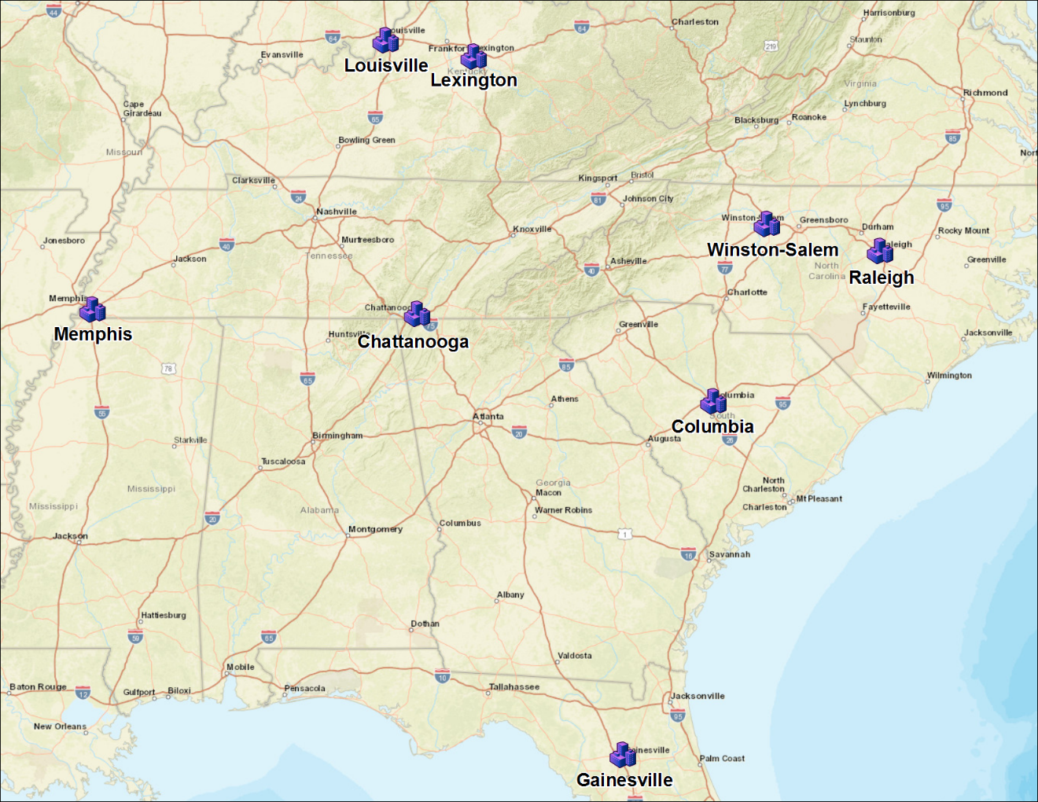
 | Louisville | Raleigh

 | Lexington | Winston-Salem

 | Memphis | Columbia

 | Chattanooga | Gainesville

Data (All Cities)

Additional Information

Study Summary

Chattanooga, TN
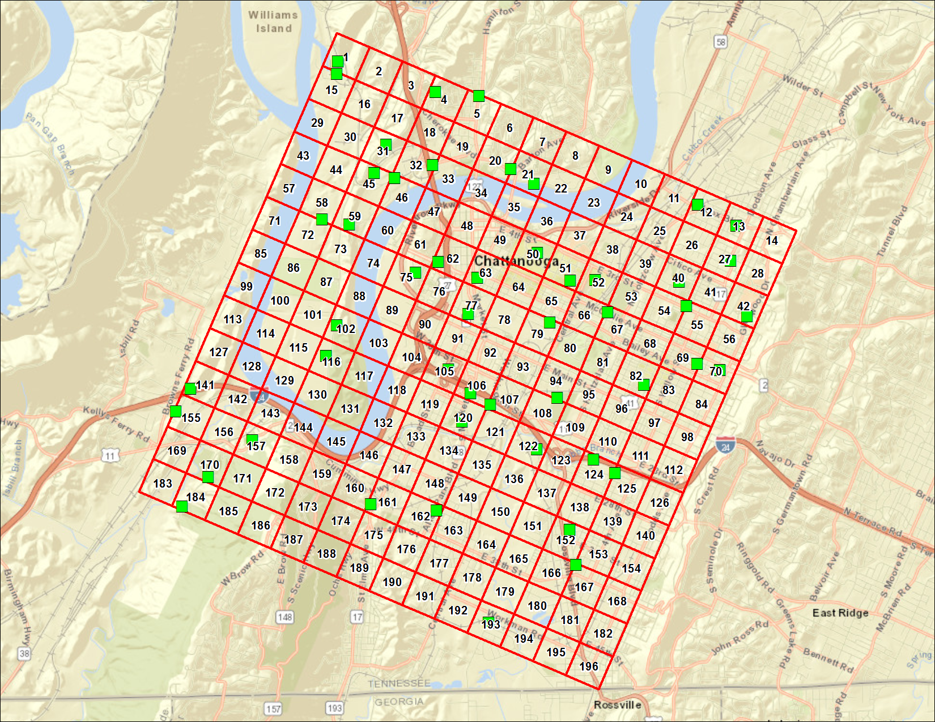
CHATTANOOGA, TENNESSEE
Station | DateSampled | Method | CASNumber | Analyte | Result | Primary Qualifiers | Units | MRL | Return to Urban Background Study Summary | Return to Locations
CHT001 | 9/26/16 | CLP ISM02.3 MS | 7440-38-2 | Arsenic | 1.8 |  | mg/kg dry | 0.48
CHT001 | 9/26/16 | CLP ISM02.3 MS | 7440-39-3 | Barium | 530 |  | mg/kg dry | 4.8
CHT001 | 9/26/16 | CLP ISM02.3 MS | 7440-43-9 | Cadmium | 0.48 | U | mg/kg dry | 0.48
CHT001 | 9/26/16 | CLP ISM02.3 MS | 7440-47-3 | Chromium | 17 |  | mg/kg dry | 0.96
CHT001 | 9/26/16 | CLP ISM02.3 MS | 7440-50-8 | Copper | 15 |  | mg/kg dry | 0.96
CHT001 | 9/26/16 | CLP ISM02.3 MS | 7439-92-1 | Lead | 14 |  | mg/kg dry | 0.48
CHT001 | 9/26/16 | CLP ISM02.3 MS | 7440-02-0 | Nickel | 14 |  | mg/kg dry | 0.48
CHT001 | 9/26/16 | CLP ISM02.3 MS | 7782-49-2 | Selenium | 2.4 | U | mg/kg dry | 2.4
CHT001 | 9/26/16 | CLP ISM02.3 MS | 7440-22-4 | Silver | 0.48 | U | mg/kg dry | 0.48
CHT001 | 9/26/16 | CLP ISM02.3 MS | 7440-66-6 | Zinc | 110 |  | mg/kg dry | 0.96
CHT004 | 9/27/16 | CLP ISM02.3 MS | 7440-38-2 | Arsenic | 14 |  | mg/kg dry | 0.49
CHT004 | 9/27/16 | CLP ISM02.3 MS | 7440-39-3 | Barium | 38 |  | mg/kg dry | 4.9
CHT004 | 9/27/16 | CLP ISM02.3 MS | 7440-43-9 | Cadmium | 0.49 | U | mg/kg dry | 0.49
CHT004 | 9/27/16 | CLP ISM02.3 MS | 7440-47-3 | Chromium | 16 |  | mg/kg dry | 0.98
CHT004 | 9/27/16 | CLP ISM02.3 MS | 7440-50-8 | Copper | 21 |  | mg/kg dry | 0.98
CHT004 | 9/27/16 | CLP ISM02.3 MS | 7439-92-1 | Lead | 35 |  | mg/kg dry | 0.49
CHT004 | 9/27/16 | CLP ISM02.3 MS | 7440-02-0 | Nickel | 26 |  | mg/kg dry | 0.49
CHT004 | 9/27/16 | CLP ISM02.3 MS | 7782-49-2 | Selenium | 2.5 | U | mg/kg dry | 2.5
CHT004 | 9/27/16 | CLP ISM02.3 MS | 7440-22-4 | Silver | 0.49 | U | mg/kg dry | 0.49
CHT004 | 9/27/16 | CLP ISM02.3 MS | 7440-66-6 | Zinc | 93 |  | mg/kg dry | 0.98
CHT005 | 9/27/16 | CLP ISM02.3 MS | 7440-38-2 | Arsenic | 2 |  | mg/kg dry | 0.48
CHT005 | 9/27/16 | CLP ISM02.3 MS | 7440-39-3 | Barium | 150 |  | mg/kg dry | 4.8
CHT005 | 9/27/16 | CLP ISM02.3 MS | 7440-43-9 | Cadmium | 0.51 |  | mg/kg dry | 0.48
CHT005 | 9/27/16 | CLP ISM02.3 MS | 7440-47-3 | Chromium | 25 |  | mg/kg dry | 0.96
CHT005 | 9/27/16 | CLP ISM02.3 MS | 7440-50-8 | Copper | 18 |  | mg/kg dry | 0.96
CHT005 | 9/27/16 | CLP ISM02.3 MS | 7439-92-1 | Lead | 40 |  | mg/kg dry | 0.48
CHT005 | 9/27/16 | CLP ISM02.3 MS | 7440-02-0 | Nickel | 14 |  | mg/kg dry | 0.48
CHT005 | 9/27/16 | CLP ISM02.3 MS | 7782-49-2 | Selenium | 2.4 | U | mg/kg dry | 2.4
CHT005 | 9/27/16 | CLP ISM02.3 MS | 7440-22-4 | Silver | 0.48 | U | mg/kg dry | 0.48
CHT005 | 9/27/16 | CLP ISM02.3 MS | 7440-66-6 | Zinc | 150 |  | mg/kg dry | 0.96
CHT012 | 9/26/16 | CLP ISM02.3 MS | 7440-38-2 | Arsenic | 5.3 |  | mg/kg dry | 0.5
CHT012 | 9/26/16 | CLP ISM02.3 MS | 7440-39-3 | Barium | 77 |  | mg/kg dry | 5
CHT012 | 9/26/16 | CLP ISM02.3 MS | 7440-43-9 | Cadmium | 0.59 |  | mg/kg dry | 0.5
CHT012 | 9/26/16 | CLP ISM02.3 MS | 7440-47-3 | Chromium | 24 |  | mg/kg dry | 1
CHT012 | 9/26/16 | CLP ISM02.3 MS | 7440-50-8 | Copper | 24 |  | mg/kg dry | 1
CHT012 | 9/26/16 | CLP ISM02.3 MS | 7439-92-1 | Lead | 160 |  | mg/kg dry | 0.5
CHT012 | 9/26/16 | CLP ISM02.3 MS | 7440-02-0 | Nickel | 14 |  | mg/kg dry | 0.5
CHT012 | 9/26/16 | CLP ISM02.3 MS | 7782-49-2 | Selenium | 2.5 | U | mg/kg dry | 2.5
CHT012 | 9/26/16 | CLP ISM02.3 MS | 7440-22-4 | Silver | 0.5 | U | mg/kg dry | 0.5
CHT012 | 9/26/16 | CLP ISM02.3 MS | 7440-66-6 | Zinc | 190 |  | mg/kg dry | 1
CHT012-DUP | 9/26/16 | CLP ISM02.3 MS | 7440-38-2 | Arsenic | 5.9 |  | mg/kg dry | 0.49
CHT012-DUP | 9/26/16 | CLP ISM02.3 MS | 7440-39-3 | Barium | 73 |  | mg/kg dry | 4.9
CHT012-DUP | 9/26/16 | CLP ISM02.3 MS | 7440-43-9 | Cadmium | 0.49 | U | mg/kg dry | 0.49
CHT012-DUP | 9/26/16 | CLP ISM02.3 MS | 7440-47-3 | Chromium | 19 |  | mg/kg dry | 0.98
CHT012-DUP | 9/26/16 | CLP ISM02.3 MS | 7440-50-8 | Copper | 25 |  | mg/kg dry | 0.98
CHT012-DUP | 9/26/16 | CLP ISM02.3 MS | 7439-92-1 | Lead | 140 |  | mg/kg dry | 0.49
CHT012-DUP | 9/26/16 | CLP ISM02.3 MS | 7440-02-0 | Nickel | 14 |  | mg/kg dry | 0.49
CHT012-DUP | 9/26/16 | CLP ISM02.3 MS | 7782-49-2 | Selenium | 2.5 | U | mg/kg dry | 2.5
CHT012-DUP | 9/26/16 | CLP ISM02.3 MS | 7440-22-4 | Silver | 0.49 | U | mg/kg dry | 0.49
CHT012-DUP | 9/26/16 | CLP ISM02.3 MS | 7440-66-6 | Zinc | 160 |  | mg/kg dry | 0.98
CHT013 | 9/26/16 | CLP ISM02.3 MS | 7440-38-2 | Arsenic | 2.3 |  | mg/kg dry | 0.48
CHT013 | 9/26/16 | CLP ISM02.3 MS | 7440-39-3 | Barium | 95 |  | mg/kg dry | 4.8
CHT013 | 9/26/16 | CLP ISM02.3 MS | 7440-43-9 | Cadmium | 0.48 | U | mg/kg dry | 0.48
CHT013 | 9/26/16 | CLP ISM02.3 MS | 7440-47-3 | Chromium | 21 |  | mg/kg dry | 0.95
CHT013 | 9/26/16 | CLP ISM02.3 MS | 7440-50-8 | Copper | 13 |  | mg/kg dry | 0.95
CHT013 | 9/26/16 | CLP ISM02.3 MS | 7439-92-1 | Lead | 38 |  | mg/kg dry | 0.48
CHT013 | 9/26/16 | CLP ISM02.3 MS | 7440-02-0 | Nickel | 7 |  | mg/kg dry | 0.48
CHT013 | 9/26/16 | CLP ISM02.3 MS | 7782-49-2 | Selenium | 2.4 | U | mg/kg dry | 2.4
CHT013 | 9/26/16 | CLP ISM02.3 MS | 7440-22-4 | Silver | 0.48 | U | mg/kg dry | 0.48
CHT013 | 9/26/16 | CLP ISM02.3 MS | 7440-66-6 | Zinc | 160 |  | mg/kg dry | 0.95
CHT015 | 9/26/16 | CLP ISM02.3 MS | 7440-38-2 | Arsenic | 2.5 |  | mg/kg dry | 0.48
CHT015 | 9/26/16 | CLP ISM02.3 MS | 7440-39-3 | Barium | 890 |  | mg/kg dry | 4.8
CHT015 | 9/26/16 | CLP ISM02.3 MS | 7440-43-9 | Cadmium | 0.58 |  | mg/kg dry | 0.48
CHT015 | 9/26/16 | CLP ISM02.3 MS | 7440-47-3 | Chromium | 24 |  | mg/kg dry | 0.97
CHT015 | 9/26/16 | CLP ISM02.3 MS | 7440-50-8 | Copper | 31 |  | mg/kg dry | 0.97
CHT015 | 9/26/16 | CLP ISM02.3 MS | 7439-92-1 | Lead | 37 |  | mg/kg dry | 0.48
CHT015 | 9/26/16 | CLP ISM02.3 MS | 7440-02-0 | Nickel | 13 |  | mg/kg dry | 0.48
CHT015 | 9/26/16 | CLP ISM02.3 MS | 7782-49-2 | Selenium | 2.4 | U | mg/kg dry | 2.4
CHT015 | 9/26/16 | CLP ISM02.3 MS | 7440-22-4 | Silver | 0.48 | U | mg/kg dry | 0.48
CHT015 | 9/26/16 | CLP ISM02.3 MS | 7440-66-6 | Zinc | 140 |  | mg/kg dry | 0.97
CHT020 | 9/27/16 | CLP ISM02.3 MS | 7440-38-2 | Arsenic | 2.6 |  | mg/kg dry | 0.49
CHT020 | 9/27/16 | CLP ISM02.3 MS | 7440-39-3 | Barium | 49 |  | mg/kg dry | 4.9
CHT020 | 9/27/16 | CLP ISM02.3 MS | 7440-43-9 | Cadmium | 0.49 | U | mg/kg dry | 0.49
CHT020 | 9/27/16 | CLP ISM02.3 MS | 7440-47-3 | Chromium | 23 |  | mg/kg dry | 0.99
CHT020 | 9/27/16 | CLP ISM02.3 MS | 7440-50-8 | Copper | 15 |  | mg/kg dry | 0.99
CHT020 | 9/27/16 | CLP ISM02.3 MS | 7439-92-1 | Lead | 40 |  | mg/kg dry | 0.49
CHT020 | 9/27/16 | CLP ISM02.3 MS | 7440-02-0 | Nickel | 12 |  | mg/kg dry | 0.49
CHT020 | 9/27/16 | CLP ISM02.3 MS | 7782-49-2 | Selenium | 2.5 | U | mg/kg dry | 2.5
CHT020 | 9/27/16 | CLP ISM02.3 MS | 7440-22-4 | Silver | 0.49 | U | mg/kg dry | 0.49
CHT020 | 9/27/16 | CLP ISM02.3 MS | 7440-66-6 | Zinc | 99 |  | mg/kg dry | 0.99
CHT021 | 9/27/16 | CLP ISM02.3 MS | 7440-38-2 | Arsenic | 2.8 |  | mg/kg dry | 0.5
CHT021 | 9/27/16 | CLP ISM02.3 MS | 7440-39-3 | Barium | 130 |  | mg/kg dry | 5
CHT021 | 9/27/16 | CLP ISM02.3 MS | 7440-43-9 | Cadmium | 0.51 |  | mg/kg dry | 0.5
CHT021 | 9/27/16 | CLP ISM02.3 MS | 7440-47-3 | Chromium | 23 |  | mg/kg dry | 0.99
CHT021 | 9/27/16 | CLP ISM02.3 MS | 7440-50-8 | Copper | 18 |  | mg/kg dry | 0.99
CHT021 | 9/27/16 | CLP ISM02.3 MS | 7439-92-1 | Lead | 33 |  | mg/kg dry | 0.5
CHT021 | 9/27/16 | CLP ISM02.3 MS | 7440-02-0 | Nickel | 14 |  | mg/kg dry | 0.5
CHT021 | 9/27/16 | CLP ISM02.3 MS | 7782-49-2 | Selenium | 2.5 | U | mg/kg dry | 2.5
CHT021 | 9/27/16 | CLP ISM02.3 MS | 7440-22-4 | Silver | 0.5 | U | mg/kg dry | 0.5
CHT021 | 9/27/16 | CLP ISM02.3 MS | 7440-66-6 | Zinc | 85 |  | mg/kg dry | 0.99
CHT027 | 9/26/16 | CLP ISM02.3 MS | 7440-38-2 | Arsenic | 3.4 |  | mg/kg dry | 0.5
CHT027 | 9/26/16 | CLP ISM02.3 MS | 7440-39-3 | Barium | 110 |  | mg/kg dry | 5
CHT027 | 9/26/16 | CLP ISM02.3 MS | 7440-43-9 | Cadmium | 0.5 | U | mg/kg dry | 0.5
CHT027 | 9/26/16 | CLP ISM02.3 MS | 7440-47-3 | Chromium | 24 |  | mg/kg dry | 1
CHT027 | 9/26/16 | CLP ISM02.3 MS | 7440-50-8 | Copper | 20 |  | mg/kg dry | 1
CHT027 | 9/26/16 | CLP ISM02.3 MS | 7439-92-1 | Lead | 96 |  | mg/kg dry | 0.5
CHT027 | 9/26/16 | CLP ISM02.3 MS | 7440-02-0 | Nickel | 16 |  | mg/kg dry | 0.5
CHT027 | 9/26/16 | CLP ISM02.3 MS | 7782-49-2 | Selenium | 2.5 | U | mg/kg dry | 2.5
CHT027 | 9/26/16 | CLP ISM02.3 MS | 7440-22-4 | Silver | 0.5 | U | mg/kg dry | 0.5
CHT027 | 9/26/16 | CLP ISM02.3 MS | 7440-66-6 | Zinc | 140 |  | mg/kg dry | 1
CHT031 | 9/27/16 | CLP ISM02.3 MS | 7440-38-2 | Arsenic | 3.6 |  | mg/kg dry | 0.48
CHT031 | 9/27/16 | CLP ISM02.3 MS | 7440-39-3 | Barium | 170 |  | mg/kg dry | 4.8
CHT031 | 9/27/16 | CLP ISM02.3 MS | 7440-43-9 | Cadmium | 0.48 | U | mg/kg dry | 0.48
CHT031 | 9/27/16 | CLP ISM02.3 MS | 7440-47-3 | Chromium | 12 |  | mg/kg dry | 0.96
CHT031 | 9/27/16 | CLP ISM02.3 MS | 7440-50-8 | Copper | 11 |  | mg/kg dry | 0.96
CHT031 | 9/27/16 | CLP ISM02.3 MS | 7439-92-1 | Lead | 45 |  | mg/kg dry | 0.48
CHT031 | 9/27/16 | CLP ISM02.3 MS | 7440-02-0 | Nickel | 9.8 |  | mg/kg dry | 0.48
CHT031 | 9/27/16 | CLP ISM02.3 MS | 7782-49-2 | Selenium | 2.4 | U | mg/kg dry | 2.4
CHT031 | 9/27/16 | CLP ISM02.3 MS | 7440-22-4 | Silver | 0.48 | U | mg/kg dry | 0.48
CHT031 | 9/27/16 | CLP ISM02.3 MS | 7440-66-6 | Zinc | 52 |  | mg/kg dry | 0.96
CHT032 | 9/27/16 | CLP ISM02.3 MS | 7440-38-2 | Arsenic | 2.6 |  | mg/kg dry | 0.48
CHT032 | 9/27/16 | CLP ISM02.3 MS | 7440-39-3 | Barium | 100 |  | mg/kg dry | 4.8
CHT032 | 9/27/16 | CLP ISM02.3 MS | 7440-43-9 | Cadmium | 0.57 |  | mg/kg dry | 0.48
CHT032 | 9/27/16 | CLP ISM02.3 MS | 7440-47-3 | Chromium | 26 |  | mg/kg dry | 0.96
CHT032 | 9/27/16 | CLP ISM02.3 MS | 7440-50-8 | Copper | 18 |  | mg/kg dry | 0.96
CHT032 | 9/27/16 | CLP ISM02.3 MS | 7439-92-1 | Lead | 62 |  | mg/kg dry | 0.48
CHT032 | 9/27/16 | CLP ISM02.3 MS | 7440-02-0 | Nickel | 37 |  | mg/kg dry | 0.48
CHT032 | 9/27/16 | CLP ISM02.3 MS | 7782-49-2 | Selenium | 2.4 | U | mg/kg dry | 2.4
CHT032 | 9/27/16 | CLP ISM02.3 MS | 7440-22-4 | Silver | 0.48 | U | mg/kg dry | 0.48
CHT032 | 9/27/16 | CLP ISM02.3 MS | 7440-66-6 | Zinc | 110 |  | mg/kg dry | 0.96
CHT040 | 9/26/16 | CLP ISM02.3 MS | 7440-38-2 | Arsenic | 2.2 |  | mg/kg dry | 0.5
CHT040 | 9/26/16 | CLP ISM02.3 MS | 7440-39-3 | Barium | 76 |  | mg/kg dry | 5
CHT040 | 9/26/16 | CLP ISM02.3 MS | 7440-43-9 | Cadmium | 0.5 | U | mg/kg dry | 0.5
CHT040 | 9/26/16 | CLP ISM02.3 MS | 7440-47-3 | Chromium | 13 |  | mg/kg dry | 0.99
CHT040 | 9/26/16 | CLP ISM02.3 MS | 7440-50-8 | Copper | 12 |  | mg/kg dry | 0.99
CHT040 | 9/26/16 | CLP ISM02.3 MS | 7439-92-1 | Lead | 46 |  | mg/kg dry | 0.5
CHT040 | 9/26/16 | CLP ISM02.3 MS | 7440-02-0 | Nickel | 6.3 |  | mg/kg dry | 0.5
CHT040 | 9/26/16 | CLP ISM02.3 MS | 7782-49-2 | Selenium | 2.5 | U | mg/kg dry | 2.5
CHT040 | 9/26/16 | CLP ISM02.3 MS | 7440-22-4 | Silver | 0.5 | U | mg/kg dry | 0.5
CHT040 | 9/26/16 | CLP ISM02.3 MS | 7440-66-6 | Zinc | 59 |  | mg/kg dry | 0.99
CHT042 | 9/28/16 | CLP ISM02.3 MS | 7440-38-2 | Arsenic | 1.8 |  | mg/kg dry | 0.5
CHT042 | 9/28/16 | CLP ISM02.3 MS | 7440-39-3 | Barium | 59 |  | mg/kg dry | 5
CHT042 | 9/28/16 | CLP ISM02.3 MS | 7440-43-9 | Cadmium | 0.5 | U | mg/kg dry | 0.5
CHT042 | 9/28/16 | CLP ISM02.3 MS | 7440-47-3 | Chromium | 10 |  | mg/kg dry | 1
CHT042 | 9/28/16 | CLP ISM02.3 MS | 7440-50-8 | Copper | 8.6 |  | mg/kg dry | 1
CHT042 | 9/28/16 | CLP ISM02.3 MS | 7439-92-1 | Lead | 35 |  | mg/kg dry | 0.5
CHT042 | 9/28/16 | CLP ISM02.3 MS | 7440-02-0 | Nickel | 5.1 |  | mg/kg dry | 0.5
CHT042 | 9/28/16 | CLP ISM02.3 MS | 7782-49-2 | Selenium | 2.5 | U | mg/kg dry | 2.5
CHT042 | 9/28/16 | CLP ISM02.3 MS | 7440-22-4 | Silver | 0.5 | U | mg/kg dry | 0.5
CHT042 | 9/28/16 | CLP ISM02.3 MS | 7440-66-6 | Zinc | 33 |  | mg/kg dry | 1
CHT045 | 9/27/16 | CLP ISM02.3 MS | 7440-38-2 | Arsenic | 2.9 |  | mg/kg dry | 0.49
CHT045 | 9/27/16 | CLP ISM02.3 MS | 7440-39-3 | Barium | 100 |  | mg/kg dry | 4.9
CHT045 | 9/27/16 | CLP ISM02.3 MS | 7440-43-9 | Cadmium | 0.49 | U | mg/kg dry | 0.49
CHT045 | 9/27/16 | CLP ISM02.3 MS | 7440-47-3 | Chromium | 8.3 |  | mg/kg dry | 0.98
CHT045 | 9/27/16 | CLP ISM02.3 MS | 7440-50-8 | Copper | 8 |  | mg/kg dry | 0.98
CHT045 | 9/27/16 | CLP ISM02.3 MS | 7439-92-1 | Lead | 35 |  | mg/kg dry | 0.49
CHT045 | 9/27/16 | CLP ISM02.3 MS | 7440-02-0 | Nickel | 8.3 |  | mg/kg dry | 0.49
CHT045 | 9/27/16 | CLP ISM02.3 MS | 7782-49-2 | Selenium | 2.5 | U | mg/kg dry | 2.5
CHT045 | 9/27/16 | CLP ISM02.3 MS | 7440-22-4 | Silver | 0.49 | U | mg/kg dry | 0.49
CHT045 | 9/27/16 | CLP ISM02.3 MS | 7440-66-6 | Zinc | 49 |  | mg/kg dry | 0.98
CHT046 | 9/27/16 | CLP ISM02.3 MS | 7440-38-2 | Arsenic | 2.2 |  | mg/kg dry | 0.49
CHT046 | 9/27/16 | CLP ISM02.3 MS | 7440-39-3 | Barium | 220 |  | mg/kg dry | 4.9
CHT046 | 9/27/16 | CLP ISM02.3 MS | 7440-43-9 | Cadmium | 0.49 | U | mg/kg dry | 0.49
CHT046 | 9/27/16 | CLP ISM02.3 MS | 7440-47-3 | Chromium | 23 |  | mg/kg dry | 0.99
CHT046 | 9/27/16 | CLP ISM02.3 MS | 7440-50-8 | Copper | 21 |  | mg/kg dry | 0.99
CHT046 | 9/27/16 | CLP ISM02.3 MS | 7439-92-1 | Lead | 48 |  | mg/kg dry | 0.49
CHT046 | 9/27/16 | CLP ISM02.3 MS | 7440-02-0 | Nickel | 12 |  | mg/kg dry | 0.49
CHT046 | 9/27/16 | CLP ISM02.3 MS | 7782-49-2 | Selenium | 2.5 | U | mg/kg dry | 2.5
CHT046 | 9/27/16 | CLP ISM02.3 MS | 7440-22-4 | Silver | 0.49 | U | mg/kg dry | 0.49
CHT046 | 9/27/16 | CLP ISM02.3 MS | 7440-66-6 | Zinc | 130 |  | mg/kg dry | 0.99
CHT050 | 9/26/16 | CLP ISM02.3 MS | 7440-38-2 | Arsenic | 5.5 |  | mg/kg dry | 0.47
CHT050 | 9/26/16 | CLP ISM02.3 MS | 7440-39-3 | Barium | 70 |  | mg/kg dry | 4.7
CHT050 | 9/26/16 | CLP ISM02.3 MS | 7440-43-9 | Cadmium | 0.5 |  | mg/kg dry | 0.47
CHT050 | 9/26/16 | CLP ISM02.3 MS | 7440-47-3 | Chromium | 25 |  | mg/kg dry | 0.95
CHT050 | 9/26/16 | CLP ISM02.3 MS | 7440-50-8 | Copper | 16 |  | mg/kg dry | 0.95
CHT050 | 9/26/16 | CLP ISM02.3 MS | 7439-92-1 | Lead | 130 |  | mg/kg dry | 0.47
CHT050 | 9/26/16 | CLP ISM02.3 MS | 7440-02-0 | Nickel | 8.5 |  | mg/kg dry | 0.47
CHT050 | 9/26/16 | CLP ISM02.3 MS | 7782-49-2 | Selenium | 2.4 | U | mg/kg dry | 2.4
CHT050 | 9/26/16 | CLP ISM02.3 MS | 7440-22-4 | Silver | 0.47 | U | mg/kg dry | 0.47
CHT050 | 9/26/16 | CLP ISM02.3 MS | 7440-66-6 | Zinc | 120 |  | mg/kg dry | 0.95
CHT051 | 9/26/16 | CLP ISM02.3 MS | 7440-38-2 | Arsenic | 3.5 |  | mg/kg dry | 0.51
CHT051 | 9/26/16 | CLP ISM02.3 MS | 7440-39-3 | Barium | 96 |  | mg/kg dry | 5.1
CHT051 | 9/26/16 | CLP ISM02.3 MS | 7440-43-9 | Cadmium | 0.51 | U | mg/kg dry | 0.51
CHT051 | 9/26/16 | CLP ISM02.3 MS | 7440-47-3 | Chromium | 14 |  | mg/kg dry | 1
CHT051 | 9/26/16 | CLP ISM02.3 MS | 7440-50-8 | Copper | 14 |  | mg/kg dry | 1
CHT051 | 9/26/16 | CLP ISM02.3 MS | 7439-92-1 | Lead | 44 |  | mg/kg dry | 0.51
CHT051 | 9/26/16 | CLP ISM02.3 MS | 7440-02-0 | Nickel | 8 |  | mg/kg dry | 0.51
CHT051 | 9/26/16 | CLP ISM02.3 MS | 7782-49-2 | Selenium | 2.5 | U | mg/kg dry | 2.5
CHT051 | 9/26/16 | CLP ISM02.3 MS | 7440-22-4 | Silver | 0.51 | U | mg/kg dry | 0.51
CHT051 | 9/26/16 | CLP ISM02.3 MS | 7440-66-6 | Zinc | 86 |  | mg/kg dry | 1
CHT052 | 9/26/16 | CLP ISM02.3 MS | 7440-38-2 | Arsenic | 3.1 |  | mg/kg dry | 0.48
CHT052 | 9/26/16 | CLP ISM02.3 MS | 7440-39-3 | Barium | 59 |  | mg/kg dry | 4.8
CHT052 | 9/26/16 | CLP ISM02.3 MS | 7440-43-9 | Cadmium | 0.48 | U | mg/kg dry | 0.48
CHT052 | 9/26/16 | CLP ISM02.3 MS | 7440-47-3 | Chromium | 11 |  | mg/kg dry | 0.97
CHT052 | 9/26/16 | CLP ISM02.3 MS | 7440-50-8 | Copper | 17 |  | mg/kg dry | 0.97
CHT052 | 9/26/16 | CLP ISM02.3 MS | 7439-92-1 | Lead | 61 |  | mg/kg dry | 0.48
CHT052 | 9/26/16 | CLP ISM02.3 MS | 7440-02-0 | Nickel | 6.3 |  | mg/kg dry | 0.48
CHT052 | 9/26/16 | CLP ISM02.3 MS | 7782-49-2 | Selenium | 2.4 | U | mg/kg dry | 2.4
CHT052 | 9/26/16 | CLP ISM02.3 MS | 7440-22-4 | Silver | 0.48 | U | mg/kg dry | 0.48
CHT052 | 9/26/16 | CLP ISM02.3 MS | 7440-66-6 | Zinc | 87 |  | mg/kg dry | 0.97
CHT055 | 9/28/16 | CLP ISM02.3 MS | 7440-38-2 | Arsenic | 1.4 |  | mg/kg dry | 0.48
CHT055 | 9/28/16 | CLP ISM02.3 MS | 7440-39-3 | Barium | 160 |  | mg/kg dry | 4.8
CHT055 | 9/28/16 | CLP ISM02.3 MS | 7440-43-9 | Cadmium | 0.48 | U | mg/kg dry | 0.48
CHT055 | 9/28/16 | CLP ISM02.3 MS | 7440-47-3 | Chromium | 18 |  | mg/kg dry | 0.97
CHT055 | 9/28/16 | CLP ISM02.3 MS | 7440-50-8 | Copper | 15 |  | mg/kg dry | 0.97
CHT055 | 9/28/16 | CLP ISM02.3 MS | 7439-92-1 | Lead | 18 |  | mg/kg dry | 0.48
CHT055 | 9/28/16 | CLP ISM02.3 MS | 7440-02-0 | Nickel | 14 |  | mg/kg dry | 0.48
CHT055 | 9/28/16 | CLP ISM02.3 MS | 7782-49-2 | Selenium | 2.4 | U | mg/kg dry | 2.4
CHT055 | 9/28/16 | CLP ISM02.3 MS | 7440-22-4 | Silver | 0.48 | U | mg/kg dry | 0.48
CHT055 | 9/28/16 | CLP ISM02.3 MS | 7440-66-6 | Zinc | 84 |  | mg/kg dry | 0.97
CHT058 | 9/26/16 | CLP ISM02.3 MS | 7440-38-2 | Arsenic | 1.9 |  | mg/kg dry | 0.47
CHT058 | 9/26/16 | CLP ISM02.3 MS | 7440-39-3 | Barium | 87 |  | mg/kg dry | 4.7
CHT058 | 9/26/16 | CLP ISM02.3 MS | 7440-43-9 | Cadmium | 0.47 | U | mg/kg dry | 0.47
CHT058 | 9/26/16 | CLP ISM02.3 MS | 7440-47-3 | Chromium | 21 |  | mg/kg dry | 0.93
CHT058 | 9/26/16 | CLP ISM02.3 MS | 7440-50-8 | Copper | 14 |  | mg/kg dry | 0.93
CHT058 | 9/26/16 | CLP ISM02.3 MS | 7439-92-1 | Lead | 25 |  | mg/kg dry | 0.47
CHT058 | 9/26/16 | CLP ISM02.3 MS | 7440-02-0 | Nickel | 10 |  | mg/kg dry | 0.47
CHT058 | 9/26/16 | CLP ISM02.3 MS | 7782-49-2 | Selenium | 2.3 | U | mg/kg dry | 2.3
CHT058 | 9/26/16 | CLP ISM02.3 MS | 7440-22-4 | Silver | 0.55 |  | mg/kg dry | 0.47
CHT058 | 9/26/16 | CLP ISM02.3 MS | 7440-66-6 | Zinc | 82 |  | mg/kg dry | 0.93
CHT059 | 9/26/16 | CLP ISM02.3 MS | 7440-38-2 | Arsenic | 2.5 |  | mg/kg dry | 0.5
CHT059 | 9/26/16 | CLP ISM02.3 MS | 7440-39-3 | Barium | 290 |  | mg/kg dry | 5
CHT059 | 9/26/16 | CLP ISM02.3 MS | 7440-43-9 | Cadmium | 0.5 | U | mg/kg dry | 0.5
CHT059 | 9/26/16 | CLP ISM02.3 MS | 7440-47-3 | Chromium | 23 |  | mg/kg dry | 1
CHT059 | 9/26/16 | CLP ISM02.3 MS | 7440-50-8 | Copper | 17 |  | mg/kg dry | 1
CHT059 | 9/26/16 | CLP ISM02.3 MS | 7439-92-1 | Lead | 35 |  | mg/kg dry | 0.5
CHT059 | 9/26/16 | CLP ISM02.3 MS | 7440-02-0 | Nickel | 14 |  | mg/kg dry | 0.5
CHT059 | 9/26/16 | CLP ISM02.3 MS | 7782-49-2 | Selenium | 2.5 | U | mg/kg dry | 2.5
CHT059 | 9/26/16 | CLP ISM02.3 MS | 7440-22-4 | Silver | 0.5 | U | mg/kg dry | 0.5
CHT059 | 9/26/16 | CLP ISM02.3 MS | 7440-66-6 | Zinc | 96 |  | mg/kg dry | 1
CHT062 | 9/27/16 | CLP ISM02.3 MS | 7440-38-2 | Arsenic | 2.8 |  | mg/kg dry | 0.51
CHT062 | 9/27/16 | CLP ISM02.3 MS | 7440-39-3 | Barium | 100 |  | mg/kg dry | 5.1
CHT062 | 9/27/16 | CLP ISM02.3 MS | 7440-43-9 | Cadmium | 0.6 |  | mg/kg dry | 0.51
CHT062 | 9/27/16 | CLP ISM02.3 MS | 7440-47-3 | Chromium | 22 |  | mg/kg dry | 1
CHT062 | 9/27/16 | CLP ISM02.3 MS | 7440-50-8 | Copper | 25 |  | mg/kg dry | 1
CHT062 | 9/27/16 | CLP ISM02.3 MS | 7439-92-1 | Lead | 140 |  | mg/kg dry | 0.51
CHT062 | 9/27/16 | CLP ISM02.3 MS | 7440-02-0 | Nickel | 10 |  | mg/kg dry | 0.51
CHT062 | 9/27/16 | CLP ISM02.3 MS | 7782-49-2 | Selenium | 2.5 | U | mg/kg dry | 2.5
CHT062 | 9/27/16 | CLP ISM02.3 MS | 7440-22-4 | Silver | 0.51 | U | mg/kg dry | 0.51
CHT062 | 9/27/16 | CLP ISM02.3 MS | 7440-66-6 | Zinc | 150 |  | mg/kg dry | 1
CHT063 | 9/26/16 | CLP ISM02.3 MS | 7440-38-2 | Arsenic | 1.6 |  | mg/kg dry | 0.48
CHT063 | 9/26/16 | CLP ISM02.3 MS | 7440-39-3 | Barium | 120 |  | mg/kg dry | 4.8
CHT063 | 9/26/16 | CLP ISM02.3 MS | 7440-43-9 | Cadmium | 0.67 |  | mg/kg dry | 0.48
CHT063 | 9/26/16 | CLP ISM02.3 MS | 7440-47-3 | Chromium | 24 |  | mg/kg dry | 0.96
CHT063 | 9/26/16 | CLP ISM02.3 MS | 7440-50-8 | Copper | 18 |  | mg/kg dry | 0.96
CHT063 | 9/26/16 | CLP ISM02.3 MS | 7439-92-1 | Lead | 50 |  | mg/kg dry | 0.48
CHT063 | 9/26/16 | CLP ISM02.3 MS | 7440-02-0 | Nickel | 11 |  | mg/kg dry | 0.48
CHT063 | 9/26/16 | CLP ISM02.3 MS | 7782-49-2 | Selenium | 2.4 | U | mg/kg dry | 2.4
CHT063 | 9/26/16 | CLP ISM02.3 MS | 7440-22-4 | Silver | 0.48 | U | mg/kg dry | 0.48
CHT063 | 9/26/16 | CLP ISM02.3 MS | 7440-66-6 | Zinc | 140 |  | mg/kg dry | 0.96
CHT063-DUP | 9/26/16 | CLP ISM02.3 MS | 7440-38-2 | Arsenic | 2.2 |  | mg/kg dry | 0.46
CHT063-DUP | 9/26/16 | CLP ISM02.3 MS | 7440-39-3 | Barium | 120 |  | mg/kg dry | 4.6
CHT063-DUP | 9/26/16 | CLP ISM02.3 MS | 7440-43-9 | Cadmium | 0.68 |  | mg/kg dry | 0.46
CHT063-DUP | 9/26/16 | CLP ISM02.3 MS | 7440-47-3 | Chromium | 25 |  | mg/kg dry | 0.93
CHT063-DUP | 9/26/16 | CLP ISM02.3 MS | 7440-50-8 | Copper | 18 |  | mg/kg dry | 0.93
CHT063-DUP | 9/26/16 | CLP ISM02.3 MS | 7439-92-1 | Lead | 46 |  | mg/kg dry | 0.46
CHT063-DUP | 9/26/16 | CLP ISM02.3 MS | 7440-02-0 | Nickel | 11 |  | mg/kg dry | 0.46
CHT063-DUP | 9/26/16 | CLP ISM02.3 MS | 7782-49-2 | Selenium | 2.3 | U | mg/kg dry | 2.3
CHT063-DUP | 9/26/16 | CLP ISM02.3 MS | 7440-22-4 | Silver | 0.46 | U | mg/kg dry | 0.46
CHT063-DUP | 9/26/16 | CLP ISM02.3 MS | 7440-66-6 | Zinc | 130 |  | mg/kg dry | 0.93
CHT067 | 9/26/16 | CLP ISM02.3 MS | 7440-38-2 | Arsenic | 4.7 |  | mg/kg dry | 0.47
CHT067 | 9/26/16 | CLP ISM02.3 MS | 7440-39-3 | Barium | 110 |  | mg/kg dry | 4.7
CHT067 | 9/26/16 | CLP ISM02.3 MS | 7440-43-9 | Cadmium | 0.47 | U | mg/kg dry | 0.47
CHT067 | 9/26/16 | CLP ISM02.3 MS | 7440-47-3 | Chromium | 31 |  | mg/kg dry | 0.93
CHT067 | 9/26/16 | CLP ISM02.3 MS | 7440-50-8 | Copper | 21 |  | mg/kg dry | 0.93
CHT067 | 9/26/16 | CLP ISM02.3 MS | 7439-92-1 | Lead | 41 |  | mg/kg dry | 0.47
CHT067 | 9/26/16 | CLP ISM02.3 MS | 7440-02-0 | Nickel | 10 |  | mg/kg dry | 0.47
CHT067 | 9/26/16 | CLP ISM02.3 MS | 7782-49-2 | Selenium | 2.3 | U | mg/kg dry | 2.3
CHT067 | 9/26/16 | CLP ISM02.3 MS | 7440-22-4 | Silver | 0.47 | U | mg/kg dry | 0.47
CHT067 | 9/26/16 | CLP ISM02.3 MS | 7440-66-6 | Zinc | 150 |  | mg/kg dry | 0.93
CHT069 | 9/26/16 | CLP ISM02.3 MS | 7440-38-2 | Arsenic | 6 |  | mg/kg dry | 0.48
CHT069 | 9/26/16 | CLP ISM02.3 MS | 7440-39-3 | Barium | 110 |  | mg/kg dry | 4.8
CHT069 | 9/26/16 | CLP ISM02.3 MS | 7440-43-9 | Cadmium | 0.48 | U | mg/kg dry | 0.48
CHT069 | 9/26/16 | CLP ISM02.3 MS | 7440-47-3 | Chromium | 28 |  | mg/kg dry | 0.96
CHT069 | 9/26/16 | CLP ISM02.3 MS | 7440-50-8 | Copper | 15 |  | mg/kg dry | 0.96
CHT069 | 9/26/16 | CLP ISM02.3 MS | 7439-92-1 | Lead | 68 |  | mg/kg dry | 0.48
CHT069 | 9/26/16 | CLP ISM02.3 MS | 7440-02-0 | Nickel | 6.1 |  | mg/kg dry | 0.48
CHT069 | 9/26/16 | CLP ISM02.3 MS | 7782-49-2 | Selenium | 2.4 | U | mg/kg dry | 2.4
CHT069 | 9/26/16 | CLP ISM02.3 MS | 7440-22-4 | Silver | 0.48 | U | mg/kg dry | 0.48
CHT069 | 9/26/16 | CLP ISM02.3 MS | 7440-66-6 | Zinc | 83 |  | mg/kg dry | 0.96
CHT070 | 9/26/16 | CLP ISM02.3 MS | 7440-38-2 | Arsenic | 4.6 |  | mg/kg dry | 0.47
CHT070 | 9/26/16 | CLP ISM02.3 MS | 7440-39-3 | Barium | 110 |  | mg/kg dry | 4.7
CHT070 | 9/26/16 | CLP ISM02.3 MS | 7440-43-9 | Cadmium | 0.47 | U | mg/kg dry | 0.47
CHT070 | 9/26/16 | CLP ISM02.3 MS | 7440-47-3 | Chromium | 25 |  | mg/kg dry | 0.94
CHT070 | 9/26/16 | CLP ISM02.3 MS | 7440-50-8 | Copper | 20 |  | mg/kg dry | 0.94
CHT070 | 9/26/16 | CLP ISM02.3 MS | 7439-92-1 | Lead | 250 |  | mg/kg dry | 2.4
CHT070 | 9/26/16 | CLP ISM02.3 MS | 7440-02-0 | Nickel | 6.7 |  | mg/kg dry | 0.47
CHT070 | 9/26/16 | CLP ISM02.3 MS | 7782-49-2 | Selenium | 2.4 | U | mg/kg dry | 2.4
CHT070 | 9/26/16 | CLP ISM02.3 MS | 7440-22-4 | Silver | 0.47 | U | mg/kg dry | 0.47
CHT070 | 9/26/16 | CLP ISM02.3 MS | 7440-66-6 | Zinc | 120 |  | mg/kg dry | 0.94
CHT075 | 9/27/16 | CLP ISM02.3 MS | 7440-38-2 | Arsenic | 3.1 |  | mg/kg dry | 0.5
CHT075 | 9/27/16 | CLP ISM02.3 MS | 7440-39-3 | Barium | 56 |  | mg/kg dry | 5
CHT075 | 9/27/16 | CLP ISM02.3 MS | 7440-43-9 | Cadmium | 0.5 | U | mg/kg dry | 0.5
CHT075 | 9/27/16 | CLP ISM02.3 MS | 7440-47-3 | Chromium | 24 |  | mg/kg dry | 1
CHT075 | 9/27/16 | CLP ISM02.3 MS | 7440-50-8 | Copper | 14 |  | mg/kg dry | 1
CHT075 | 9/27/16 | CLP ISM02.3 MS | 7439-92-1 | Lead | 38 |  | mg/kg dry | 0.5
CHT075 | 9/27/16 | CLP ISM02.3 MS | 7440-02-0 | Nickel | 23 |  | mg/kg dry | 0.5
CHT075 | 9/27/16 | CLP ISM02.3 MS | 7782-49-2 | Selenium | 2.5 | U | mg/kg dry | 2.5
CHT075 | 9/27/16 | CLP ISM02.3 MS | 7440-22-4 | Silver | 0.5 | U | mg/kg dry | 0.5
CHT075 | 9/27/16 | CLP ISM02.3 MS | 7440-66-6 | Zinc | 83 |  | mg/kg dry | 1
CHT077 | 9/26/16 | CLP ISM02.3 MS | 7440-38-2 | Arsenic | 3.2 |  | mg/kg dry | 0.51
CHT077 | 9/26/16 | CLP ISM02.3 MS | 7440-39-3 | Barium | 85 |  | mg/kg dry | 5.1
CHT077 | 9/26/16 | CLP ISM02.3 MS | 7440-43-9 | Cadmium | 0.51 | U | mg/kg dry | 0.51
CHT077 | 9/26/16 | CLP ISM02.3 MS | 7440-47-3 | Chromium | 14 |  | mg/kg dry | 1
CHT077 | 9/26/16 | CLP ISM02.3 MS | 7440-50-8 | Copper | 19 |  | mg/kg dry | 1
CHT077 | 9/26/16 | CLP ISM02.3 MS | 7439-92-1 | Lead | 34 |  | mg/kg dry | 0.51
CHT077 | 9/26/16 | CLP ISM02.3 MS | 7440-02-0 | Nickel | 11 |  | mg/kg dry | 0.51
CHT077 | 9/26/16 | CLP ISM02.3 MS | 7782-49-2 | Selenium | 2.5 | U | mg/kg dry | 2.5
CHT077 | 9/26/16 | CLP ISM02.3 MS | 7440-22-4 | Silver | 0.51 | U | mg/kg dry | 0.51
CHT077 | 9/26/16 | CLP ISM02.3 MS | 7440-66-6 | Zinc | 81 |  | mg/kg dry | 1
CHT079 | 9/27/16 | CLP ISM02.3 MS | 7440-38-2 | Arsenic | 3.5 |  | mg/kg dry | 0.48
CHT079 | 9/27/16 | CLP ISM02.3 MS | 7440-39-3 | Barium | 97 |  | mg/kg dry | 4.8
CHT079 | 9/27/16 | CLP ISM02.3 MS | 7440-43-9 | Cadmium | 0.48 | U | mg/kg dry | 0.48
CHT079 | 9/27/16 | CLP ISM02.3 MS | 7440-47-3 | Chromium | 21 |  | mg/kg dry | 0.96
CHT079 | 9/27/16 | CLP ISM02.3 MS | 7440-50-8 | Copper | 17 |  | mg/kg dry | 0.96
CHT079 | 9/27/16 | CLP ISM02.3 MS | 7439-92-1 | Lead | 26 |  | mg/kg dry | 0.48
CHT079 | 9/27/16 | CLP ISM02.3 MS | 7440-02-0 | Nickel | 10 |  | mg/kg dry | 0.48
CHT079 | 9/27/16 | CLP ISM02.3 MS | 7782-49-2 | Selenium | 2.4 | U | mg/kg dry | 2.4
CHT079 | 9/27/16 | CLP ISM02.3 MS | 7440-22-4 | Silver | 0.48 | U | mg/kg dry | 0.48
CHT079 | 9/27/16 | CLP ISM02.3 MS | 7440-66-6 | Zinc | 100 |  | mg/kg dry | 0.96
CHT082 | 9/26/16 | CLP ISM02.3 MS | 7440-38-2 | Arsenic | 2.8 |  | mg/kg dry | 0.47
CHT082 | 9/26/16 | CLP ISM02.3 MS | 7440-39-3 | Barium | 110 |  | mg/kg dry | 4.7
CHT082 | 9/26/16 | CLP ISM02.3 MS | 7440-43-9 | Cadmium | 0.86 |  | mg/kg dry | 0.47
CHT082 | 9/26/16 | CLP ISM02.3 MS | 7440-47-3 | Chromium | 16 |  | mg/kg dry | 0.93
CHT082 | 9/26/16 | CLP ISM02.3 MS | 7440-50-8 | Copper | 88 |  | mg/kg dry | 0.93
CHT082 | 9/26/16 | CLP ISM02.3 MS | 7439-92-1 | Lead | 160 |  | mg/kg dry | 0.47
CHT082 | 9/26/16 | CLP ISM02.3 MS | 7440-02-0 | Nickel | 9.3 |  | mg/kg dry | 0.47
CHT082 | 9/26/16 | CLP ISM02.3 MS | 7782-49-2 | Selenium | 2.3 | U | mg/kg dry | 2.3
CHT082 | 9/26/16 | CLP ISM02.3 MS | 7440-22-4 | Silver | 0.47 | U | mg/kg dry | 0.47
CHT082 | 9/26/16 | CLP ISM02.3 MS | 7440-66-6 | Zinc | 250 |  | mg/kg dry | 0.93
CHT094 | 9/27/16 | CLP ISM02.3 MS | 7440-38-2 | Arsenic | 2.7 |  | mg/kg dry | 0.5
CHT094 | 9/27/16 | CLP ISM02.3 MS | 7440-39-3 | Barium | 90 |  | mg/kg dry | 5
CHT094 | 9/27/16 | CLP ISM02.3 MS | 7440-43-9 | Cadmium | 0.5 | U | mg/kg dry | 0.5
CHT094 | 9/27/16 | CLP ISM02.3 MS | 7440-47-3 | Chromium | 17 |  | mg/kg dry | 1
CHT094 | 9/27/16 | CLP ISM02.3 MS | 7440-50-8 | Copper | 19 |  | mg/kg dry | 1
CHT094 | 9/27/16 | CLP ISM02.3 MS | 7439-92-1 | Lead | 51 |  | mg/kg dry | 0.5
CHT094 | 9/27/16 | CLP ISM02.3 MS | 7440-02-0 | Nickel | 12 |  | mg/kg dry | 0.5
CHT094 | 9/27/16 | CLP ISM02.3 MS | 7782-49-2 | Selenium | 2.5 | U | mg/kg dry | 2.5
CHT094 | 9/27/16 | CLP ISM02.3 MS | 7440-22-4 | Silver | 0.5 | U | mg/kg dry | 0.5
CHT094 | 9/27/16 | CLP ISM02.3 MS | 7440-66-6 | Zinc | 110 |  | mg/kg dry | 1
CHT102 | 9/26/16 | CLP ISM02.3 MS | 7440-38-2 | Arsenic | 2.8 | J,O | mg/kg dry | 0.48
CHT102 | 9/26/16 | CLP ISM02.3 MS | 7440-39-3 | Barium | 44 |  | mg/kg dry | 4.8
CHT102 | 9/26/16 | CLP ISM02.3 MS | 7440-43-9 | Cadmium | 0.48 | U | mg/kg dry | 0.48
CHT102 | 9/26/16 | CLP ISM02.3 MS | 7440-47-3 | Chromium | 5.8 |  | mg/kg dry | 0.95
CHT102 | 9/26/16 | CLP ISM02.3 MS | 7440-50-8 | Copper | 8.3 |  | mg/kg dry | 0.95
CHT102 | 9/26/16 | CLP ISM02.3 MS | 7439-92-1 | Lead | 25 |  | mg/kg dry | 0.48
CHT102 | 9/26/16 | CLP ISM02.3 MS | 7440-02-0 | Nickel | 9.3 |  | mg/kg dry | 0.48
CHT102 | 9/26/16 | CLP ISM02.3 MS | 7782-49-2 | Selenium | 2.4 | U,R,O | mg/kg dry | 2.4
CHT102 | 9/26/16 | CLP ISM02.3 MS | 7440-22-4 | Silver | 0.48 | U | mg/kg dry | 0.48
CHT102 | 9/26/16 | CLP ISM02.3 MS | 7440-66-6 | Zinc | 66 | J,O | mg/kg dry | 0.95
CHT105 | 9/27/16 | CLP ISM02.3 MS | 7440-38-2 | Arsenic | 3.4 |  | mg/kg dry | 0.5
CHT105 | 9/27/16 | CLP ISM02.3 MS | 7440-39-3 | Barium | 80 |  | mg/kg dry | 5
CHT105 | 9/27/16 | CLP ISM02.3 MS | 7440-43-9 | Cadmium | 0.56 |  | mg/kg dry | 0.5
CHT105 | 9/27/16 | CLP ISM02.3 MS | 7440-47-3 | Chromium | 24 |  | mg/kg dry | 1
CHT105 | 9/27/16 | CLP ISM02.3 MS | 7440-50-8 | Copper | 34 |  | mg/kg dry | 1
CHT105 | 9/27/16 | CLP ISM02.3 MS | 7439-92-1 | Lead | 120 |  | mg/kg dry | 0.5
CHT105 | 9/27/16 | CLP ISM02.3 MS | 7440-02-0 | Nickel | 11 |  | mg/kg dry | 0.5
CHT105 | 9/27/16 | CLP ISM02.3 MS | 7782-49-2 | Selenium | 2.5 | U | mg/kg dry | 2.5
CHT105 | 9/27/16 | CLP ISM02.3 MS | 7440-22-4 | Silver | 0.5 | U | mg/kg dry | 0.5
CHT105 | 9/27/16 | CLP ISM02.3 MS | 7440-66-6 | Zinc | 120 |  | mg/kg dry | 1
CHT106 | 9/27/16 | CLP ISM02.3 MS | 7440-38-2 | Arsenic | 4.9 |  | mg/kg dry | 0.5
CHT106 | 9/27/16 | CLP ISM02.3 MS | 7440-39-3 | Barium | 110 |  | mg/kg dry | 5
CHT106 | 9/27/16 | CLP ISM02.3 MS | 7440-43-9 | Cadmium | 1.3 |  | mg/kg dry | 0.5
CHT106 | 9/27/16 | CLP ISM02.3 MS | 7440-47-3 | Chromium | 29 |  | mg/kg dry | 1
CHT106 | 9/27/16 | CLP ISM02.3 MS | 7440-50-8 | Copper | 61 |  | mg/kg dry | 1
CHT106 | 9/27/16 | CLP ISM02.3 MS | 7439-92-1 | Lead | 580 |  | mg/kg dry | 2.5
CHT106 | 9/27/16 | CLP ISM02.3 MS | 7440-02-0 | Nickel | 20 |  | mg/kg dry | 0.5
CHT106 | 9/27/16 | CLP ISM02.3 MS | 7782-49-2 | Selenium | 2.5 | U | mg/kg dry | 2.5
CHT106 | 9/27/16 | CLP ISM02.3 MS | 7440-22-4 | Silver | 0.5 | U | mg/kg dry | 0.5
CHT106 | 9/27/16 | CLP ISM02.3 MS | 7440-66-6 | Zinc | 370 |  | mg/kg dry | 1
CHT107 | 9/27/16 | CLP ISM02.3 MS | 7440-38-2 | Arsenic | 3.7 |  | mg/kg dry | 0.5
CHT107 | 9/27/16 | CLP ISM02.3 MS | 7440-39-3 | Barium | 86 |  | mg/kg dry | 5
CHT107 | 9/27/16 | CLP ISM02.3 MS | 7440-43-9 | Cadmium | 0.5 | U | mg/kg dry | 0.5
CHT107 | 9/27/16 | CLP ISM02.3 MS | 7440-47-3 | Chromium | 15 |  | mg/kg dry | 0.99
CHT107 | 9/27/16 | CLP ISM02.3 MS | 7440-50-8 | Copper | 23 |  | mg/kg dry | 0.99
CHT107 | 9/27/16 | CLP ISM02.3 MS | 7439-92-1 | Lead | 65 |  | mg/kg dry | 0.5
CHT107 | 9/27/16 | CLP ISM02.3 MS | 7440-02-0 | Nickel | 10 |  | mg/kg dry | 0.5
CHT107 | 9/27/16 | CLP ISM02.3 MS | 7782-49-2 | Selenium | 2.5 | U | mg/kg dry | 2.5
CHT107 | 9/27/16 | CLP ISM02.3 MS | 7440-22-4 | Silver | 0.5 | U | mg/kg dry | 0.5
CHT107 | 9/27/16 | CLP ISM02.3 MS | 7440-66-6 | Zinc | 78 |  | mg/kg dry | 0.99
CHT116 | 9/26/16 | CLP ISM02.3 MS | 7440-38-2 | Arsenic | 1.8 |  | mg/kg dry | 0.47
CHT116 | 9/26/16 | CLP ISM02.3 MS | 7440-39-3 | Barium | 130 |  | mg/kg dry | 4.7
CHT116 | 9/26/16 | CLP ISM02.3 MS | 7440-43-9 | Cadmium | 0.47 | U | mg/kg dry | 0.47
CHT116 | 9/26/16 | CLP ISM02.3 MS | 7440-47-3 | Chromium | 20 |  | mg/kg dry | 0.95
CHT116 | 9/26/16 | CLP ISM02.3 MS | 7440-50-8 | Copper | 13 |  | mg/kg dry | 0.95
CHT116 | 9/26/16 | CLP ISM02.3 MS | 7439-92-1 | Lead | 27 |  | mg/kg dry | 0.47
CHT116 | 9/26/16 | CLP ISM02.3 MS | 7440-02-0 | Nickel | 12 |  | mg/kg dry | 0.47
CHT116 | 9/26/16 | CLP ISM02.3 MS | 7782-49-2 | Selenium | 2.4 | U | mg/kg dry | 2.4
CHT116 | 9/26/16 | CLP ISM02.3 MS | 7440-22-4 | Silver | 0.47 | U | mg/kg dry | 0.47
CHT116 | 9/26/16 | CLP ISM02.3 MS | 7440-66-6 | Zinc | 87 |  | mg/kg dry | 0.95
CHT116-DUP | 9/26/16 | CLP ISM02.3 MS | 7440-38-2 | Arsenic | 2.2 |  | mg/kg dry | 0.48
CHT116-DUP | 9/26/16 | CLP ISM02.3 MS | 7440-39-3 | Barium | 130 |  | mg/kg dry | 4.8
CHT116-DUP | 9/26/16 | CLP ISM02.3 MS | 7440-43-9 | Cadmium | 0.48 | U | mg/kg dry | 0.48
CHT116-DUP | 9/26/16 | CLP ISM02.3 MS | 7440-47-3 | Chromium | 24 |  | mg/kg dry | 0.96
CHT116-DUP | 9/26/16 | CLP ISM02.3 MS | 7440-50-8 | Copper | 14 |  | mg/kg dry | 0.96
CHT116-DUP | 9/26/16 | CLP ISM02.3 MS | 7439-92-1 | Lead | 26 |  | mg/kg dry | 0.48
CHT116-DUP | 9/26/16 | CLP ISM02.3 MS | 7440-02-0 | Nickel | 12 |  | mg/kg dry | 0.48
CHT116-DUP | 9/26/16 | CLP ISM02.3 MS | 7782-49-2 | Selenium | 2.4 | U | mg/kg dry | 2.4
CHT116-DUP | 9/26/16 | CLP ISM02.3 MS | 7440-22-4 | Silver | 0.48 | U | mg/kg dry | 0.48
CHT116-DUP | 9/26/16 | CLP ISM02.3 MS | 7440-66-6 | Zinc | 85 |  | mg/kg dry | 0.96
CHT120 | 9/27/16 | CLP ISM02.3 MS | 7440-38-2 | Arsenic | 3.7 |  | mg/kg dry | 0.48
CHT120 | 9/27/16 | CLP ISM02.3 MS | 7440-39-3 | Barium | 170 |  | mg/kg dry | 4.8
CHT120 | 9/27/16 | CLP ISM02.3 MS | 7440-43-9 | Cadmium | 1.7 |  | mg/kg dry | 0.48
CHT120 | 9/27/16 | CLP ISM02.3 MS | 7440-47-3 | Chromium | 46 |  | mg/kg dry | 0.96
CHT120 | 9/27/16 | CLP ISM02.3 MS | 7440-50-8 | Copper | 80 |  | mg/kg dry | 0.96
CHT120 | 9/27/16 | CLP ISM02.3 MS | 7439-92-1 | Lead | 290 |  | mg/kg dry | 0.96
CHT120 | 9/27/16 | CLP ISM02.3 MS | 7440-02-0 | Nickel | 24 |  | mg/kg dry | 0.48
CHT120 | 9/27/16 | CLP ISM02.3 MS | 7782-49-2 | Selenium | 2.4 | U | mg/kg dry | 2.4
CHT120 | 9/27/16 | CLP ISM02.3 MS | 7440-22-4 | Silver | 0.48 | U | mg/kg dry | 0.48
CHT120 | 9/27/16 | CLP ISM02.3 MS | 7440-66-6 | Zinc | 420 |  | mg/kg dry | 0.96
CHT122 | 9/27/16 | CLP ISM02.3 MS | 7440-38-2 | Arsenic | 3.8 |  | mg/kg dry | 0.49
CHT122 | 9/27/16 | CLP ISM02.3 MS | 7440-39-3 | Barium | 150 |  | mg/kg dry | 4.9
CHT122 | 9/27/16 | CLP ISM02.3 MS | 7440-43-9 | Cadmium | 0.62 |  | mg/kg dry | 0.49
CHT122 | 9/27/16 | CLP ISM02.3 MS | 7440-47-3 | Chromium | 13 |  | mg/kg dry | 0.98
CHT122 | 9/27/16 | CLP ISM02.3 MS | 7440-50-8 | Copper | 26 |  | mg/kg dry | 0.98
CHT122 | 9/27/16 | CLP ISM02.3 MS | 7439-92-1 | Lead | 170 |  | mg/kg dry | 0.49
CHT122 | 9/27/16 | CLP ISM02.3 MS | 7440-02-0 | Nickel | 7 |  | mg/kg dry | 0.49
CHT122 | 9/27/16 | CLP ISM02.3 MS | 7782-49-2 | Selenium | 2.4 | U | mg/kg dry | 2.4
CHT122 | 9/27/16 | CLP ISM02.3 MS | 7440-22-4 | Silver | 0.49 | U | mg/kg dry | 0.49
CHT122 | 9/27/16 | CLP ISM02.3 MS | 7440-66-6 | Zinc | 180 |  | mg/kg dry | 0.98
CHT124 | 9/28/16 | CLP ISM02.3 MS | 7440-38-2 | Arsenic | 6.9 |  | mg/kg dry | 0.5
CHT124 | 9/28/16 | CLP ISM02.3 MS | 7440-39-3 | Barium | 100 |  | mg/kg dry | 5
CHT124 | 9/28/16 | CLP ISM02.3 MS | 7440-43-9 | Cadmium | 0.92 |  | mg/kg dry | 0.5
CHT124 | 9/28/16 | CLP ISM02.3 MS | 7440-47-3 | Chromium | 28 |  | mg/kg dry | 1
CHT124 | 9/28/16 | CLP ISM02.3 MS | 7440-50-8 | Copper | 51 |  | mg/kg dry | 1
CHT124 | 9/28/16 | CLP ISM02.3 MS | 7439-92-1 | Lead | 520 |  | mg/kg dry | 2.5
CHT124 | 9/28/16 | CLP ISM02.3 MS | 7440-02-0 | Nickel | 30 |  | mg/kg dry | 0.5
CHT124 | 9/28/16 | CLP ISM02.3 MS | 7782-49-2 | Selenium | 2.5 | U | mg/kg dry | 2.5
CHT124 | 9/28/16 | CLP ISM02.3 MS | 7440-22-4 | Silver | 0.5 | U | mg/kg dry | 0.5
CHT124 | 9/28/16 | CLP ISM02.3 MS | 7440-66-6 | Zinc | 370 |  | mg/kg dry | 1
CHT125 | 9/28/16 | CLP ISM02.3 MS | 7440-38-2 | Arsenic | 2.4 |  | mg/kg dry | 0.5
CHT125 | 9/28/16 | CLP ISM02.3 MS | 7440-39-3 | Barium | 86 |  | mg/kg dry | 5
CHT125 | 9/28/16 | CLP ISM02.3 MS | 7440-43-9 | Cadmium | 0.55 |  | mg/kg dry | 0.5
CHT125 | 9/28/16 | CLP ISM02.3 MS | 7440-47-3 | Chromium | 13 |  | mg/kg dry | 0.99
CHT125 | 9/28/16 | CLP ISM02.3 MS | 7440-50-8 | Copper | 20 |  | mg/kg dry | 0.99
CHT125 | 9/28/16 | CLP ISM02.3 MS | 7439-92-1 | Lead | 100 |  | mg/kg dry | 0.5
CHT125 | 9/28/16 | CLP ISM02.3 MS | 7440-02-0 | Nickel | 7.7 |  | mg/kg dry | 0.5
CHT125 | 9/28/16 | CLP ISM02.3 MS | 7782-49-2 | Selenium | 2.5 | U | mg/kg dry | 2.5
CHT125 | 9/28/16 | CLP ISM02.3 MS | 7440-22-4 | Silver | 0.5 | U | mg/kg dry | 0.5
CHT125 | 9/28/16 | CLP ISM02.3 MS | 7440-66-6 | Zinc | 140 |  | mg/kg dry | 0.99
CHT141 | 9/27/16 | CLP ISM02.3 MS | 7440-38-2 | Arsenic | 15 |  | mg/kg dry | 0.47
CHT141 | 9/27/16 | CLP ISM02.3 MS | 7440-39-3 | Barium | 51 |  | mg/kg dry | 4.7
CHT141 | 9/27/16 | CLP ISM02.3 MS | 7440-43-9 | Cadmium | 0.51 |  | mg/kg dry | 0.47
CHT141 | 9/27/16 | CLP ISM02.3 MS | 7440-47-3 | Chromium | 16 |  | mg/kg dry | 0.94
CHT141 | 9/27/16 | CLP ISM02.3 MS | 7440-50-8 | Copper | 17 |  | mg/kg dry | 0.94
CHT141 | 9/27/16 | CLP ISM02.3 MS | 7439-92-1 | Lead | 23 |  | mg/kg dry | 0.47
CHT141 | 9/27/16 | CLP ISM02.3 MS | 7440-02-0 | Nickel | 19 |  | mg/kg dry | 0.47
CHT141 | 9/27/16 | CLP ISM02.3 MS | 7782-49-2 | Selenium | 2.4 | U | mg/kg dry | 2.4
CHT141 | 9/27/16 | CLP ISM02.3 MS | 7440-22-4 | Silver | 0.47 | U | mg/kg dry | 0.47
CHT141 | 9/27/16 | CLP ISM02.3 MS | 7440-66-6 | Zinc | 75 |  | mg/kg dry | 0.94
CHT152 | 9/28/16 | CLP ISM02.3 MS | 7440-38-2 | Arsenic | 2.6 |  | mg/kg dry | 0.5
CHT152 | 9/28/16 | CLP ISM02.3 MS | 7440-39-3 | Barium | 37 |  | mg/kg dry | 5
CHT152 | 9/28/16 | CLP ISM02.3 MS | 7440-43-9 | Cadmium | 0.5 | U | mg/kg dry | 0.5
CHT152 | 9/28/16 | CLP ISM02.3 MS | 7440-47-3 | Chromium | 24 |  | mg/kg dry | 1
CHT152 | 9/28/16 | CLP ISM02.3 MS | 7440-50-8 | Copper | 30 |  | mg/kg dry | 1
CHT152 | 9/28/16 | CLP ISM02.3 MS | 7439-92-1 | Lead | 210 |  | mg/kg dry | 0.5
CHT152 | 9/28/16 | CLP ISM02.3 MS | 7440-02-0 | Nickel | 17 |  | mg/kg dry | 0.5
CHT152 | 9/28/16 | CLP ISM02.3 MS | 7782-49-2 | Selenium | 2.5 | U | mg/kg dry | 2.5
CHT152 | 9/28/16 | CLP ISM02.3 MS | 7440-22-4 | Silver | 0.5 | U | mg/kg dry | 0.5
CHT152 | 9/28/16 | CLP ISM02.3 MS | 7440-66-6 | Zinc | 120 |  | mg/kg dry | 1
CHT155 | 9/27/16 | CLP ISM02.3 MS | 7440-38-2 | Arsenic | 7.5 |  | mg/kg dry | 0.51
CHT155 | 9/27/16 | CLP ISM02.3 MS | 7440-39-3 | Barium | 46 |  | mg/kg dry | 5.1
CHT155 | 9/27/16 | CLP ISM02.3 MS | 7440-43-9 | Cadmium | 1.3 |  | mg/kg dry | 0.51
CHT155 | 9/27/16 | CLP ISM02.3 MS | 7440-47-3 | Chromium | 16 |  | mg/kg dry | 1
CHT155 | 9/27/16 | CLP ISM02.3 MS | 7440-50-8 | Copper | 20 |  | mg/kg dry | 1
CHT155 | 9/27/16 | CLP ISM02.3 MS | 7439-92-1 | Lead | 24 |  | mg/kg dry | 0.51
CHT155 | 9/27/16 | CLP ISM02.3 MS | 7440-02-0 | Nickel | 25 |  | mg/kg dry | 0.51
CHT155 | 9/27/16 | CLP ISM02.3 MS | 7782-49-2 | Selenium | 2.6 | U | mg/kg dry | 2.6
CHT155 | 9/27/16 | CLP ISM02.3 MS | 7440-22-4 | Silver | 0.51 | U | mg/kg dry | 0.51
CHT155 | 9/27/16 | CLP ISM02.3 MS | 7440-66-6 | Zinc | 73 |  | mg/kg dry | 1
CHT157 | 9/27/16 | CLP ISM02.3 MS | 7440-38-2 | Arsenic | 3.6 |  | mg/kg dry | 0.5
CHT157 | 9/27/16 | CLP ISM02.3 MS | 7440-39-3 | Barium | 60 |  | mg/kg dry | 5
CHT157 | 9/27/16 | CLP ISM02.3 MS | 7440-43-9 | Cadmium | 0.91 |  | mg/kg dry | 0.5
CHT157 | 9/27/16 | CLP ISM02.3 MS | 7440-47-3 | Chromium | 34 |  | mg/kg dry | 1
CHT157 | 9/27/16 | CLP ISM02.3 MS | 7440-50-8 | Copper | 20 |  | mg/kg dry | 1
CHT157 | 9/27/16 | CLP ISM02.3 MS | 7439-92-1 | Lead | 420 |  | mg/kg dry | 2.5
CHT157 | 9/27/16 | CLP ISM02.3 MS | 7440-02-0 | Nickel | 11 |  | mg/kg dry | 0.5
CHT157 | 9/27/16 | CLP ISM02.3 MS | 7782-49-2 | Selenium | 2.5 | U | mg/kg dry | 2.5
CHT157 | 9/27/16 | CLP ISM02.3 MS | 7440-22-4 | Silver | 0.5 | U | mg/kg dry | 0.5
CHT157 | 9/27/16 | CLP ISM02.3 MS | 7440-66-6 | Zinc | 180 |  | mg/kg dry | 1
CHT161 | 9/27/16 | CLP ISM02.3 MS | 7440-38-2 | Arsenic | 7.7 |  | mg/kg dry | 0.5
CHT161 | 9/27/16 | CLP ISM02.3 MS | 7440-39-3 | Barium | 49 |  | mg/kg dry | 5
CHT161 | 9/27/16 | CLP ISM02.3 MS | 7440-43-9 | Cadmium | 2.9 |  | mg/kg dry | 0.5
CHT161 | 9/27/16 | CLP ISM02.3 MS | 7440-47-3 | Chromium | 29 |  | mg/kg dry | 1
CHT161 | 9/27/16 | CLP ISM02.3 MS | 7440-50-8 | Copper | 22 |  | mg/kg dry | 1
CHT161 | 9/27/16 | CLP ISM02.3 MS | 7439-92-1 | Lead | 22 |  | mg/kg dry | 0.5
CHT161 | 9/27/16 | CLP ISM02.3 MS | 7440-02-0 | Nickel | 100 |  | mg/kg dry | 0.5
CHT161 | 9/27/16 | CLP ISM02.3 MS | 7782-49-2 | Selenium | 2.5 | U | mg/kg dry | 2.5
CHT161 | 9/27/16 | CLP ISM02.3 MS | 7440-22-4 | Silver | 0.5 | U | mg/kg dry | 0.5
CHT161 | 9/27/16 | CLP ISM02.3 MS | 7440-66-6 | Zinc | 290 |  | mg/kg dry | 1
CHT162 | 9/27/16 | CLP ISM02.3 MS | 7440-38-2 | Arsenic | 3.4 |  | mg/kg dry | 0.51
CHT162 | 9/27/16 | CLP ISM02.3 MS | 7440-39-3 | Barium | 65 |  | mg/kg dry | 5.1
CHT162 | 9/27/16 | CLP ISM02.3 MS | 7440-43-9 | Cadmium | 0.8 |  | mg/kg dry | 0.51
CHT162 | 9/27/16 | CLP ISM02.3 MS | 7440-47-3 | Chromium | 19 |  | mg/kg dry | 1
CHT162 | 9/27/16 | CLP ISM02.3 MS | 7440-50-8 | Copper | 24 |  | mg/kg dry | 1
CHT162 | 9/27/16 | CLP ISM02.3 MS | 7439-92-1 | Lead | 93 |  | mg/kg dry | 0.51
CHT162 | 9/27/16 | CLP ISM02.3 MS | 7440-02-0 | Nickel | 31 |  | mg/kg dry | 0.51
CHT162 | 9/27/16 | CLP ISM02.3 MS | 7782-49-2 | Selenium | 2.6 | U | mg/kg dry | 2.6
CHT162 | 9/27/16 | CLP ISM02.3 MS | 7440-22-4 | Silver | 0.51 | U | mg/kg dry | 0.51
CHT162 | 9/27/16 | CLP ISM02.3 MS | 7440-66-6 | Zinc | 170 |  | mg/kg dry | 1
CHT167 | 9/28/16 | CLP ISM02.3 MS | 7440-38-2 | Arsenic | 1.6 |  | mg/kg dry | 0.5
CHT167 | 9/28/16 | CLP ISM02.3 MS | 7440-39-3 | Barium | 41 |  | mg/kg dry | 5
CHT167 | 9/28/16 | CLP ISM02.3 MS | 7440-43-9 | Cadmium | 0.5 | U | mg/kg dry | 0.5
CHT167 | 9/28/16 | CLP ISM02.3 MS | 7440-47-3 | Chromium | 10 |  | mg/kg dry | 1
CHT167 | 9/28/16 | CLP ISM02.3 MS | 7440-50-8 | Copper | 14 |  | mg/kg dry | 1
CHT167 | 9/28/16 | CLP ISM02.3 MS | 7439-92-1 | Lead | 82 |  | mg/kg dry | 0.5
CHT167 | 9/28/16 | CLP ISM02.3 MS | 7440-02-0 | Nickel | 5.1 |  | mg/kg dry | 0.5
CHT167 | 9/28/16 | CLP ISM02.3 MS | 7782-49-2 | Selenium | 2.5 | U | mg/kg dry | 2.5
CHT167 | 9/28/16 | CLP ISM02.3 MS | 7440-22-4 | Silver | 0.5 | U | mg/kg dry | 0.5
CHT167 | 9/28/16 | CLP ISM02.3 MS | 7440-66-6 | Zinc | 47 |  | mg/kg dry | 1
CHT170 | 9/27/16 | CLP ISM02.3 MS | 7440-38-2 | Arsenic | 2.5 |  | mg/kg dry | 0.46
CHT170 | 9/27/16 | CLP ISM02.3 MS | 7440-39-3 | Barium | 50 |  | mg/kg dry | 4.6
CHT170 | 9/27/16 | CLP ISM02.3 MS | 7440-43-9 | Cadmium | 0.46 | U | mg/kg dry | 0.46
CHT170 | 9/27/16 | CLP ISM02.3 MS | 7440-47-3 | Chromium | 6.9 |  | mg/kg dry | 0.92
CHT170 | 9/27/16 | CLP ISM02.3 MS | 7440-50-8 | Copper | 4.8 |  | mg/kg dry | 0.92
CHT170 | 9/27/16 | CLP ISM02.3 MS | 7439-92-1 | Lead | 25 |  | mg/kg dry | 0.46
CHT170 | 9/27/16 | CLP ISM02.3 MS | 7440-02-0 | Nickel | 5.3 |  | mg/kg dry | 0.46
CHT170 | 9/27/16 | CLP ISM02.3 MS | 7782-49-2 | Selenium | 2.3 | U | mg/kg dry | 2.3
CHT170 | 9/27/16 | CLP ISM02.3 MS | 7440-22-4 | Silver | 0.46 | U | mg/kg dry | 0.46
CHT170 | 9/27/16 | CLP ISM02.3 MS | 7440-66-6 | Zinc | 25 |  | mg/kg dry | 0.92
CHT184 | 9/27/16 | CLP ISM02.3 MS | 7440-38-2 | Arsenic | 3 |  | mg/kg dry | 0.5
CHT184 | 9/27/16 | CLP ISM02.3 MS | 7440-39-3 | Barium | 41 |  | mg/kg dry | 5
CHT184 | 9/27/16 | CLP ISM02.3 MS | 7440-43-9 | Cadmium | 0.5 | U | mg/kg dry | 0.5
CHT184 | 9/27/16 | CLP ISM02.3 MS | 7440-47-3 | Chromium | 8.9 |  | mg/kg dry | 1
CHT184 | 9/27/16 | CLP ISM02.3 MS | 7440-50-8 | Copper | 3.5 |  | mg/kg dry | 1
CHT184 | 9/27/16 | CLP ISM02.3 MS | 7439-92-1 | Lead | 25 |  | mg/kg dry | 0.5
CHT184 | 9/27/16 | CLP ISM02.3 MS | 7440-02-0 | Nickel | 4 |  | mg/kg dry | 0.5
CHT184 | 9/27/16 | CLP ISM02.3 MS | 7782-49-2 | Selenium | 2.5 | U | mg/kg dry | 2.5
CHT184 | 9/27/16 | CLP ISM02.3 MS | 7440-22-4 | Silver | 0.5 | U | mg/kg dry | 0.5
CHT184 | 9/27/16 | CLP ISM02.3 MS | 7440-66-6 | Zinc | 23 |  | mg/kg dry | 1
CHT193 | 9/28/16 | CLP ISM02.3 MS | 7440-38-2 | Arsenic | 3.4 |  | mg/kg dry | 0.49
CHT193 | 9/28/16 | CLP ISM02.3 MS | 7440-39-3 | Barium | 71 |  | mg/kg dry | 4.9
CHT193 | 9/28/16 | CLP ISM02.3 MS | 7440-43-9 | Cadmium | 0.49 | U | mg/kg dry | 0.49
CHT193 | 9/28/16 | CLP ISM02.3 MS | 7440-47-3 | Chromium | 12 |  | mg/kg dry | 0.98
CHT193 | 9/28/16 | CLP ISM02.3 MS | 7440-50-8 | Copper | 17 |  | mg/kg dry | 0.98
CHT193 | 9/28/16 | CLP ISM02.3 MS | 7439-92-1 | Lead | 56 |  | mg/kg dry | 0.49
CHT193 | 9/28/16 | CLP ISM02.3 MS | 7440-02-0 | Nickel | 6 |  | mg/kg dry | 0.49
CHT193 | 9/28/16 | CLP ISM02.3 MS | 7782-49-2 | Selenium | 2.5 | U | mg/kg dry | 2.5
CHT193 | 9/28/16 | CLP ISM02.3 MS | 7440-22-4 | Silver | 0.49 | U | mg/kg dry | 0.49
CHT193 | 9/28/16 | CLP ISM02.3 MS | 7440-66-6 | Zinc | 46 |  | mg/kg dry | 0.98

Columbia, SC
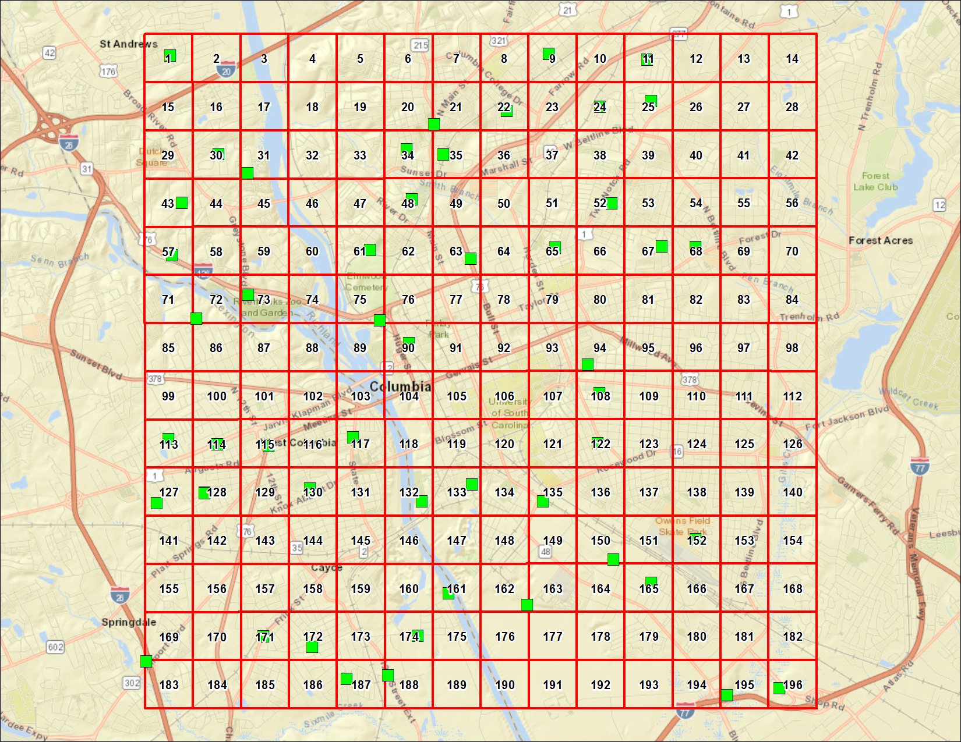
COLUMBIA, SOUTH CAROLINA
Station | DateSampled | Method | CASNumber | Analyte | Result | Primary Qualifiers | Units | MRL | Return to Urban Background Study Summary | Return to Locations
COL1 | 4/25/18 | EPA 200.8 | 7440-38-2 | Arsenic | 1.8 |  | mg/kg dry | 0.19
COL1 | 4/25/18 | EPA 6010 | 7440-39-3 | Barium | 34 |  | mg/kg dry | 0.48
COL1 | 4/25/18 | EPA 200.8 | 7440-43-9 | Cadmium | 0.096 | U | mg/kg dry | 0.096
COL1 | 4/25/18 | EPA 6010 | 7440-47-3 | Chromium | 10 |  | mg/kg dry | 0.48
COL1 | 4/25/18 | EPA 200.8 | 7439-92-1 | Lead | 74 |  | mg/kg dry | 0.96
COL1 | 4/25/18 | EPA 200.8 | 7439-97-6 | Mercury | 0.077 | U | mg/kg dry | 0.077
COL1 | 4/25/18 | EPA 200.8 | 7782-49-2 | Selenium | 0.38 | U | mg/kg dry | 0.38
COL1 | 4/25/18 | EPA 200.8 | 7440-22-4 | Silver | 0.096 | U | mg/kg dry | 0.096
COL108 | 4/24/18 | EPA 200.8 | 7440-38-2 | Arsenic | 2.3 |  | mg/kg dry | 0.2
COL108 | 4/24/18 | EPA 6010 | 7440-39-3 | Barium | 14 |  | mg/kg dry | 0.49
COL108 | 4/24/18 | EPA 200.8 | 7440-43-9 | Cadmium | 0.098 | U | mg/kg dry | 0.098
COL108 | 4/24/18 | EPA 6010 | 7440-47-3 | Chromium | 20 |  | mg/kg dry | 0.49
COL108 | 4/24/18 | EPA 200.8 | 7439-92-1 | Lead | 36 |  | mg/kg dry | 0.2
COL108 | 4/24/18 | EPA 200.8 | 7439-97-6 | Mercury | 0.095 |  | mg/kg dry | 0.078
COL108 | 4/24/18 | EPA 200.8 | 7782-49-2 | Selenium | 0.39 | U | mg/kg dry | 0.39
COL108 | 4/24/18 | EPA 200.8 | 7440-22-4 | Silver | 0.098 | U | mg/kg dry | 0.098
COL11 | 4/25/18 | EPA 200.8 | 7440-38-2 | Arsenic | 1.1 |  | mg/kg dry | 0.19
COL11 | 4/25/18 | EPA 6010 | 7440-39-3 | Barium | 5.2 |  | mg/kg dry | 0.46
COL11 | 4/25/18 | EPA 200.8 | 7440-43-9 | Cadmium | 0.093 | U | mg/kg dry | 0.093
COL11 | 4/25/18 | EPA 6010 | 7440-47-3 | Chromium | 6.5 |  | mg/kg dry | 0.46
COL11 | 4/25/18 | EPA 200.8 | 7439-92-1 | Lead | 5.9 |  | mg/kg dry | 0.19
COL11 | 4/25/18 | EPA 200.8 | 7439-97-6 | Mercury | 0.074 | U | mg/kg dry | 0.074
COL11 | 4/25/18 | EPA 200.8 | 7782-49-2 | Selenium | 0.37 | U | mg/kg dry | 0.37
COL11 | 4/25/18 | EPA 200.8 | 7440-22-4 | Silver | 0.093 | U | mg/kg dry | 0.093
COL113 | 4/24/18 | EPA 200.8 | 7440-38-2 | Arsenic | 0.29 |  | mg/kg dry | 0.18
COL113 | 4/24/18 | EPA 6010 | 7440-39-3 | Barium | 14 |  | mg/kg dry | 0.46
COL113 | 4/24/18 | EPA 200.8 | 7440-43-9 | Cadmium | 0.098 |  | mg/kg dry | 0.092
COL113 | 4/24/18 | EPA 6010 | 7440-47-3 | Chromium | 3.4 |  | mg/kg dry | 0.46
COL113 | 4/24/18 | EPA 200.8 | 7439-92-1 | Lead | 13 |  | mg/kg dry | 0.18
COL113 | 4/24/18 | EPA 200.8 | 7439-97-6 | Mercury | 0.073 | U | mg/kg dry | 0.073
COL113 | 4/24/18 | EPA 200.8 | 7782-49-2 | Selenium | 0.37 | U | mg/kg dry | 0.37
COL113 | 4/24/18 | EPA 200.8 | 7440-22-4 | Silver | 0.092 | U | mg/kg dry | 0.092
COL114 | 4/24/18 | EPA 200.8 | 7440-38-2 | Arsenic | 1.2 |  | mg/kg dry | 0.19
COL114 | 4/24/18 | EPA 6010 | 7440-39-3 | Barium | 13 |  | mg/kg dry | 0.46
COL114 | 4/24/18 | EPA 200.8 | 7440-43-9 | Cadmium | 0.093 | U | mg/kg dry | 0.093
COL114 | 4/24/18 | EPA 6010 | 7440-47-3 | Chromium | 4.2 |  | mg/kg dry | 0.46
COL114 | 4/24/18 | EPA 200.8 | 7439-92-1 | Lead | 23 |  | mg/kg dry | 0.19
COL114 | 4/24/18 | EPA 200.8 | 7439-97-6 | Mercury | 0.074 | U | mg/kg dry | 0.074
COL114 | 4/24/18 | EPA 200.8 | 7782-49-2 | Selenium | 0.37 | U | mg/kg dry | 0.37
COL114 | 4/24/18 | EPA 200.8 | 7440-22-4 | Silver | 0.093 | U | mg/kg dry | 0.093
COL115 | 4/24/18 | EPA 200.8 | 7440-38-2 | Arsenic | 0.77 |  | mg/kg dry | 0.18
COL115 | 4/24/18 | EPA 6010 | 7440-39-3 | Barium | 17 |  | mg/kg dry | 0.46
COL115 | 4/24/18 | EPA 200.8 | 7440-43-9 | Cadmium | 0.3 |  | mg/kg dry | 0.091
COL115 | 4/24/18 | EPA 6010 | 7440-47-3 | Chromium | 9.4 |  | mg/kg dry | 0.46
COL115 | 4/24/18 | EPA 200.8 | 7439-92-1 | Lead | 120 |  | mg/kg dry | 0.91
COL115 | 4/24/18 | EPA 200.8 | 7439-97-6 | Mercury | 0.073 | U | mg/kg dry | 0.073
COL115 | 4/24/18 | EPA 200.8 | 7782-49-2 | Selenium | 0.36 | U | mg/kg dry | 0.36
COL115 | 4/24/18 | EPA 200.8 | 7440-22-4 | Silver | 0.091 | U | mg/kg dry | 0.091
COL117 | 4/24/18 | EPA 200.8 | 7440-38-2 | Arsenic | 0.83 |  | mg/kg dry | 0.2
COL117 | 4/24/18 | EPA 6010 | 7440-39-3 | Barium | 44 |  | mg/kg dry | 0.49
COL117 | 4/24/18 | EPA 200.8 | 7440-43-9 | Cadmium | 0.22 |  | mg/kg dry | 0.099
COL117 | 4/24/18 | EPA 6010 | 7440-47-3 | Chromium | 6.4 |  | mg/kg dry | 0.49
COL117 | 4/24/18 | EPA 6010 | 7439-92-1 | Lead | 200 |  | mg/kg dry | 2
COL117 | 4/24/18 | EPA 200.8 | 7439-97-6 | Mercury | 0.079 | U | mg/kg dry | 0.079
COL117 | 4/24/18 | EPA 200.8 | 7782-49-2 | Selenium | 0.4 | U | mg/kg dry | 0.4
COL117 | 4/24/18 | EPA 200.8 | 7440-22-4 | Silver | 0.099 | U | mg/kg dry | 0.099
COL122 | 4/24/18 | EPA 200.8 | 7440-38-2 | Arsenic | 1.5 |  | mg/kg dry | 0.19
COL122 | 4/24/18 | EPA 6010 | 7440-39-3 | Barium | 28 |  | mg/kg dry | 0.46
COL122 | 4/24/18 | EPA 200.8 | 7440-43-9 | Cadmium | 0.093 | U | mg/kg dry | 0.093
COL122 | 4/24/18 | EPA 6010 | 7440-47-3 | Chromium | 7.4 |  | mg/kg dry | 0.46
COL122 | 4/24/18 | EPA 200.8 | 7439-92-1 | Lead | 120 |  | mg/kg dry | 0.93
COL122 | 4/24/18 | EPA 200.8 | 7439-97-6 | Mercury | 0.1 |  | mg/kg dry | 0.074
COL122 | 4/24/18 | EPA 200.8 | 7782-49-2 | Selenium | 0.37 | U | mg/kg dry | 0.37
COL122 | 4/24/18 | EPA 200.8 | 7440-22-4 | Silver | 0.093 | U | mg/kg dry | 0.093
COL127 | 4/24/18 | EPA 200.8 | 7440-38-2 | Arsenic | 1.1 |  | mg/kg dry | 0.2
COL127 | 4/24/18 | EPA 6010 | 7440-39-3 | Barium | 17 |  | mg/kg dry | 0.5
COL127 | 4/24/18 | EPA 200.8 | 7440-43-9 | Cadmium | 0.19 |  | mg/kg dry | 0.1
COL127 | 4/24/18 | EPA 6010 | 7440-47-3 | Chromium | 5.2 |  | mg/kg dry | 0.5
COL127 | 4/24/18 | EPA 200.8 | 7439-92-1 | Lead | 12 |  | mg/kg dry | 0.2
COL127 | 4/24/18 | EPA 200.8 | 7439-97-6 | Mercury | 0.08 | U | mg/kg dry | 0.08
COL127 | 4/24/18 | EPA 200.8 | 7782-49-2 | Selenium | 0.4 | U | mg/kg dry | 0.4
COL127 | 4/24/18 | EPA 200.8 | 7440-22-4 | Silver | 0.1 | U | mg/kg dry | 0.1
COL128 | 4/24/18 | EPA 200.8 | 7440-38-2 | Arsenic | 0.7 |  | mg/kg dry | 0.19
COL128 | 4/24/18 | EPA 6010 | 7440-39-3 | Barium | 16 |  | mg/kg dry | 0.49
COL128 | 4/24/18 | EPA 200.8 | 7440-43-9 | Cadmium | 0.097 | U | mg/kg dry | 0.097
COL128 | 4/24/18 | EPA 6010 | 7440-47-3 | Chromium | 6.2 |  | mg/kg dry | 0.49
COL128 | 4/24/18 | EPA 200.8 | 7439-92-1 | Lead | 7.3 |  | mg/kg dry | 0.19
COL128 | 4/24/18 | EPA 200.8 | 7439-97-6 | Mercury | 0.078 | U | mg/kg dry | 0.078
COL128 | 4/24/18 | EPA 200.8 | 7782-49-2 | Selenium | 0.39 | U | mg/kg dry | 0.39
COL128 | 4/24/18 | EPA 200.8 | 7440-22-4 | Silver | 0.097 | U | mg/kg dry | 0.097
COL128 | 4/24/18 | EPA 200.8 | 7440-38-2 | Arsenic | 0.63 |  | mg/kg dry | 0.19
COL128 | 4/24/18 | EPA 6010 | 7440-39-3 | Barium | 13 |  | mg/kg dry | 0.46
COL128 | 4/24/18 | EPA 200.8 | 7440-43-9 | Cadmium | 0.093 | U | mg/kg dry | 0.093
COL128 | 4/24/18 | EPA 6010 | 7440-47-3 | Chromium | 8.3 |  | mg/kg dry | 0.46
COL128 | 4/24/18 | EPA 200.8 | 7439-92-1 | Lead | 8.8 |  | mg/kg dry | 0.19
COL128 | 4/24/18 | EPA 200.8 | 7439-97-6 | Mercury | 0.074 | U | mg/kg dry | 0.074
COL128 | 4/24/18 | EPA 200.8 | 7782-49-2 | Selenium | 0.37 | U | mg/kg dry | 0.37
COL128 | 4/24/18 | EPA 200.8 | 7440-22-4 | Silver | 0.093 | U | mg/kg dry | 0.093
COL130 | 4/24/18 | EPA 200.8 | 7440-38-2 | Arsenic | 0.58 |  | mg/kg dry | 0.18
COL130 | 4/24/18 | EPA 6010 | 7440-39-3 | Barium | 7.5 |  | mg/kg dry | 0.46
COL130 | 4/24/18 | EPA 200.8 | 7440-43-9 | Cadmium | 0.099 |  | mg/kg dry | 0.091
COL130 | 4/24/18 | EPA 6010 | 7440-47-3 | Chromium | 5.7 |  | mg/kg dry | 0.46
COL130 | 4/24/18 | EPA 200.8 | 7439-92-1 | Lead | 90 |  | mg/kg dry | 0.91
COL130 | 4/24/18 | EPA 200.8 | 7439-97-6 | Mercury | 0.073 | U | mg/kg dry | 0.073
COL130 | 4/24/18 | EPA 200.8 | 7782-49-2 | Selenium | 0.36 | U | mg/kg dry | 0.36
COL130 | 4/24/18 | EPA 200.8 | 7440-22-4 | Silver | 0.091 | U | mg/kg dry | 0.091
COL132 | 4/25/18 | EPA 200.8 | 7440-38-2 | Arsenic | 1.7 |  | mg/kg dry | 0.19
COL132 | 4/25/18 | EPA 6010 | 7440-39-3 | Barium | 66 |  | mg/kg dry | 0.47
COL132 | 4/25/18 | EPA 200.8 | 7440-43-9 | Cadmium | 0.17 |  | mg/kg dry | 0.093
COL132 | 4/25/18 | EPA 6010 | 7440-47-3 | Chromium | 16 |  | mg/kg dry | 0.47
COL132 | 4/25/18 | EPA 200.8 | 7439-92-1 | Lead | 33 |  | mg/kg dry | 0.19
COL132 | 4/25/18 | EPA 200.8 | 7439-97-6 | Mercury | 0.088 |  | mg/kg dry | 0.075
COL132 | 4/25/18 | EPA 200.8 | 7782-49-2 | Selenium | 0.37 | U | mg/kg dry | 0.37
COL132 | 4/25/18 | EPA 200.8 | 7440-22-4 | Silver | 0.093 | U | mg/kg dry | 0.093
COL133 | 4/25/18 | EPA 200.8 | 7440-38-2 | Arsenic | 5.4 |  | mg/kg dry | 0.19
COL133 | 4/25/18 | EPA 6010 | 7440-39-3 | Barium | 52 |  | mg/kg dry | 0.47
COL133 | 4/25/18 | EPA 200.8 | 7440-43-9 | Cadmium | 0.19 |  | mg/kg dry | 0.093
COL133 | 4/25/18 | EPA 6010 | 7440-47-3 | Chromium | 9.8 |  | mg/kg dry | 0.47
COL133 | 4/25/18 | EPA 200.8 | 7439-92-1 | Lead | 40 |  | mg/kg dry | 0.93
COL133 | 4/25/18 | EPA 200.8 | 7439-97-6 | Mercury | 0.074 | U | mg/kg dry | 0.074
COL133 | 4/25/18 | EPA 200.8 | 7782-49-2 | Selenium | 0.37 | U | mg/kg dry | 0.37
COL133 | 4/25/18 | EPA 200.8 | 7440-22-4 | Silver | 0.093 | U | mg/kg dry | 0.093
COL135 | 4/24/18 | EPA 200.8 | 7440-38-2 | Arsenic | 1.5 |  | mg/kg dry | 0.19
COL135 | 4/24/18 | EPA 6010 | 7440-39-3 | Barium | 55 |  | mg/kg dry | 0.49
COL135 | 4/24/18 | EPA 200.8 | 7440-43-9 | Cadmium | 0.56 |  | mg/kg dry | 0.097
COL135 | 4/24/18 | EPA 6010 | 7440-47-3 | Chromium | 14 |  | mg/kg dry | 0.49
COL135 | 4/24/18 | EPA 200.8 | 7439-92-1 | Lead | 71 |  | mg/kg dry | 0.97
COL135 | 4/24/18 | EPA 200.8 | 7439-97-6 | Mercury | 0.078 | U | mg/kg dry | 0.078
COL135 | 4/24/18 | EPA 200.8 | 7782-49-2 | Selenium | 0.39 | U | mg/kg dry | 0.39
COL135 | 4/24/18 | EPA 200.8 | 7440-22-4 | Silver | 0.097 | U | mg/kg dry | 0.097
COL150 | 4/24/18 | EPA 200.8 | 7440-38-2 | Arsenic | 2 |  | mg/kg dry | 0.19
COL150 | 4/24/18 | EPA 6010 | 7440-39-3 | Barium | 35 |  | mg/kg dry | 0.46
COL150 | 4/24/18 | EPA 200.8 | 7440-43-9 | Cadmium | 0.18 |  | mg/kg dry | 0.093
COL150 | 4/24/18 | EPA 6010 | 7440-47-3 | Chromium | 6.8 |  | mg/kg dry | 0.46
COL150 | 4/24/18 | EPA 200.8 | 7439-92-1 | Lead | 48 |  | mg/kg dry | 0.93
COL150 | 4/24/18 | EPA 200.8 | 7439-97-6 | Mercury | 0.074 | U | mg/kg dry | 0.074
COL150 | 4/24/18 | EPA 200.8 | 7782-49-2 | Selenium | 0.37 | U | mg/kg dry | 0.37
COL150 | 4/24/18 | EPA 200.8 | 7440-22-4 | Silver | 0.093 | U | mg/kg dry | 0.093
COL152 | 4/24/18 | EPA 200.8 | 7440-38-2 | Arsenic | 1 |  | mg/kg dry | 0.18
COL152 | 4/24/18 | EPA 6010 | 7440-39-3 | Barium | 25 |  | mg/kg dry | 0.46
COL152 | 4/24/18 | EPA 200.8 | 7440-43-9 | Cadmium | 0.79 |  | mg/kg dry | 0.091
COL152 | 4/24/18 | EPA 6010 | 7440-47-3 | Chromium | 4.9 |  | mg/kg dry | 0.46
COL152 | 4/24/18 | EPA 200.8 | 7439-92-1 | Lead | 52 |  | mg/kg dry | 0.91
COL152 | 4/24/18 | EPA 200.8 | 7439-97-6 | Mercury | 0.1 |  | mg/kg dry | 0.073
COL152 | 4/24/18 | EPA 200.8 | 7782-49-2 | Selenium | 0.37 | U | mg/kg dry | 0.37
COL152 | 4/24/18 | EPA 200.8 | 7440-22-4 | Silver | 0.091 | U | mg/kg dry | 0.091
COL161 | 4/24/18 | EPA 200.8 | 7440-38-2 | Arsenic | 1.2 |  | mg/kg dry | 0.2
COL161 | 4/24/18 | EPA 6010 | 7440-39-3 | Barium | 140 |  | mg/kg dry | 0.49
COL161 | 4/24/18 | EPA 200.8 | 7440-43-9 | Cadmium | 0.23 |  | mg/kg dry | 0.098
COL161 | 4/24/18 | EPA 6010 | 7440-47-3 | Chromium | 33 |  | mg/kg dry | 0.49
COL161 | 4/24/18 | EPA 200.8 | 7439-92-1 | Lead | 19 |  | mg/kg dry | 0.2
COL161 | 4/24/18 | EPA 200.8 | 7439-97-6 | Mercury | 0.078 | U | mg/kg dry | 0.078
COL161 | 4/24/18 | EPA 200.8 | 7782-49-2 | Selenium | 0.39 | U | mg/kg dry | 0.39
COL161 | 4/24/18 | EPA 200.8 | 7440-22-4 | Silver | 0.098 | U | mg/kg dry | 0.098
COL162 | 4/24/18 | EPA 200.8 | 7440-38-2 | Arsenic | 0.52 |  | mg/kg dry | 0.19
COL162 | 4/24/18 | EPA 6010 | 7440-39-3 | Barium | 20 |  | mg/kg dry | 0.47
COL162 | 4/24/18 | EPA 200.8 | 7440-43-9 | Cadmium | 0.093 | U | mg/kg dry | 0.093
COL162 | 4/24/18 | EPA 6010 | 7440-47-3 | Chromium | 4 |  | mg/kg dry | 0.47
COL162 | 4/24/18 | EPA 200.8 | 7439-92-1 | Lead | 4.6 |  | mg/kg dry | 0.19
COL162 | 4/24/18 | EPA 200.8 | 7439-97-6 | Mercury | 0.075 | U | mg/kg dry | 0.075
COL162 | 4/24/18 | EPA 200.8 | 7782-49-2 | Selenium | 0.37 | U | mg/kg dry | 0.37
COL162 | 4/24/18 | EPA 200.8 | 7440-22-4 | Silver | 0.093 | U | mg/kg dry | 0.093
COL165 | 4/24/18 | EPA 200.8 | 7440-38-2 | Arsenic | 0.74 |  | mg/kg dry | 0.19
COL165 | 4/24/18 | EPA 6010 | 7440-39-3 | Barium | 28 |  | mg/kg dry | 0.47
COL165 | 4/24/18 | EPA 200.8 | 7440-43-9 | Cadmium | 0.11 |  | mg/kg dry | 0.094
COL165 | 4/24/18 | EPA 6010 | 7440-47-3 | Chromium | 7 |  | mg/kg dry | 0.47
COL165 | 4/24/18 | EPA 200.8 | 7439-92-1 | Lead | 20 |  | mg/kg dry | 0.19
COL165 | 4/24/18 | EPA 200.8 | 7439-97-6 | Mercury | 0.075 | U | mg/kg dry | 0.075
COL165 | 4/24/18 | EPA 200.8 | 7782-49-2 | Selenium | 0.38 | U | mg/kg dry | 0.38
COL165 | 4/24/18 | EPA 200.8 | 7440-22-4 | Silver | 0.094 | U | mg/kg dry | 0.094
COL171 | 4/24/18 | EPA 200.8 | 7440-38-2 | Arsenic | 0.54 |  | mg/kg dry | 0.19
COL171 | 4/24/18 | EPA 6010 | 7440-39-3 | Barium | 18 | J,O | mg/kg dry | 0.48
COL171 | 4/24/18 | EPA 200.8 | 7440-43-9 | Cadmium | 0.25 |  | mg/kg dry | 0.096
COL171 | 4/24/18 | EPA 6010 | 7440-47-3 | Chromium | 7.6 |  | mg/kg dry | 0.48
COL171 | 4/24/18 | EPA 6010 | 7439-92-1 | Lead | 55 |  | mg/kg dry | 1.9
COL171 | 4/24/18 | EPA 200.8 | 7439-97-6 | Mercury | 0.077 | U | mg/kg dry | 0.077
COL171 | 4/24/18 | EPA 200.8 | 7782-49-2 | Selenium | 0.39 | U | mg/kg dry | 0.39
COL171 | 4/24/18 | EPA 200.8 | 7440-22-4 | Silver | 0.096 | U | mg/kg dry | 0.096
COL172 | 4/24/18 | EPA 200.8 | 7440-38-2 | Arsenic | 0.54 |  | mg/kg dry | 0.19
COL172 | 4/24/18 | EPA 6010 | 7440-39-3 | Barium | 13 |  | mg/kg dry | 0.48
COL172 | 4/24/18 | EPA 200.8 | 7440-43-9 | Cadmium | 0.097 | U | mg/kg dry | 0.097
COL172 | 4/24/18 | EPA 6010 | 7440-47-3 | Chromium | 5.6 |  | mg/kg dry | 0.48
COL172 | 4/24/18 | EPA 200.8 | 7439-92-1 | Lead | 31 |  | mg/kg dry | 0.19
COL172 | 4/24/18 | EPA 200.8 | 7439-97-6 | Mercury | 0.077 | U | mg/kg dry | 0.077
COL172 | 4/24/18 | EPA 200.8 | 7782-49-2 | Selenium | 0.39 | U | mg/kg dry | 0.39
COL172 | 4/24/18 | EPA 200.8 | 7440-22-4 | Silver | 0.097 | U | mg/kg dry | 0.097
COL174 | 4/24/18 | EPA 200.8 | 7440-38-2 | Arsenic | 1.3 |  | mg/kg dry | 0.19
COL174 | 4/24/18 | EPA 6010 | 7440-39-3 | Barium | 54 |  | mg/kg dry | 0.47
COL174 | 4/24/18 | EPA 200.8 | 7440-43-9 | Cadmium | 1.1 |  | mg/kg dry | 0.095
COL174 | 4/24/18 | EPA 6010 | 7440-47-3 | Chromium | 56 |  | mg/kg dry | 0.47
COL174 | 4/24/18 | EPA 6010 | 7439-92-1 | Lead | 61 |  | mg/kg dry | 1.9
COL174 | 4/24/18 | EPA 200.8 | 7439-97-6 | Mercury | 0.076 | U | mg/kg dry | 0.076
COL174 | 4/24/18 | EPA 200.8 | 7782-49-2 | Selenium | 0.38 | U | mg/kg dry | 0.38
COL174 | 4/24/18 | EPA 200.8 | 7440-22-4 | Silver | 0.11 |  | mg/kg dry | 0.095
COL183 | 4/24/18 | EPA 200.8 | 7440-38-2 | Arsenic | 0.53 |  | mg/kg dry | 0.19
COL183 | 4/24/18 | EPA 6010 | 7440-39-3 | Barium | 13 |  | mg/kg dry | 0.47
COL183 | 4/24/18 | EPA 200.8 | 7440-43-9 | Cadmium | 0.095 | U | mg/kg dry | 0.095
COL183 | 4/24/18 | EPA 6010 | 7440-47-3 | Chromium | 4.3 |  | mg/kg dry | 0.47
COL183 | 4/24/18 | EPA 200.8 | 7439-92-1 | Lead | 19 |  | mg/kg dry | 0.19
COL183 | 4/24/18 | EPA 200.8 | 7439-97-6 | Mercury | 0.076 | U | mg/kg dry | 0.076
COL183 | 4/24/18 | EPA 200.8 | 7782-49-2 | Selenium | 0.38 | U | mg/kg dry | 0.38
COL183 | 4/24/18 | EPA 200.8 | 7440-22-4 | Silver | 0.095 | U | mg/kg dry | 0.095
COL187 | 4/25/18 | EPA 200.8 | 7440-38-2 | Arsenic | 1.1 |  | mg/kg dry | 0.2
COL187 | 4/25/18 | EPA 6010 | 7440-39-3 | Barium | 9.9 |  | mg/kg dry | 0.5
COL187 | 4/25/18 | EPA 200.8 | 7440-43-9 | Cadmium | 0.099 | U | mg/kg dry | 0.099
COL187 | 4/25/18 | EPA 6010 | 7440-47-3 | Chromium | 6.9 |  | mg/kg dry | 0.5
COL187 | 4/25/18 | EPA 200.8 | 7439-92-1 | Lead | 8.6 |  | mg/kg dry | 0.2
COL187 | 4/25/18 | EPA 200.8 | 7439-97-6 | Mercury | 0.079 | U | mg/kg dry | 0.079
COL187 | 4/25/18 | EPA 200.8 | 7782-49-2 | Selenium | 0.4 | U | mg/kg dry | 0.4
COL187 | 4/25/18 | EPA 200.8 | 7440-22-4 | Silver | 0.099 | U | mg/kg dry | 0.099
COL188 | 4/25/18 | EPA 200.8 | 7440-38-2 | Arsenic | 0.44 |  | mg/kg dry | 0.19
COL188 | 4/25/18 | EPA 6010 | 7440-39-3 | Barium | 57 |  | mg/kg dry | 0.47
COL188 | 4/25/18 | EPA 200.8 | 7440-43-9 | Cadmium | 0.094 | U | mg/kg dry | 0.094
COL188 | 4/25/18 | EPA 6010 | 7440-47-3 | Chromium | 23 |  | mg/kg dry | 0.47
COL188 | 4/25/18 | EPA 200.8 | 7439-92-1 | Lead | 13 |  | mg/kg dry | 0.19
COL188 | 4/25/18 | EPA 200.8 | 7439-97-6 | Mercury | 0.075 | U | mg/kg dry | 0.075
COL188 | 4/25/18 | EPA 200.8 | 7782-49-2 | Selenium | 0.45 |  | mg/kg dry | 0.37
COL188 | 4/25/18 | EPA 200.8 | 7440-22-4 | Silver | 0.094 | U | mg/kg dry | 0.094
COL195 | 4/24/18 | EPA 200.8 | 7440-38-2 | Arsenic | 0.3 |  | mg/kg dry | 0.19
COL195 | 4/24/18 | EPA 6010 | 7440-39-3 | Barium | 23 |  | mg/kg dry | 0.48
COL195 | 4/24/18 | EPA 200.8 | 7440-43-9 | Cadmium | 0.096 | U | mg/kg dry | 0.096
COL195 | 4/24/18 | EPA 6010 | 7440-47-3 | Chromium | 5.3 |  | mg/kg dry | 0.48
COL195 | 4/24/18 | EPA 200.8 | 7439-92-1 | Lead | 8.6 |  | mg/kg dry | 0.19
COL195 | 4/24/18 | EPA 200.8 | 7439-97-6 | Mercury | 0.077 | U | mg/kg dry | 0.077
COL195 | 4/24/18 | EPA 200.8 | 7782-49-2 | Selenium | 0.38 | U | mg/kg dry | 0.38
COL195 | 4/24/18 | EPA 200.8 | 7440-22-4 | Silver | 0.096 | U | mg/kg dry | 0.096
COL195 | 4/24/18 | EPA 200.8 | 7440-38-2 | Arsenic | 0.54 |  | mg/kg dry | 0.2
COL195 | 4/24/18 | EPA 6010 | 7440-39-3 | Barium | 44 |  | mg/kg dry | 0.49
COL195 | 4/24/18 | EPA 200.8 | 7440-43-9 | Cadmium | 0.099 | U | mg/kg dry | 0.099
COL195 | 4/24/18 | EPA 6010 | 7440-47-3 | Chromium | 7.9 |  | mg/kg dry | 0.49
COL195 | 4/24/18 | EPA 200.8 | 7439-92-1 | Lead | 9.4 |  | mg/kg dry | 0.2
COL195 | 4/24/18 | EPA 200.8 | 7439-97-6 | Mercury | 0.079 | U | mg/kg dry | 0.079
COL195 | 4/24/18 | EPA 200.8 | 7782-49-2 | Selenium | 0.39 | U | mg/kg dry | 0.39
COL195 | 4/24/18 | EPA 200.8 | 7440-22-4 | Silver | 0.099 | U | mg/kg dry | 0.099
COL196 | 4/24/18 | EPA 200.8 | 7440-38-2 | Arsenic | 0.41 |  | mg/kg dry | 0.19
COL196 | 4/24/18 | EPA 6010 | 7440-39-3 | Barium | 14 |  | mg/kg dry | 0.48
COL196 | 4/24/18 | EPA 200.8 | 7440-43-9 | Cadmium | 0.097 | U | mg/kg dry | 0.097
COL196 | 4/24/18 | EPA 6010 | 7440-47-3 | Chromium | 5.9 |  | mg/kg dry | 0.48
COL196 | 4/24/18 | EPA 200.8 | 7439-92-1 | Lead | 10 |  | mg/kg dry | 0.19
COL196 | 4/24/18 | EPA 200.8 | 7439-97-6 | Mercury | 0.077 | U | mg/kg dry | 0.077
COL196 | 4/24/18 | EPA 200.8 | 7782-49-2 | Selenium | 0.39 | U | mg/kg dry | 0.39
COL196 | 4/24/18 | EPA 200.8 | 7440-22-4 | Silver | 0.097 | U | mg/kg dry | 0.097
COL21 | 4/24/18 | EPA 200.8 | 7440-38-2 | Arsenic | 0.96 |  | mg/kg dry | 0.19
COL21 | 4/24/18 | EPA 6010 | 7440-39-3 | Barium | 35 |  | mg/kg dry | 0.47
COL21 | 4/24/18 | EPA 200.8 | 7440-43-9 | Cadmium | 0.11 |  | mg/kg dry | 0.093
COL21 | 4/24/18 | EPA 6010 | 7440-47-3 | Chromium | 4.2 |  | mg/kg dry | 0.47
COL21 | 4/24/18 | EPA 6010 | 7439-92-1 | Lead | 81 |  | mg/kg dry | 1.9
COL21 | 4/24/18 | EPA 200.8 | 7439-97-6 | Mercury | 0.095 |  | mg/kg dry | 0.075
COL21 | 4/24/18 | EPA 200.8 | 7782-49-2 | Selenium | 0.37 | U | mg/kg dry | 0.37
COL21 | 4/24/18 | EPA 200.8 | 7440-22-4 | Silver | 0.093 | U | mg/kg dry | 0.093
COL22 | 4/24/18 | EPA 200.8 | 7440-38-2 | Arsenic | 1.4 |  | mg/kg dry | 0.19
COL22 | 4/24/18 | EPA 6010 | 7440-39-3 | Barium | 27 |  | mg/kg dry | 0.49
COL22 | 4/24/18 | EPA 200.8 | 7440-43-9 | Cadmium | 0.21 |  | mg/kg dry | 0.097
COL22 | 4/24/18 | EPA 6010 | 7440-47-3 | Chromium | 5.6 |  | mg/kg dry | 0.49
COL22 | 4/24/18 | EPA 6010 | 7439-92-1 | Lead | 60 |  | mg/kg dry | 1.9
COL22 | 4/24/18 | EPA 200.8 | 7439-97-6 | Mercury | 0.078 | U | mg/kg dry | 0.078
COL22 | 4/24/18 | EPA 200.8 | 7782-49-2 | Selenium | 0.39 | U | mg/kg dry | 0.39
COL22 | 4/24/18 | EPA 200.8 | 7440-22-4 | Silver | 0.097 | U | mg/kg dry | 0.097
COL24 | 4/25/18 | EPA 200.8 | 7440-38-2 | Arsenic | 0.59 |  | mg/kg dry | 0.19
COL24 | 4/25/18 | EPA 6010 | 7440-39-3 | Barium | 17 |  | mg/kg dry | 0.48
COL24 | 4/25/18 | EPA 200.8 | 7440-43-9 | Cadmium | 0.096 | U | mg/kg dry | 0.096
COL24 | 4/25/18 | EPA 6010 | 7440-47-3 | Chromium | 3.9 |  | mg/kg dry | 0.48
COL24 | 4/25/18 | EPA 200.8 | 7439-92-1 | Lead | 8.6 |  | mg/kg dry | 0.19
COL24 | 4/25/18 | EPA 200.8 | 7439-97-6 | Mercury | 0.077 | U | mg/kg dry | 0.077
COL24 | 4/25/18 | EPA 200.8 | 7782-49-2 | Selenium | 0.38 | U | mg/kg dry | 0.38
COL24 | 4/25/18 | EPA 200.8 | 7440-22-4 | Silver | 0.096 | U | mg/kg dry | 0.096
COL25 | 4/25/18 | EPA 200.8 | 7440-38-2 | Arsenic | 0.55 |  | mg/kg dry | 0.2
COL25 | 4/25/18 | EPA 6010 | 7440-39-3 | Barium | 6.5 |  | mg/kg dry | 0.49
COL25 | 4/25/18 | EPA 200.8 | 7440-43-9 | Cadmium | 0.098 | U | mg/kg dry | 0.098
COL25 | 4/25/18 | EPA 6010 | 7440-47-3 | Chromium | 3.2 |  | mg/kg dry | 0.49
COL25 | 4/25/18 | EPA 6010 | 7439-92-1 | Lead | 40 |  | mg/kg dry | 2
COL25 | 4/25/18 | EPA 200.8 | 7439-97-6 | Mercury | 0.078 | U | mg/kg dry | 0.078
COL25 | 4/25/18 | EPA 200.8 | 7782-49-2 | Selenium | 0.39 | U | mg/kg dry | 0.39
COL25 | 4/25/18 | EPA 200.8 | 7440-22-4 | Silver | 0.098 | U | mg/kg dry | 0.098
COL30 | 4/24/18 | EPA 200.8 | 7440-38-2 | Arsenic | 1.2 |  | mg/kg dry | 0.19
COL30 | 4/24/18 | EPA 6010 | 7440-39-3 | Barium | 26 |  | mg/kg dry | 0.48
COL30 | 4/24/18 | EPA 200.8 | 7440-43-9 | Cadmium | 0.097 | U | mg/kg dry | 0.097
COL30 | 4/24/18 | EPA 6010 | 7440-47-3 | Chromium | 5.2 |  | mg/kg dry | 0.48
COL30 | 4/24/18 | EPA 6010 | 7439-92-1 | Lead | 70 |  | mg/kg dry | 1.9
COL30 | 4/24/18 | EPA 200.8 | 7439-97-6 | Mercury | 0.078 | U | mg/kg dry | 0.078
COL30 | 4/24/18 | EPA 200.8 | 7782-49-2 | Selenium | 0.39 | U | mg/kg dry | 0.39
COL30 | 4/24/18 | EPA 200.8 | 7440-22-4 | Silver | 0.097 | U | mg/kg dry | 0.097
COL31 | 4/24/18 | EPA 200.8 | 7440-38-2 | Arsenic | 1.1 |  | mg/kg dry | 0.2
COL31 | 4/24/18 | EPA 6010 | 7440-39-3 | Barium | 21 |  | mg/kg dry | 0.5
COL31 | 4/24/18 | EPA 200.8 | 7440-43-9 | Cadmium | 0.1 | U | mg/kg dry | 0.1
COL31 | 4/24/18 | EPA 6010 | 7440-47-3 | Chromium | 11 |  | mg/kg dry | 0.5
COL31 | 4/24/18 | EPA 200.8 | 7439-92-1 | Lead | 20 |  | mg/kg dry | 0.2
COL31 | 4/24/18 | EPA 200.8 | 7439-97-6 | Mercury | 0.08 | U | mg/kg dry | 0.08
COL31 | 4/24/18 | EPA 200.8 | 7782-49-2 | Selenium | 0.4 | U | mg/kg dry | 0.4
COL31 | 4/24/18 | EPA 200.8 | 7440-22-4 | Silver | 0.1 | U | mg/kg dry | 0.1
COL34 | 4/24/18 | EPA 200.8 | 7440-38-2 | Arsenic | 0.74 |  | mg/kg dry | 0.19
COL34 | 4/24/18 | EPA 6010 | 7440-39-3 | Barium | 11 |  | mg/kg dry | 0.49
COL34 | 4/24/18 | EPA 200.8 | 7440-43-9 | Cadmium | 0.097 | U | mg/kg dry | 0.097
COL34 | 4/24/18 | EPA 6010 | 7440-47-3 | Chromium | 4.3 |  | mg/kg dry | 0.49
COL34 | 4/24/18 | EPA 6010 | 7439-92-1 | Lead | 39 |  | mg/kg dry | 1.9
COL34 | 4/24/18 | EPA 200.8 | 7439-97-6 | Mercury | 0.078 | U | mg/kg dry | 0.078
COL34 | 4/24/18 | EPA 200.8 | 7782-49-2 | Selenium | 0.39 | U | mg/kg dry | 0.39
...

Gainesville, FL
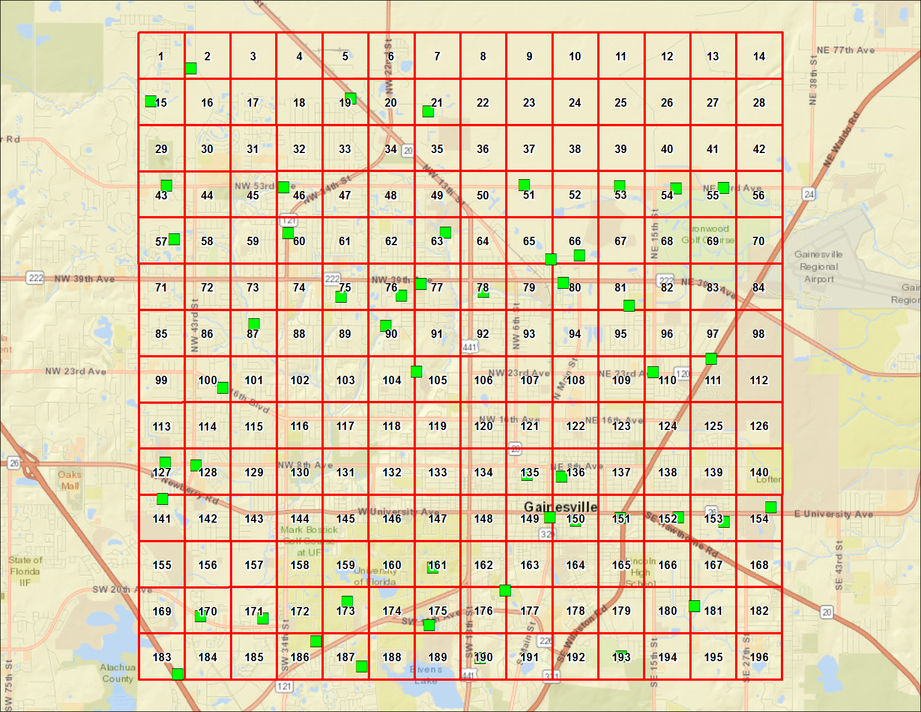
GAINESVILLE, FLORIDA
Analyte | Result | Primary Qualifiers | Units | MRL | Return to Urban Background Study Summary | Return to Locations
Arsenic | 0.25 |  | mg/kg dry | 0.2
Barium | 9 |  | mg/kg dry | 0.49
Cadmium | 0.099 | U | mg/kg dry | 0.099
Chromium | 3.6 |  | mg/kg dry | 0.49
Lead | 14 |  | mg/kg dry | 0.2
Mercury | 0.079 | U,J,O | mg/kg dry | 0.079
Selenium | 0.39 | U | mg/kg dry | 0.39
Silver | 0.099 | U | mg/kg dry | 0.099
Arsenic | 1.2 |  | mg/kg dry | 0.2
Barium | 50 |  | mg/kg dry | 0.49
Cadmium | 0.098 | U | mg/kg dry | 0.098
Chromium | 5.8 |  | mg/kg dry | 0.49
Lead | 5.9 |  | mg/kg dry | 0.2
Mercury | 0.079 | U,J,O | mg/kg dry | 0.079
Selenium | 0.39 | U | mg/kg dry | 0.39
Silver | 0.098 | U | mg/kg dry | 0.098
Arsenic | 0.28 |  | mg/kg dry | 0.2
Barium | 5 |  | mg/kg dry | 0.49
Cadmium | 0.098 | U | mg/kg dry | 0.098
Chromium | 2.6 |  | mg/kg dry | 0.49
Lead | 46 |  | mg/kg dry | 0.98
Mercury | 0.079 | U,J,O | mg/kg dry | 0.079
Selenium | 0.39 | U | mg/kg dry | 0.39
Silver | 0.098 | U | mg/kg dry | 0.098
Arsenic | 0.33 |  | mg/kg dry | 0.2
Barium | 8.1 |  | mg/kg dry | 0.5
Cadmium | 0.3 |  | mg/kg dry | 0.1
Chromium | 3.9 |  | mg/kg dry | 0.5
Lead | 32 |  | mg/kg dry | 0.2
Mercury | 0.08 | U,J,O | mg/kg dry | 0.08
Selenium | 0.4 | U | mg/kg dry | 0.4
Silver | 0.1 | U | mg/kg dry | 0.1
Arsenic | 0.2 | U | mg/kg dry | 0.2
Barium | 19 |  | mg/kg dry | 0.5
Cadmium | 0.1 | U | mg/kg dry | 0.1
Chromium | 4.1 |  | mg/kg dry | 0.5
Lead | 8.6 |  | mg/kg dry | 0.2
Mercury | 0.08 | U,J,O | mg/kg dry | 0.08
Selenium | 0.4 | U | mg/kg dry | 0.4
Silver | 0.1 | U | mg/kg dry | 0.1
...

Lexington, KY
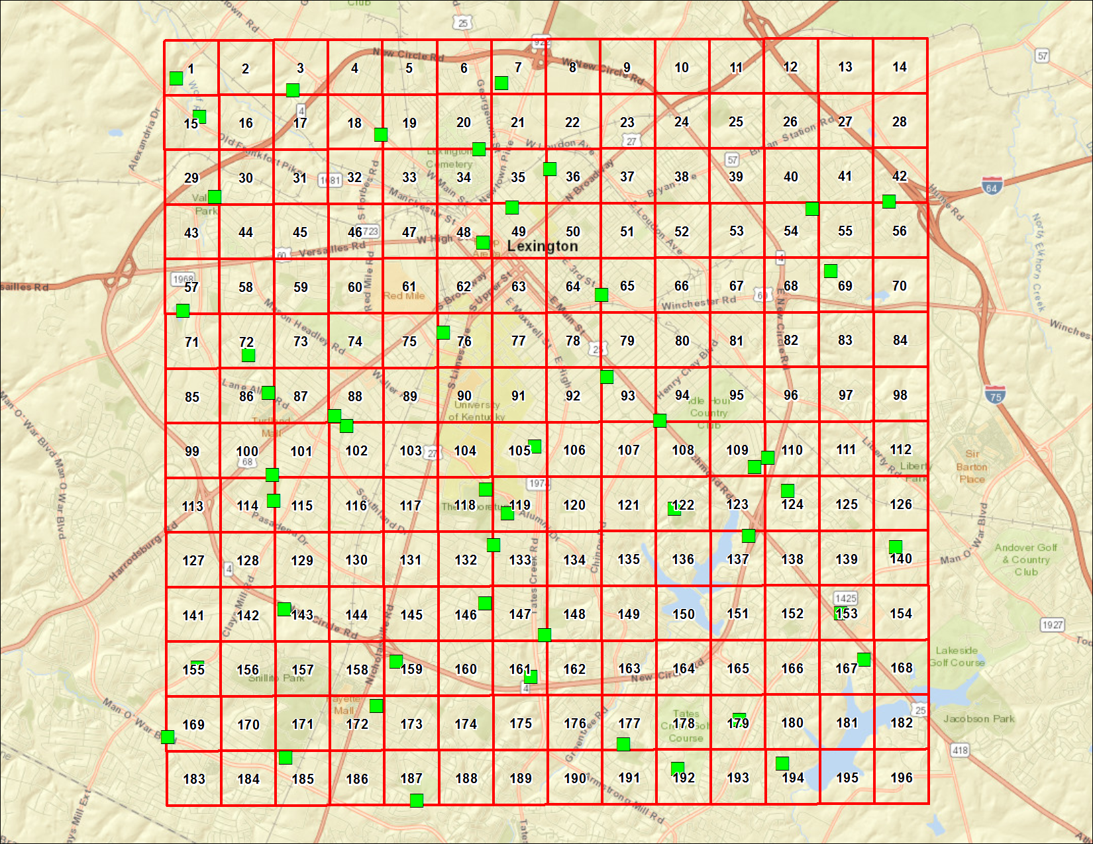
LEXINGTON, KENTUCKY
Analyte | Result | Primary Qualifiers | Units | MRL | Return to Urban Background Study Summary | Return to Locations
Arsenic | 7 |  | mg/kg dry | 0.2
Barium | 220 | J,O | mg/kg dry | 1
Cadmium | 0.62 |  | mg/kg dry | 0.1
Chromium | 14 |  | mg/kg dry | 1
Lead | 150 |  | mg/kg dry | 4
Mercury | 0.099 | J | mg/kg dry | 0.08
Selenium | 0.4 | U | mg/kg dry | 0.4
Silver | 0.1 | U | mg/kg dry | 0.1
Arsenic | 4.7 |  | mg/kg dry | 0.2
Barium | 270 |  | mg/kg dry | 0.98
Cadmium | 0.15 |  | mg/kg dry | 0.098
Chromium | 18 |  | mg/kg dry | 0.98
Lead | 38 |  | mg/kg dry | 3.9
Mercury | 0.079 | U,J | mg/kg dry | 0.079
Selenium | 0.39 | U | mg/kg dry | 0.39
Silver | 0.098 | U | mg/kg dry | 0.098
Arsenic | 5.9 |  | mg/kg dry | 0.2
Barium | 240 |  | mg/kg dry | 0.98
Cadmium | 0.21 |  | mg/kg dry | 0.098
Chromium | 16 |  | mg/kg dry | 0.98
Lead | 140 |  | mg/kg dry | 3.9
Mercury | 0.12 | J | mg/kg dry | 0.078
Selenium | 0.39 | U | mg/kg dry | 0.39
Silver | 0.098 | U | mg/kg dry | 0.098
Arsenic | 5.8 |  | mg/kg dry | 0.2
Barium | 250 |  | mg/kg dry | 1
Cadmium | 0.19 |  | mg/kg dry | 0.1
Chromium | 14 |  | mg/kg dry | 1
Lead | 130 |  | mg/kg dry | 4
Mercury | 0.11 | J | mg/kg dry | 0.08
Selenium | 0.4 | U | mg/kg dry | 0.4
Silver | 0.1 | U | mg/kg dry | 0.1
Arsenic | 6.8 |  | mg/kg dry | 0.2
Barium | 190 |  | mg/kg dry | 1
Cadmium | 0.17 |  | mg/kg dry | 0.1
Chromium | 25 |  | mg/kg dry | 1
Lead | 42 |  | mg/kg dry | 4
Mercury | 0.085 | J | mg/kg dry | 0.08
Selenium | 0.4 | U | mg/kg dry | 0.4
Silver | 0.1 | U | mg/kg dry | 0.1
...

Louisville, KY
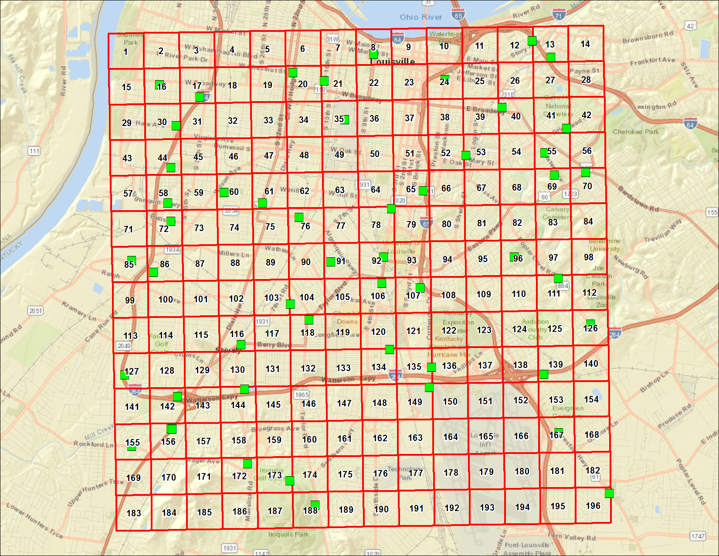
LOUISVILLE, KENTUCKY
Analyte | Result | Primary Qualifiers | Units | MRL | Return to Urban Background Study Summary | Return to Locations
Arsenic | 5.8 |  | mg/kg dry | 0.2
Barium | 41 |  | mg/kg dry | 0.99
Cadmium | 0.51 |  | mg/kg dry | 0.099
Chromium | 6.6 |  | mg/kg dry | 0.4
Lead | 48 |  | mg/kg dry | 0.99
Mercury | 0.079 | U,J | mg/kg dry | 0.079
Selenium | 0.4 | U | mg/kg dry | 0.4
Silver | 0.099 | U | mg/kg dry | 0.099
Arsenic | 7.9 |  | mg/kg dry | 0.2
Barium | 90 |  | mg/kg dry | 0.99
Cadmium | 0.51 |  | mg/kg dry | 0.099
Chromium | 17 |  | mg/kg dry | 0.4
Lead | 190 |  | mg/kg dry | 0.99
Mercury | 0.14 | J,O | mg/kg dry | 0.079
Selenium | 0.5 |  | mg/kg dry | 0.4
Silver | 0.099 | U | mg/kg dry | 0.099
Arsenic | 8.2 |  | mg/kg dry | 0.2
Barium | 38 |  | mg/kg dry | 0.98
Cadmium | 0.34 |  | mg/kg dry | 0.098
Chromium | 11 |  | mg/kg dry | 0.39
Lead | 60 |  | mg/kg dry | 0.98
Mercury | 0.079 | U,J | mg/kg dry | 0.079
Selenium | 0.39 | U | mg/kg dry | 0.39
Silver | 0.098 | U | mg/kg dry | 0.098
Arsenic | 6.4 |  | mg/kg dry | 0.2
Barium | 99 |  | mg/kg dry | 0.99
Cadmium | 0.28 |  | mg/kg dry | 0.099
Chromium | 13 |  | mg/kg dry | 0.39
Lead | 86 |  | mg/kg dry | 0.99
Mercury | 0.11 | J,O | mg/kg dry | 0.079
Selenium | 0.47 |  | mg/kg dry | 0.39
Silver | 0.49 | U | mg/kg dry | 0.49
Arsenic | 9.6 |  | mg/kg dry | 0.2
Barium | 58 |  | mg/kg dry | 0.99
Cadmium | 0.15 |  | mg/kg dry | 0.099
Chromium | 12 |  | mg/kg dry | 0.39
Lead | 29 |  | mg/kg dry | 0.2
Mercury | 0.079 | U,J | mg/kg dry | 0.079
Selenium | 0.39 | U | mg/kg dry | 0.39
Silver | 0.49 | U | mg/kg dry | 0.49
...

Memphis, TN
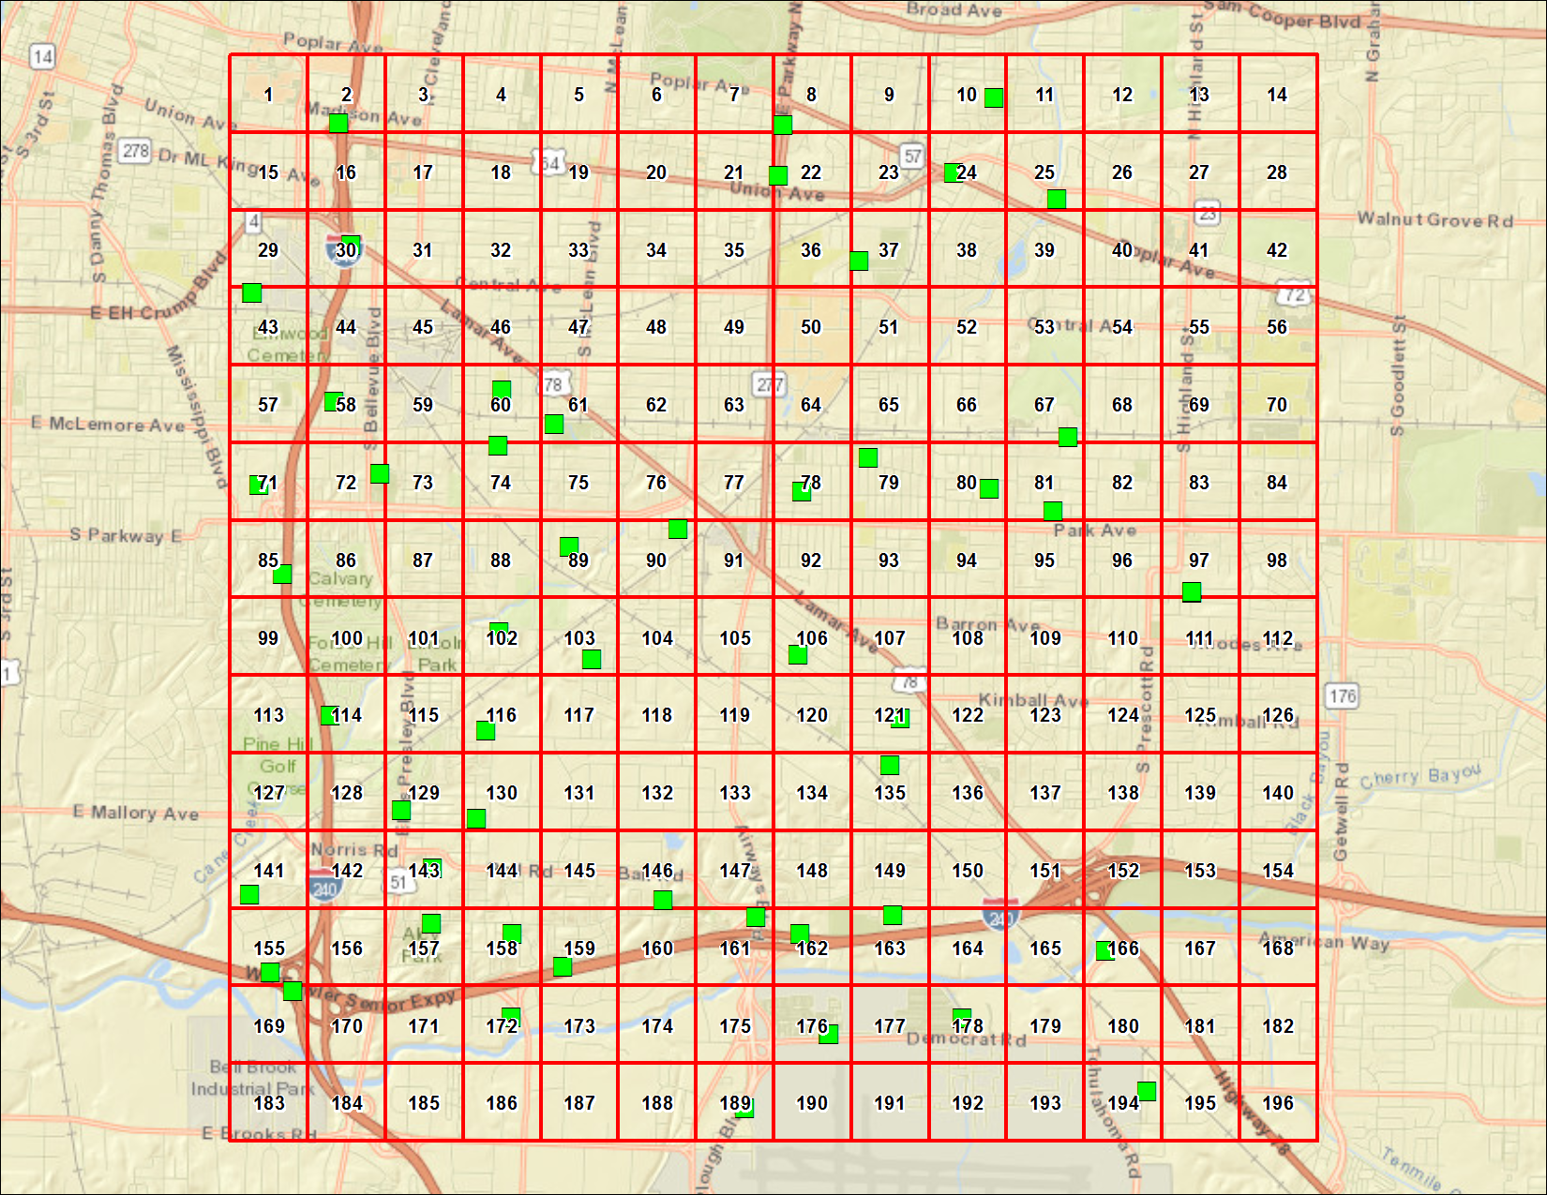
MEMPHIS, TENNESSEE
Analyte | Result | Primary Qualifiers | Units | MRL | Return to Urban Background Study Summary | Return to Locations
Arsenic | 46 |  | mg/kg dry | 0.98
Barium | 88 |  | mg/kg dry | 0.49
Cadmium | 0.3 |  | mg/kg dry | 0.098
Chromium | 11 |  | mg/kg dry | 0.49
Lead | 53 |  | mg/kg dry | 0.98
Mercury | 0.078 | U,J | mg/kg dry | 0.078
Selenium | 0.39 | U | mg/kg dry | 0.39
Silver | 0.098 | U | mg/kg dry | 0.098
Arsenic | 5 |  | mg/kg dry | 0.19
Barium | 98 |  | mg/kg dry | 0.48
Cadmium | 0.97 |  | mg/kg dry | 0.096
Chromium | 8.5 |  | mg/kg dry | 0.48
Lead | 140 |  | mg/kg dry | 2.4
Mercury | 0.091 | J,O | mg/kg dry | 0.077
Selenium | 0.42 |  | mg/kg dry | 0.39
Silver | 0.096 | U | mg/kg dry | 0.096
Arsenic | 6.9 |  | mg/kg dry | 0.2
Barium | 100 |  | mg/kg dry | 0.49
Cadmium | 0.28 |  | mg/kg dry | 0.098
Chromium | 9 |  | mg/kg dry | 0.49
Lead | 47 |  | mg/kg dry | 0.98
Mercury | 0.078 | U,J | mg/kg dry | 0.078
Selenium | 0.39 | U | mg/kg dry | 0.39
Silver | 0.098 | U | mg/kg dry | 0.098
Arsenic | 17 |  | mg/kg dry | 0.2
Barium | 69 |  | mg/kg dry | 0.5
Cadmium | 0.1 | U | mg/kg dry | 0.1
Chromium | 6.5 |  | mg/kg dry | 0.5
Lead | 36 |  | mg/kg dry | 0.2
Mercury | 0.08 | U,J | mg/kg dry | 0.08
Selenium | 0.4 | U | mg/kg dry | 0.4
Silver | 0.1 | U | mg/kg dry | 0.1
Arsenic | 14 |  | mg/kg dry | 0.2
Barium | 110 |  | mg/kg dry | 0.49
Cadmium | 0.34 |  | mg/kg dry | 0.098
Chromium | 17 |  | mg/kg dry | 0.49
Lead | 87 |  | mg/kg dry | 0.98
Mercury | 0.079 | U,J | mg/kg dry | 0.079
Selenium | 0.39 | U | mg/kg dry | 0.39
Silver | 0.098 | U | mg/kg dry | 0.098
...

Raleigh, NC
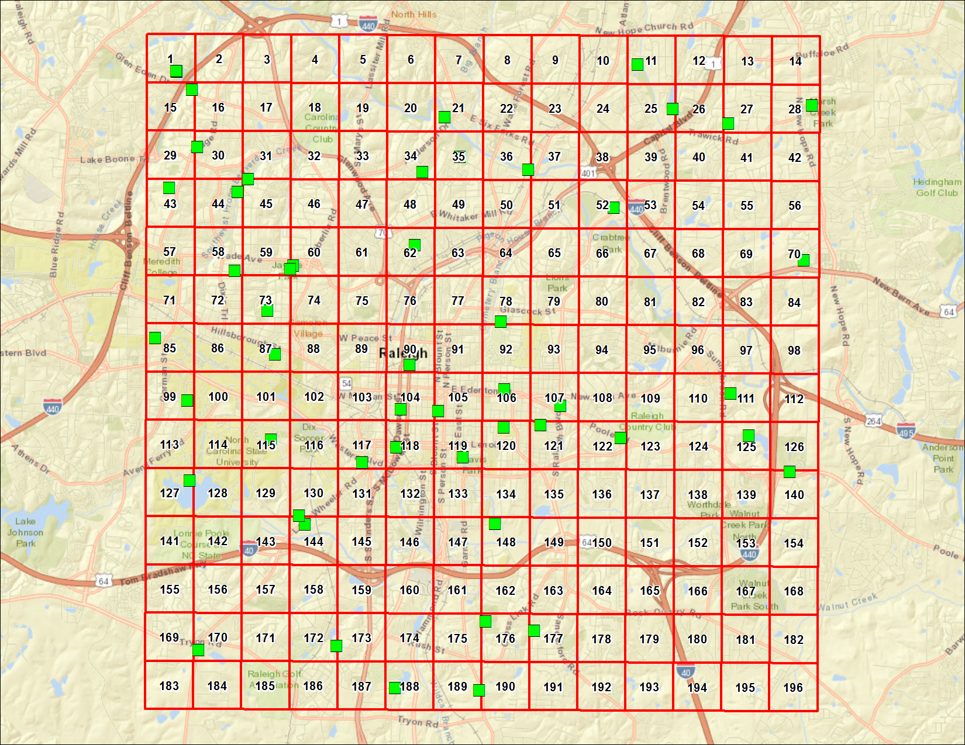
RALEIGH, NORTH CAROLINA
Analyte | Result | Primary Qualifiers | Units | MRL | Return to Urban Background Study Summary | Return to Locations
Arsenic | 0.41 | J,O | mg/kg dry | 0.2
Barium | 160 | J,O | mg/kg dry | 2.5
Cadmium | 0.1 | U | mg/kg dry | 0.1
Chromium | 10 |  | mg/kg dry | 2.5
Lead | 10 |  | mg/kg dry | 0.2
Mercury | 0.08 | U,J | mg/kg dry | 0.08
Selenium | 1.3 | U,J,O | mg/kg dry | 1.3
Silver | 0.1 | U | mg/kg dry | 0.1
Arsenic | 0.89 |  | mg/kg dry | 0.2
Barium | 150 |  | mg/kg dry | 2.5
Cadmium | 0.1 | U | mg/kg dry | 0.1
Chromium | 5.8 |  | mg/kg dry | 2.5
Lead | 10 |  | mg/kg dry | 0.2
Mercury | 0.08 | U,J | mg/kg dry | 0.08
Selenium | 1.6 | U,O | mg/kg dry | 1.6
Silver | 0.1 | U | mg/kg dry | 0.1
Arsenic | 2.3 |  | mg/kg dry | 0.2
Barium | 47 |  | mg/kg dry | 2.5
Cadmium | 0.18 |  | mg/kg dry | 0.099
Chromium | 8.9 |  | mg/kg dry | 2.5
Lead | 140 |  | mg/kg dry | 9.9
Mercury | 0.2 | J | mg/kg dry | 0.079
Selenium | 0.39 | U | mg/kg dry | 0.39
Silver | 0.13 |  | mg/kg dry | 0.099
Arsenic | 1.6 |  | mg/kg dry | 0.2
Barium | 48 |  | mg/kg dry | 0.49
Cadmium | 0.51 |  | mg/kg dry | 0.098
Chromium | 26 |  | mg/kg dry | 0.49
Lead | 120 |  | mg/kg dry | 2
Mercury | 0.42 | J | mg/kg dry | 0.079
Selenium | 0.39 | U | mg/kg dry | 0.39
Silver | 1.7 |  | mg/kg dry | 0.098
Arsenic | 0.69 |  | mg/kg dry | 0.2
Barium | 68 |  | mg/kg dry | 0.49
Cadmium | 0.26 |  | mg/kg dry | 0.098
Chromium | 7.5 |  | mg/kg dry | 0.49
Lead | 180 |  | mg/kg dry | 2
Mercury | 0.08 | J | mg/kg dry | 0.079
Selenium | 0.39 | U | mg/kg dry | 0.39
Silver | 0.098 | U | mg/kg dry | 0.098
...

Winston-Salem, NC
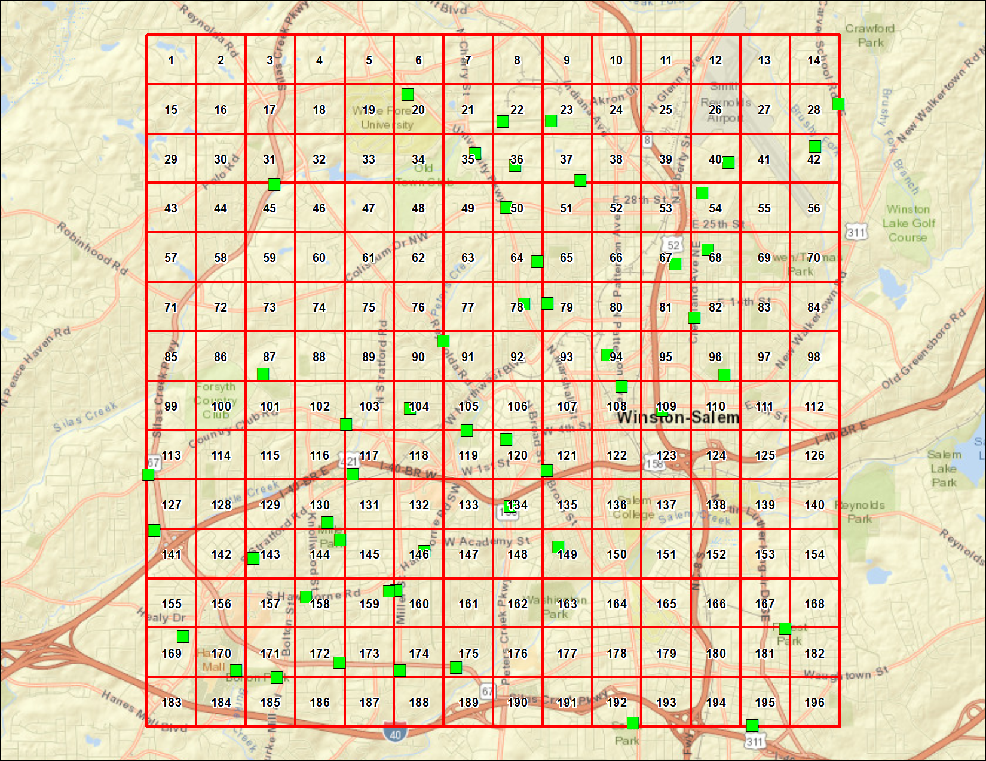
WINSTON-SALEM, NORTH CAROLINA
Analyte | Result | Primary Qualifiers | Units | MRL | Return to Urban Background Study Summary | Return to Locations
Arsenic | 0.94 |  | mg/kg dry | 0.2
Barium | 33 |  | mg/kg dry | 5
Cadmium | 0.23 |  | mg/kg dry | 0.1
Chromium | 11 |  | mg/kg dry | 5
Lead | 360 |  | mg/kg dry | 20
Mercury | 0.08 | U,J | mg/kg dry | 0.08
Selenium | 0.4 | U | mg/kg dry | 0.4
Silver | 0.14 |  | mg/kg dry | 0.1
Arsenic | 57 |  | mg/kg dry | 0.98
Barium | 42 |  | mg/kg dry | 4.9
Cadmium | 0.14 |  | mg/kg dry | 0.098
Chromium | 24 |  | mg/kg dry | 4.9
Lead | 380 |  | mg/kg dry | 20
Mercury | 0.087 | J,O | mg/kg dry | 0.079
Selenium | 0.39 | U | mg/kg dry | 0.39
Silver | 0.098 | U | mg/kg dry | 0.098
Arsenic | 1.1 |  | mg/kg dry | 0.2
Barium | 84 |  | mg/kg dry | 4.9
Cadmium | 0.23 |  | mg/kg dry | 0.099
Chromium | 19 |  | mg/kg dry | 4.9
Lead | 140 |  | mg/kg dry | 20
Mercury | 0.11 | J,O | mg/kg dry | 0.079
Selenium | 0.39 | U | mg/kg dry | 0.39
Silver | 0.099 | U | mg/kg dry | 0.099
Arsenic | 1.1 |  | mg/kg dry | 0.2
Barium | 87 |  | mg/kg dry | 5
Cadmium | 0.29 |  | mg/kg dry | 0.1
Chromium | 21 |  | mg/kg dry | 5
Lead | 630 |  | mg/kg dry | 20
Mercury | 0.08 | U,J | mg/kg dry | 0.08
Selenium | 0.4 | U | mg/kg dry | 0.4
Silver | 0.1 | U | mg/kg dry | 0.1
Arsenic | 2.3 |  | mg/kg dry | 0.2
Barium | 62 |  | mg/kg dry | 5
Cadmium | 0.31 |  | mg/kg dry | 0.1
Chromium | 43 |  | mg/kg dry | 5
Lead | 340 |  | mg/kg dry | 20
Mercury | 0.08 | U,J | mg/kg dry | 0.08
Selenium | 0.4 | U | mg/kg dry | 0.4
Silver | 0.1 | U | mg/kg dry | 0.1
...

